Table p. 1
 | Estimation |  |  |  |  |  |  |  |  |  |  |  |  | Date: |  | 15/10/2026 / 16:34
 |  |  |  |  |  |  |  |  |  |  |  |  |  | Project: |  | Allan Wilsher -Highview

 |  |  |  |  |  |  |  |  |  |  |  |  |  |  | Person in charge: Estimation data: Directory: |  |  |  |  | Bev Smith Binns <STANDARD> QUOTES\A\

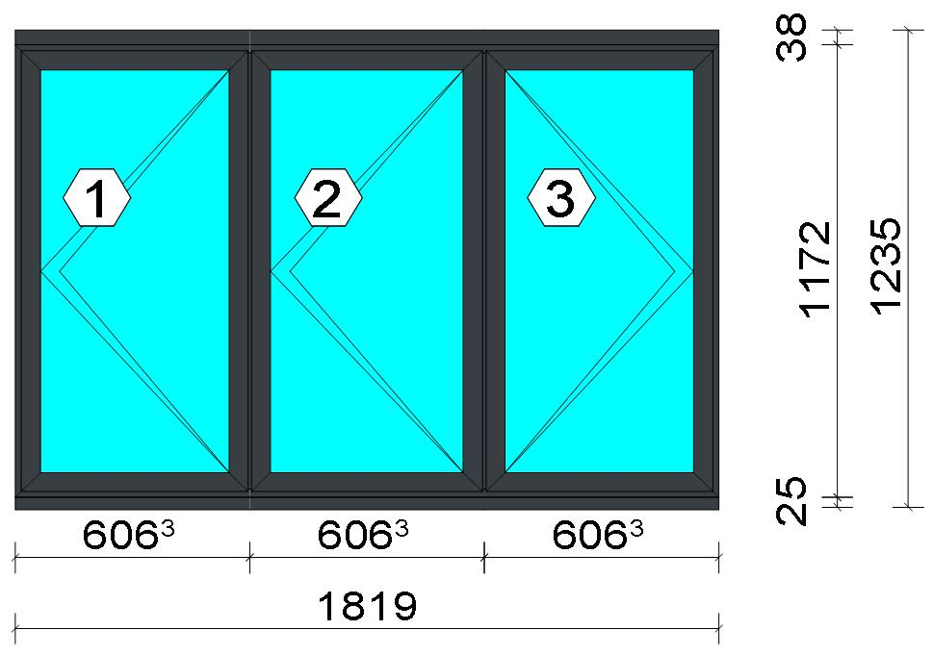 |  |  |  |  |  |  |  |  |  |  |  |  |  |  | Position: Frame 1 Quantity: 1 pcs System: Cortizo CASEMENT Hi PAS 24 Dry Size: 1,819 mm x 1,235 mm Scale: 1: 29 / Exterior view Finish: Inside: Lacado standard P9016B Lacado standard Outside: Lacado standard 7016CM Anthracite grey Lacado standard
Stated quantities refer to one position each.
Profiles
Description |  |  |  |  |  |  |  |  | Finish |  |  | Number |  |  |  |  | Length [mm] |  | Quantity [Pcs.] |  |  |  | Weight [kg] |  |  | Price [£]

150 mm drainage subcill |  |  |  |  |  |  |  |  | Lacado standard P9016B / Lacado standard 7016CM |  |  | 3735 |  |  |  |  | 1,819.0 |  | 1 |  |  |  | 4.19 |  |  | *28.12
Slim sash HI |  |  |  |  |  |  |  |  | Lacado standard P9016B / Lacado standard 7016CM |  |  | 3821 |  |  |  |  | 1,142.0 |  | 6 |  |  |  | 8.20 |  |  | *57.28
Slim sash HI |  |  |  |  |  |  |  |  | Lacado standard P9016B / Lacado standard 7016CM |  |  | 3821 |  |  |  |  | 587.3 |  | 4 |  |  |  | 2.81 |  |  | *19.64
Slim sash HI |  |  |  |  |  |  |  |  | Lacado standard P9016B / Lacado standard 7016CM |  |  | 3821 |  |  |  |  | 598.3 |  | 2 |  |  |  | 1.43 |  |  | *10.00
Window frame HI |  |  |  |  |  |  |  |  | Lacado standard 7016CM / Lacado standard P9016B |  |  | 3831 |  |  |  |  | 1,172.0 |  | 2 |  |  |  | 2.79 |  |  | *19.96
Window frame HI |  |  |  |  |  |  |  |  | Lacado standard 7016CM / Lacado standard P9016B |  |  | 3831 |  |  |  |  | 1,819.0 |  | 2 |  |  |  | 4.33 |  |  | *30.97

 |  |  |  |  | Logikal 12.6 - ORGADATA AG , Am Nesseufer 14, 26789 Leer, Germany, +49 491 92782-500
 |  |  |  |  |  |  |  |  |  | Page: 1 from 55

 |  |  |  |  | Please check all results for plausibility. We do not take responsibility for any errors.

 | Estimation |  |  |  |  |  |  |  |  |  |  |  |  | Date: |  | 15/10/2026 / 16:34
 |  |  |  |  |  |  |  |  |  |  |  |  |  | Project: |  | Allan Wilsher -Highview

Description |  |  |  |  |  |  |  |  | Finish |  |  | Number |  |  |  |  | Length [mm] |  | Quantity [Pcs.] |  |  |  | Weight [kg] |  |  | Price [£]

Frame extension HI |  |  |  |  |  |  |  |  | Lacado standard P9016B / Lacado standard 7016CM |  |  | 3849 |  |  |  |  | 1,819.0 |  | 1 |  |  |  | 2.70 |  |  | *19.26
Transom 60 mm HI |  |  |  |  |  |  |  |  | Lacado standard 7016CM / Lacado standard P9016B |  |  | 3851 |  |  |  |  | 1,135.0 |  | 2 |  |  |  | 3.07 |  |  | *21.80
Total: |  |  |  |  |  |  |  |  |  |  |  |  |  |  |  |  |  |  |  |  |  |  | 29.53 |  |  | 207.02
The marked (*) prices include colour/finish.

Glazing Beads
Description |  |  |  |  |  |  |  |  | Finish |  |  | Number |  |  |  |  | Length [mm] |  | Quantity [Pcs.] |  |  |  | Weight [kg] |  |  | Price [£]

Bead 30 mm |  |  |  |  |  |  |  |  | Lacado standard P9016B |  |  | 3810 |  |  |  |  | 1,042.0 |  | 6 |  |  |  | 1.88 |  |  | *9.78
Bead 30 mm |  |  |  |  |  |  |  |  | Lacado standard P9016B |  |  | 3810 |  |  |  |  | 521.3 |  | 4 |  |  |  | 0.63 |  |  | *3.26
Bead 30 mm |  |  |  |  |  |  |  |  | Lacado standard P9016B |  |  | 3810 |  |  |  |  | 532.3 |  | 2 |  |  |  | 0.32 |  |  | *1.67
Total: |  |  |  |  |  |  |  |  |  |  |  |  |  |  |  |  |  |  |  |  |  |  | 2.82 |  |  | 14.71

Accessories
Description |  |  |  |  |  |  |  |  |  |  |  |  |  |  |  |  |  | Number |  |  | Quantity |  |  |  | Price [£]

Alignment Cleat |  |  |  |  |  |  |  |  |  |  |  |  |  |  |  |  |  | 296839 |  |  | 4 pc |  |  |  | 1.84
Overlapped inner transom cap |  |  |  |  |  |  |  |  |  |  |  |  |  |  |  |  |  | 327970 |  |  | 8 pc |  |  |  | 6.60
Overlapped outer transom cap |  |  |  |  |  |  |  |  |  |  |  |  |  |  |  |  |  | 327971 |  |  | 8 pc |  |  |  | 8.64
Pair of 150mm subcill end caps |  |  |  |  |  |  |  |  |  |  |  |  |  |  |  |  |  | 353797 |  |  | 1 pc |  |  |  | 0.45
Circular shaped pin cleat |  |  |  |  |  |  |  |  |  |  |  |  |  |  |  |  |  | 373802 |  |  | 16 pc |  |  |  | 6.94
Crimping/screw cleat |  |  |  |  |  |  |  |  |  |  |  |  |  |  |  |  |  | 373805 |  |  | 4 pc |  |  |  | 3.50
Screw DIN 965 M4x6 |  |  |  |  |  |  |  |  |  |  |  |  |  |  |  |  |  | 373810 |  |  | 32 pc |  |  |  | 0.54
DIN7981 Ø2,9x13 Screws |  |  |  |  |  |  |  |  |  |  |  |  |  |  |  |  |  | 812913 |  |  | 32 pc |  |  |  | 0.54
DIN7981 Ø4,2x9,5 screws |  |  |  |  |  |  |  |  |  |  |  |  |  |  |  |  |  | 814295 |  |  | 32 pc |  |  |  | 1.09
Drainage cover |  |  |  |  |  |  |  |  |  |  |  |  |  |  |  |  |  | 920100 |  |  | 6 pc |  |  |  | 0.66
Alignment cleat |  |  |  |  |  |  |  |  |  |  |  |  |  |  |  |  |  | 212007 |  |  | 12 pc |  |  |  | 0.82
Wedge for 3x44 mm glass |  |  |  |  |  |  |  |  |  |  |  |  |  |  |  |  |  | 330344 |  |  | 24 pc |  |  |  | 2.45
Crimping/screw cleat |  |  |  |  |  |  |  |  |  |  |  |  |  |  |  |  |  | 373804 |  |  | 12 pc |  |  |  | 8.77
Glazing clip |  |  |  |  |  |  |  |  |  |  |  |  |  |  |  |  |  | 373894 |  |  | 12 pc |  |  |  | 7.34
Screw DIN7981 3,9x13 |  |  |  |  |  |  |  |  |  |  |  |  |  |  |  |  |  | 813913 |  |  | 8 pc |  |  |  | 0.27
Screw DIN7981 Ø3,9x16 / hinge side |  |  |  |  |  |  |  |  |  |  |  |  |  |  |  |  |  | 813916 |  |  | 6 pc |  |  |  | 0.15
Screw DIN7981 Ø3,9x16 |  |  |  |  |  |  |  |  |  |  |  |  |  |  |  |  |  | 813916 |  |  | 8 pc |  |  |  | 0.20
Screws DIN7981 Ø4.2x13 |  |  |  |  |  |  |  |  |  |  |  |  |  |  |  |  |  | 814213 |  |  | 12 pc |  |  |  | 0.20
Screws DIN7981 Ø4,2x16 |  |  |  |  |  |  |  |  |  |  |  |  |  |  |  |  |  | 814216 |  |  | 9 pc |  |  |  | 0.31
ScrewsDIN7981 Ø4,8x13 |  |  |  |  |  |  |  |  |  |  |  |  |  |  |  |  |  | 814813 |  |  | 12 pc |  |  |  | 0.61
Screws DIN7981 Ø4,8x16 |  |  |  |  |  |  |  |  |  |  |  |  |  |  |  |  |  | 814816 |  |  | 12 pc |  |  |  | 0.51
DIN7982 Ø3,5x16 screws |  |  |  |  |  |  |  |  |  |  |  |  |  |  |  |  |  | 823516 |  |  | 48 pc |  |  |  | 0.82
DIN7982 Ø3,9x12,7 screws / hinge side |  |  |  |  |  |  |  |  |  |  |  |  |  |  |  |  |  | 823913 |  |  | 6 pc |  |  |  | 0.36

 |  |  |  |  | Logikal 12.6 - ORGADATA AG , Am Nesseufer 14, 26789 Leer, Germany, +49 491 92782-500
 |  |  |  |  |  |  |  |  |  | Page: 2 from 55

 |  |  |  |  | Please check all results for plausibility. We do not take responsibility for any errors.

 | Estimation |  |  |  |  |  |  |  |  |  |  |  |  | Date: |  | 15/10/2026 / 16:34
 |  |  |  |  |  |  |  |  |  |  |  |  |  | Project: |  | Allan Wilsher -Highview

Description |  |  |  |  |  |  |  |  |  |  |  |  |  |  |  |  |  | Number |  |  | Quantity |  |  |  | Price [£]

Total: |  |  |  |  |  |  |  |  |  |  |  |  |  |  |  |  |  |  |  |  |  |  |  |  | 53.61

Hardware
Description |  |  |  |  |  |  |  |  |  |  |  |  |  |  |  |  |  | Number |  |  | Quantity |  |  |  | Price [£]

Inline espag handle |  |  |  |  |  |  |  |  |  |  |  |  |  |  |  |  |  | 373811 |  |  | 2 pc |  |  |  | 4.71
Casement keep |  |  |  |  |  |  |  |  |  |  |  |  |  |  |  |  |  | 373850 |  |  | 9 pc |  |  |  | 7.42
Espagnolette lock 1000 mm RH |  |  |  |  |  |  |  |  |  |  |  |  |  |  |  |  |  | 373860 |  |  | 2 pc |  |  |  | 17.44
Sash seal 14 mm / hinge side |  |  |  |  |  |  |  |  |  |  |  |  |  |  |  |  |  | 373886 |  |  | 3 pc |  |  |  | 0.77
Sash seal 14 mm |  |  |  |  |  |  |  |  |  |  |  |  |  |  |  |  |  | 373886 |  |  | 4 pc |  |  |  | 1.02
Run up block |  |  |  |  |  |  |  |  |  |  |  |  |  |  |  |  |  | 373890 |  |  | 12 pc |  |  |  | 4.69
Hinge protector 14 mm |  |  |  |  |  |  |  |  |  |  |  |  |  |  |  |  |  | 373892 |  |  | 6 pc |  |  |  | 3.16
Pair of extreme friction stay side hung 16 |  |  |  |  |  |  |  |  |  |  |  |  |  |  |  |  |  | 423871 |  |  | 2 pc |  |  |  | 24.14
Inline espag handle |  |  |  |  |  |  |  |  |  |  |  |  |  |  |  |  |  | 373817 |  |  | 1 pc |  |  |  | 3.22
Pair of standard friction stay side hung 16 |  |  |  |  |  |  |  |  |  |  |  |  |  |  |  |  |  | 373871 |  |  | 1 pc |  |  |  | 5.53
Espagnolette lock 1000 mm LH |  |  |  |  |  |  |  |  |  |  |  |  |  |  |  |  |  | 373859 |  |  | 1 pc |  |  |  | 8.72
Total: |  |  |  |  |  |  |  |  |  |  |  |  |  |  |  |  |  |  |  |  |  |  |  |  | 80.83

Gaskets
Description |  |  |  |  |  |  |  |  |  |  |  |  |  |  |  |  |  | Number |  |  | Quantity [m] |  |  |  | Price [£]

Glazing outer gasket 3,6 mm |  |  |  |  |  |  |  |  |  |  |  |  |  |  |  |  |  | 240124 |  |  | 9.47 |  |  |  | 3.46
Glazing inner gasket 4 mm |  |  |  |  |  |  |  |  |  |  |  |  |  |  |  |  |  | 240135 |  |  | 9.47 |  |  |  | 4.83
Insulating foam of 30 mm x 5 mm |  |  |  |  |  |  |  |  |  |  |  |  |  |  |  |  |  | 320024 |  |  | 9.89 |  |  |  | 2.69
Outer frame gasket |  |  |  |  |  |  |  |  |  |  |  |  |  |  |  |  |  | 373801 |  |  | 21.42 |  |  |  | 4.37
Total: |  |  |  |  |  |  |  |  |  |  |  |  |  |  |  |  |  |  |  |  |  |  |  |  | 15.36

Glass
Description |  |  |  |  |  |  |  |  |  |  |  |  | Area [m²] |  |  |  |  | Dimension [mm] |  |  | Quantity [Pcs.] |  |  |  | Price [£]

4mm DG TGH STD, 28 mm |  |  |  |  |  |  |  |  |  |  |  |  | 0.55 (0.56) |  |  |  |  | 511 x 1,066 |  |  | 2 |  |  |  | 57.64
4mm DG TGH STD, 28 mm |  |  |  |  |  |  |  |  |  |  |  |  | 0.56 (0.57) |  |  |  |  | 522 x 1,066 |  |  | 1 |  |  |  | 29.38
Total: |  |  |  |  |  |  |  |  |  |  |  |  | 1.65 (1.68) |  |  |  |  |  |  |  | 3 |  |  |  | 87.02

Finish

Description |  |  |  |  |  |  |  |  |  |  | Price [£/m²] |  |  |  |  |  |  | Quantity [m²] |  |  |  |  |  | Total [£]

 |  |  |  |  |  |  |  | Lacado standard 7016CM |  |  | 2.19 |  |  |  |  |  |  | 6.195 |  |  |  |  |  | 13.57
 |  |  |  |  |  |  |  | Lacado standard P9016B |  |  | 2.19 |  |  |  |  |  |  | 6.094 |  |  |  |  |  | 13.35
Total |  |  |  |  |  |  |  |  |  |  |  |  |  |  |  |  |  | 12.289 |  |  |  |  |  | 26.91

Summary
Description |  |  |  |  |  |  |  |  |  |  |  |  |  |  |  |  |  |  |  |  |  | [£]
Profiles incl. Coating |  |  |  |  |  |  |  |  |  |  |  |  |  |  |  |  |  |  |  |  |  | 221.73
Finish |  |  |  |  |  |  |  |  |  |  |  |  |  |  |  |  |  |  |  |  |  | 26.91
Accessories |  |  |  |  |  |  |  |  |  |  |  |  |  |  |  |  |  |  |  |  |  | 53.61
Hardware |  |  |  |  |  |  |  |  |  |  |  |  |  |  |  |  |  |  |  |  |  | 80.83
Gaskets |  |  |  |  |  |  |  |  |  |  |  |  |  |  |  |  |  |  |  |  |  | 15.36
Small materials |  |  |  |  |  |  |  |  |  |  |  |  |  |  |  |  |  |  |  |  |  | 0.00
Total Material |  |  |  |  |  |  |  |  |  |  |  |  |  |  |  |  |  |  |  |  |  | 398.44

Glass |  |  |  |  |  |  |  |  |  |  |  |  |  |  |  |  |  |  |  |  |  | 87.02
Insertion Costs Glass |  |  |  |  |  |  |  |  |  |  |  |  |  |  |  |  |  |  |  |  |  | 0.00

 |  |  |  |  | Logikal 12.6 - ORGADATA AG , Am Nesseufer 14, 26789 Leer, Germany, +49 491 92782-500
 |  |  |  |  |  |  |  |  |  | Page: 3 from 55

 |  |  |  |  | Please check all results for plausibility. We do not take responsibility for any errors.

 | Estimation |  |  |  |  |  |  |  |  |  |  |  |  | Date: |  | 15/10/2026 / 16:34
 |  |  |  |  |  |  |  |  |  |  |  |  |  | Project: |  | Allan Wilsher -Highview

Insertion Costs Panel |  |  |  |  |  |  |  |  |  |  |  |  |  |  |  |  |  |  |  |  |  | 0.00
Total Glass |  |  |  |  |  |  |  |  |  |  |  |  |  |  |  |  |  |  |  |  |  | 87.02

Outer frame corner |  |  |  |  |  |  |  |  |  |  |  |  |  |  | 60 min @ 15.00 £/h |  |  |  |  |  |  | 15.00
Sash Corners |  |  |  |  |  |  |  |  |  |  |  |  |  |  | 384 min @ 15.00 £/h |  |  |  |  |  |  | 96.00
Cill Manufacture |  |  |  |  |  |  |  |  |  |  |  |  |  |  | 20 min @ 15.00 £/h |  |  |  |  |  |  | 5.00
T-Junction |  |  |  |  |  |  |  |  |  |  |  |  |  |  | 140 min @ 15.00 £/h |  |  |  |  |  |  | 35.00
Frame extension |  |  |  |  |  |  |  |  |  |  |  |  |  |  | 20 min @ 15.00 £/h |  |  |  |  |  |  | 5.00
Installation |  |  |  |  |  |  |  |  |  |  |  |  |  |  | 0 min @ 0.00 £/h |  |  |  |  |  |  | 0.00
Total Wages |  |  |  |  |  |  |  |  |  |  |  |  |  |  |  |  |  |  |  |  |  | 156.00

Extra costs |  |  |  |  |  |  |  |  |  |  |  |  |  |  |  |  |  |  |  |  |  | 0.00
Net Total |  |  |  |  |  |  |  |  |  |  |  |  |  |  |  |  |  |  |  |  |  | 641.46

Total Costs |  |  |  |  |  |  |  |  |  |  |  |  |  |  |  |  |  |  |  |  |  | 641.46

Profit on material |  |  |  |  |  |  |  |  |  |  |  |  |  |  | 0.0 % |  |  |  |  |  |  | 0.00
Profit on glass purchase |  |  |  |  |  |  |  |  |  |  |  |  |  |  | 0.0 % |  |  |  |  |  |  | 0.00
Profit on wages |  |  |  |  |  |  |  |  |  |  |  |  |  |  | 0.0 % |  |  |  |  |  |  | 0.00
Profit on other costs |  |  |  |  |  |  |  |  |  |  |  |  |  |  | 0.0 % |  |  |  |  |  |  | 0.00
Estimated price |  |  |  |  |  |  |  |  |  |  |  |  |  |  |  |  |  |  |  |  |  | 641.46

Position area: |  |  |  |  |  |  |  |  |  |  |  |  |  |  |  |  |  |  |  |  |  | 2.26 m²
Estimated price / m² |  |  |  |  |  |  |  |  |  |  |  |  |  |  |  |  |  |  |  |  |  | 283.83 £
Weight / Profiles |  |  |  |  |  |  |  |  |  |  |  |  |  |  |  |  |  |  |  |  |  | 34.80 kg
Weight / Glass |  |  |  |  |  |  |  |  |  |  |  |  |  |  |  |  |  |  |  |  |  | 32.94 kg
Weight for estimation |  |  |  |  |  |  |  |  |  |  |  |  |  |  |  |  |  |  |  |  |  | 67.74 kg

 |  |  |  |  | Logikal 12.6 - ORGADATA AG , Am Nesseufer 14, 26789 Leer, Germany, +49 491 92782-500
 |  |  |  |  |  |  |  |  |  | Page: 4 from 55

 |  |  |  |  | Please check all results for plausibility. We do not take responsibility for any errors.

 | Estimation |  |  |  |  |  |  |  |  |  |  |  |  | Date: |  | 15/10/2026 / 16:34
 |  |  |  |  |  |  |  |  |  |  |  |  |  | Project: |  | Allan Wilsher -Highview

 |  |  |  |  |  |  |  |  |  |  |  |  |  |  | Person in charge: Estimation data: Directory: |  |  |  |  | Bev Smith Binns <STANDARD> QUOTES\A\

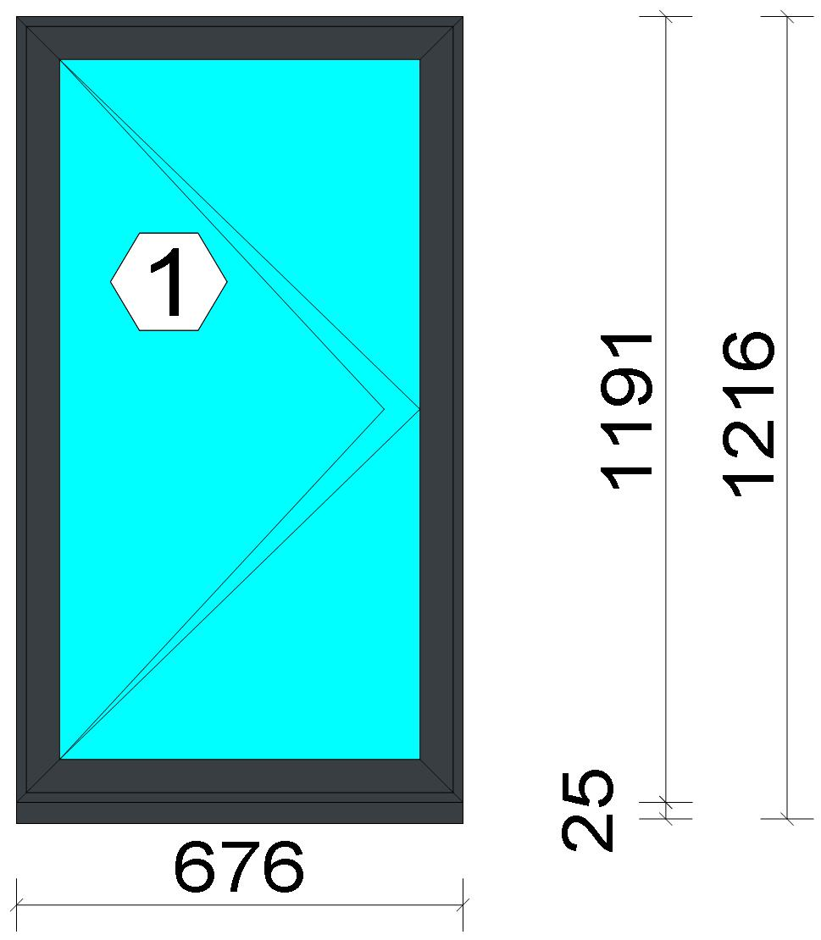
 |  |  |  |  |  |  |  |  |  |  |  |  |  |  | Position: F2 Quantity: 1 pcs System: Cortizo CASEMENT Hi Standard Dry Size: 676 mm x 1,216 mm Scale: 1: 15 / Exterior view Finish: Inside: Lacado standard P9016B Lacado standard Outside: Lacado standard 7016CM Anthracite grey Lacado standard
Stated quantities refer to one position each.
Profiles
Description |  |  |  |  |  |  |  |  | Finish |  |  | Number |  |  |  |  | Length [mm] |  | Quantity [Pcs.] |  |  |  | Weight [kg] |  |  | Price [£]

150 mm drainage subcill |  |  |  |  |  |  |  |  | Lacado standard P9016B / Lacado standard 7016CM |  |  | 3735 |  |  |  |  | 676.0 |  | 1 |  |  |  | 1.56 |  |  | *10.45
Slim sash HI |  |  |  |  |  |  |  |  | Lacado standard P9016B / Lacado standard 7016CM |  |  | 3821 |  |  |  |  | 1,161.0 |  | 2 |  |  |  | 2.78 |  |  | *19.41
Slim sash HI |  |  |  |  |  |  |  |  | Lacado standard P9016B / Lacado standard 7016CM |  |  | 3821 |  |  |  |  | 646.0 |  | 2 |  |  |  | 1.55 |  |  | *10.80
Window frame HI |  |  |  |  |  |  |  |  | Lacado standard 7016CM / Lacado standard P9016B |  |  | 3831 |  |  |  |  | 1,191.0 |  | 2 |  |  |  | 2.84 |  |  | *20.28
Window frame HI |  |  |  |  |  |  |  |  | Lacado standard 7016CM / Lacado standard P9016B |  |  | 3831 |  |  |  |  | 676.0 |  | 2 |  |  |  | 1.61 |  |  | *11.51

 |  |  |  |  | Logikal 12.6 - ORGADATA AG , Am Nesseufer 14, 26789 Leer, Germany, +49 491 92782-500
 |  |  |  |  |  |  |  |  |  | Page: 5 from 55

 |  |  |  |  | Please check all results for plausibility. We do not take responsibility for any errors.

 | Estimation |  |  |  |  |  |  |  |  |  |  |  |  | Date: |  | 15/10/2026 / 16:34
 |  |  |  |  |  |  |  |  |  |  |  |  |  | Project: |  | Allan Wilsher -Highview

Description |  |  |  |  |  |  |  |  | Finish |  |  | Number |  |  |  |  | Length [mm] |  | Quantity [Pcs.] |  |  |  | Weight [kg] |  |  | Price [£]

Total: |  |  |  |  |  |  |  |  |  |  |  |  |  |  |  |  |  |  |  |  |  |  | 10.33 |  |  | 72.45
The marked (*) prices include colour/finish.

Glazing Beads
Description |  |  |  |  |  |  |  |  | Finish |  |  | Number |  |  |  |  | Length [mm] |  | Quantity [Pcs.] |  |  |  | Weight [kg] |  |  | Price [£]

Bead 30 mm |  |  |  |  |  |  |  |  | Lacado standard P9016B |  |  | 3810 |  |  |  |  | 1,061.0 |  | 2 |  |  |  | 0.64 |  |  | *3.32
Bead 30 mm |  |  |  |  |  |  |  |  | Lacado standard P9016B |  |  | 3810 |  |  |  |  | 580.0 |  | 2 |  |  |  | 0.35 |  |  | *1.81
Total: |  |  |  |  |  |  |  |  |  |  |  |  |  |  |  |  |  |  |  |  |  |  | 0.98 |  |  | 5.13

Accessories
Description |  |  |  |  |  |  |  |  |  |  |  |  |  |  |  |  |  | Number |  |  | Quantity |  |  |  | Price [£]

Alignment Cleat |  |  |  |  |  |  |  |  |  |  |  |  |  |  |  |  |  | 296839 |  |  | 4 pc |  |  |  | 1.84
Pair of 150mm subcill end caps |  |  |  |  |  |  |  |  |  |  |  |  |  |  |  |  |  | 353797 |  |  | 1 pc |  |  |  | 0.45
Circular shaped pin cleat |  |  |  |  |  |  |  |  |  |  |  |  |  |  |  |  |  | 373802 |  |  | 8 pc |  |  |  | 3.47
Crimping/screw cleat |  |  |  |  |  |  |  |  |  |  |  |  |  |  |  |  |  | 373805 |  |  | 4 pc |  |  |  | 3.50
Screw DIN 965 M4x6 |  |  |  |  |  |  |  |  |  |  |  |  |  |  |  |  |  | 373810 |  |  | 16 pc |  |  |  | 0.27
Drainage cover |  |  |  |  |  |  |  |  |  |  |  |  |  |  |  |  |  | 920100 |  |  | 2 pc |  |  |  | 0.22
Alignment cleat |  |  |  |  |  |  |  |  |  |  |  |  |  |  |  |  |  | 212007 |  |  | 4 pc |  |  |  | 0.27
Wedge for 3x44 mm glass |  |  |  |  |  |  |  |  |  |  |  |  |  |  |  |  |  | 330344 |  |  | 8 pc |  |  |  | 0.82
Crimping/screw cleat |  |  |  |  |  |  |  |  |  |  |  |  |  |  |  |  |  | 373804 |  |  | 4 pc |  |  |  | 2.92
Screw DIN7981 3,9x13 |  |  |  |  |  |  |  |  |  |  |  |  |  |  |  |  |  | 813913 |  |  | 4 pc |  |  |  | 0.14
Screw DIN7981 Ø3,9x16 / hinge side |  |  |  |  |  |  |  |  |  |  |  |  |  |  |  |  |  | 813916 |  |  | 2 pc |  |  |  | 0.05
Screw DIN7981 Ø3,9x16 |  |  |  |  |  |  |  |  |  |  |  |  |  |  |  |  |  | 813916 |  |  | 4 pc |  |  |  | 0.10
Screws DIN7981 Ø4.2x13 |  |  |  |  |  |  |  |  |  |  |  |  |  |  |  |  |  | 814213 |  |  | 4 pc |  |  |  | 0.07
Screws DIN7981 Ø4,2x16 |  |  |  |  |  |  |  |  |  |  |  |  |  |  |  |  |  | 814216 |  |  | 3 pc |  |  |  | 0.10
DIN7982 Ø3,5x16 screws |  |  |  |  |  |  |  |  |  |  |  |  |  |  |  |  |  | 823516 |  |  | 2 pc |  |  |  | 0.03
DIN7982 Ø3,9x12,7 screws / hinge side |  |  |  |  |  |  |  |  |  |  |  |  |  |  |  |  |  | 823913 |  |  | 2 pc |  |  |  | 0.12
Total: |  |  |  |  |  |  |  |  |  |  |  |  |  |  |  |  |  |  |  |  |  |  |  |  | 14.37

Hardware
Description |  |  |  |  |  |  |  |  |  |  |  |  |  |  |  |  |  | Number |  |  | Quantity |  |  |  | Price [£]

Inline espag handle |  |  |  |  |  |  |  |  |  |  |  |  |  |  |  |  |  | 373812 |  |  | 1 pc |  |  |  | 2.88
Casement keep |  |  |  |  |  |  |  |  |  |  |  |  |  |  |  |  |  | 373850 |  |  | 3 pc |  |  |  | 2.47
Espagnolette lock 1000 mm LH |  |  |  |  |  |  |  |  |  |  |  |  |  |  |  |  |  | 373859 |  |  | 1 pc |  |  |  | 8.72
Sash seal 14 mm / hinge side |  |  |  |  |  |  |  |  |  |  |  |  |  |  |  |  |  | 373886 |  |  | 1 pc |  |  |  | 0.26
Sash seal 14 mm |  |  |  |  |  |  |  |  |  |  |  |  |  |  |  |  |  | 373886 |  |  | 2 pc |  |  |  | 0.51
Run up block |  |  |  |  |  |  |  |  |  |  |  |  |  |  |  |  |  | 373890 |  |  | 1 pc |  |  |  | 0.39
Pair of extreme friction stay side hung 12 |  |  |  |  |  |  |  |  |  |  |  |  |  |  |  |  |  | 423870 |  |  | 1 pc |  |  |  | 9.67
Total: |  |  |  |  |  |  |  |  |  |  |  |  |  |  |  |  |  |  |  |  |  |  |  |  | 24.91

Gaskets
Description |  |  |  |  |  |  |  |  |  |  |  |  |  |  |  |  |  | Number |  |  | Quantity [m] |  |  |  | Price [£]

Glazing outer gasket 3,6 mm |  |  |  |  |  |  |  |  |  |  |  |  |  |  |  |  |  | 240124 |  |  | 3.31 |  |  |  | 1.21
Glazing inner gasket 4 mm |  |  |  |  |  |  |  |  |  |  |  |  |  |  |  |  |  | 240135 |  |  | 3.31 |  |  |  | 1.69
Insulating foam of 30 mm x 5 mm |  |  |  |  |  |  |  |  |  |  |  |  |  |  |  |  |  | 320024 |  |  | 3.45 |  |  |  | 0.94
Outer frame gasket |  |  |  |  |  |  |  |  |  |  |  |  |  |  |  |  |  | 373801 |  |  | 7.44 |  |  |  | 1.52

 |  |  |  |  | Logikal 12.6 - ORGADATA AG , Am Nesseufer 14, 26789 Leer, Germany, +49 491 92782-500
 |  |  |  |  |  |  |  |  |  | Page: 6 from 55

 |  |  |  |  | Please check all results for plausibility. We do not take responsibility for any errors.

 | Estimation |  |  |  |  |  |  |  |  |  |  |  |  | Date: |  | 15/10/2026 / 16:34
 |  |  |  |  |  |  |  |  |  |  |  |  |  | Project: |  | Allan Wilsher -Highview

Description |  |  |  |  |  |  |  |  |  |  |  |  |  |  |  |  |  | Number |  |  | Quantity [m] |  |  |  | Price [£]

Total: |  |  |  |  |  |  |  |  |  |  |  |  |  |  |  |  |  |  |  |  |  |  |  |  | 5.36

Glass
Description |  |  |  |  |  |  |  |  |  |  |  |  | Area [m²] |  |  |  |  | Dimension [mm] |  |  | Quantity [Pcs.] |  |  |  | Price [£]

4mm DG TGH STD, 28 mm |  |  |  |  |  |  |  |  |  |  |  |  | 0.62 |  |  |  |  | 570 x 1,085 |  |  | 1 |  |  |  | 32.18
Total: |  |  |  |  |  |  |  |  |  |  |  |  | 0.62 |  |  |  |  |  |  |  | 1 |  |  |  | 32.18

Finish

Description |  |  |  |  |  |  |  |  |  |  | Price [£/m²] |  |  |  |  |  |  | Quantity [m²] |  |  |  |  |  | Total [£]

 |  |  |  |  |  |  |  | Lacado standard 7016CM |  |  | 2.19 |  |  |  |  |  |  | 2.170 |  |  |  |  |  | 4.75
 |  |  |  |  |  |  |  | Lacado standard P9016B |  |  | 2.19 |  |  |  |  |  |  | 2.104 |  |  |  |  |  | 4.61
Total |  |  |  |  |  |  |  |  |  |  |  |  |  |  |  |  |  | 4.274 |  |  |  |  |  | 9.36

Summary
Description |  |  |  |  |  |  |  |  |  |  |  |  |  |  |  |  |  |  |  |  |  | [£]
Profiles incl. Coating |  |  |  |  |  |  |  |  |  |  |  |  |  |  |  |  |  |  |  |  |  | 77.58
Finish |  |  |  |  |  |  |  |  |  |  |  |  |  |  |  |  |  |  |  |  |  | 9.36
Accessories |  |  |  |  |  |  |  |  |  |  |  |  |  |  |  |  |  |  |  |  |  | 14.37
Hardware |  |  |  |  |  |  |  |  |  |  |  |  |  |  |  |  |  |  |  |  |  | 24.91
Gaskets |  |  |  |  |  |  |  |  |  |  |  |  |  |  |  |  |  |  |  |  |  | 5.36
Small materials |  |  |  |  |  |  |  |  |  |  |  |  |  |  |  |  |  |  |  |  |  | 0.00
Total Material |  |  |  |  |  |  |  |  |  |  |  |  |  |  |  |  |  |  |  |  |  | 131.58

Glass |  |  |  |  |  |  |  |  |  |  |  |  |  |  |  |  |  |  |  |  |  | 32.18
Insertion Costs Glass |  |  |  |  |  |  |  |  |  |  |  |  |  |  |  |  |  |  |  |  |  | 0.00
Insertion Costs Panel |  |  |  |  |  |  |  |  |  |  |  |  |  |  |  |  |  |  |  |  |  | 0.00
Total Glass |  |  |  |  |  |  |  |  |  |  |  |  |  |  |  |  |  |  |  |  |  | 32.18

Outer frame corner |  |  |  |  |  |  |  |  |  |  |  |  |  |  | 60 min @ 15.00 £/h |  |  |  |  |  |  | 15.00
Sash Corners |  |  |  |  |  |  |  |  |  |  |  |  |  |  | 128 min @ 15.00 £/h |  |  |  |  |  |  | 32.00
Cill Manufacture |  |  |  |  |  |  |  |  |  |  |  |  |  |  | 20 min @ 15.00 £/h |  |  |  |  |  |  | 5.00
Installation |  |  |  |  |  |  |  |  |  |  |  |  |  |  | 0 min @ 0.00 £/h |  |  |  |  |  |  | 0.00
Total Wages |  |  |  |  |  |  |  |  |  |  |  |  |  |  |  |  |  |  |  |  |  | 52.00

Extra costs |  |  |  |  |  |  |  |  |  |  |  |  |  |  |  |  |  |  |  |  |  | 0.00
Net Total |  |  |  |  |  |  |  |  |  |  |  |  |  |  |  |  |  |  |  |  |  | 215.76

Total Costs |  |  |  |  |  |  |  |  |  |  |  |  |  |  |  |  |  |  |  |  |  | 215.76

Profit on material |  |  |  |  |  |  |  |  |  |  |  |  |  |  | 0.0 % |  |  |  |  |  |  | 0.00
Profit on glass purchase |  |  |  |  |  |  |  |  |  |  |  |  |  |  | 0.0 % |  |  |  |  |  |  | 0.00
Profit on wages |  |  |  |  |  |  |  |  |  |  |  |  |  |  | 0.0 % |  |  |  |  |  |  | 0.00
Profit on other costs |  |  |  |  |  |  |  |  |  |  |  |  |  |  | 0.0 % |  |  |  |  |  |  | 0.00
Estimated price |  |  |  |  |  |  |  |  |  |  |  |  |  |  |  |  |  |  |  |  |  | 215.76

Position area: |  |  |  |  |  |  |  |  |  |  |  |  |  |  |  |  |  |  |  |  |  | 0.83 m²
Estimated price / m² |  |  |  |  |  |  |  |  |  |  |  |  |  |  |  |  |  |  |  |  |  | 260.89 £
Weight / Profiles |  |  |  |  |  |  |  |  |  |  |  |  |  |  |  |  |  |  |  |  |  | 12.17 kg
Weight / Glass |  |  |  |  |  |  |  |  |  |  |  |  |  |  |  |  |  |  |  |  |  | 12.37 kg
Weight for estimation |  |  |  |  |  |  |  |  |  |  |  |  |  |  |  |  |  |  |  |  |  | 24.54 kg

 |  |  |  |  | Logikal 12.6 - ORGADATA AG , Am Nesseufer 14, 26789 Leer, Germany, +49 491 92782-500
 |  |  |  |  |  |  |  |  |  | Page: 7 from 55

 |  |  |  |  | Please check all results for plausibility. We do not take responsibility for any errors.

 | Estimation |  |  |  |  |  |  |  |  |  |  |  |  | Date: |  | 15/10/2026 / 16:34
 |  |  |  |  |  |  |  |  |  |  |  |  |  | Project: |  | Allan Wilsher -Highview

 |  |  |  |  |  |  |  |  |  |  |  |  |  |  | Person in charge: Estimation data: Directory: |  |  |  |  | Bev Smith Binns <STANDARD> QUOTES\A\


 |  |  |  |  |  |  |  |  |  |  |  |  |  |  | Position: F3 Quantity: 1 pcs System: Cortizo CASEMENT Hi PAS 24 Dry Size: 1,768 mm x 1,216 mm Scale: 1: 28 / Exterior view Finish: Inside: Lacado standard P9016B Lacado standard Outside: Lacado standard 7016CM Anthracite grey Lacado standard
Stated quantities refer to one position each.
Profiles
Description |  |  |  |  |  |  |  |  | Finish |  |  | Number |  |  |  |  | Length [mm] |  | Quantity [Pcs.] |  |  |  | Weight [kg] |  |  | Price [£]

150 mm drainage subcill |  |  |  |  |  |  |  |  | Lacado standard P9016B / Lacado standard 7016CM |  |  | 3735 |  |  |  |  | 1,768.0 |  | 1 |  |  |  | 4.07 |  |  | *27.33
Slim sash HI |  |  |  |  |  |  |  |  | Lacado standard P9016B / Lacado standard 7016CM |  |  | 3821 |  |  |  |  | 1,123.0 |  | 6 |  |  |  | 8.07 |  |  | *56.33
Slim sash HI |  |  |  |  |  |  |  |  | Lacado standard P9016B / Lacado standard 7016CM |  |  | 3821 |  |  |  |  | 570.3 |  | 4 |  |  |  | 2.73 |  |  | *19.07
Slim sash HI |  |  |  |  |  |  |  |  | Lacado standard P9016B / Lacado standard 7016CM |  |  | 3821 |  |  |  |  | 581.3 |  | 2 |  |  |  | 1.39 |  |  | *9.72
Window frame HI |  |  |  |  |  |  |  |  | Lacado standard 7016CM / Lacado standard P9016B |  |  | 3831 |  |  |  |  | 1,153.0 |  | 2 |  |  |  | 2.75 |  |  | *19.63
Window frame HI |  |  |  |  |  |  |  |  | Lacado standard 7016CM / Lacado standard P9016B |  |  | 3831 |  |  |  |  | 1,768.0 |  | 2 |  |  |  | 4.21 |  |  | *30.10

 |  |  |  |  | Logikal 12.6 - ORGADATA AG , Am Nesseufer 14, 26789 Leer, Germany, +49 491 92782-500
 |  |  |  |  |  |  |  |  |  | Page: 8 from 55

 |  |  |  |  | Please check all results for plausibility. We do not take responsibility for any errors.

 | Estimation |  |  |  |  |  |  |  |  |  |  |  |  | Date: |  | 15/10/2026 / 16:34
 |  |  |  |  |  |  |  |  |  |  |  |  |  | Project: |  | Allan Wilsher -Highview

Description |  |  |  |  |  |  |  |  | Finish |  |  | Number |  |  |  |  | Length [mm] |  | Quantity [Pcs.] |  |  |  | Weight [kg] |  |  | Price [£]

Frame extension HI |  |  |  |  |  |  |  |  | Lacado standard P9016B / Lacado standard 7016CM |  |  | 3849 |  |  |  |  | 1,768.0 |  | 1 |  |  |  | 2.62 |  |  | *18.72
Transom 60 mm HI |  |  |  |  |  |  |  |  | Lacado standard 7016CM / Lacado standard P9016B |  |  | 3851 |  |  |  |  | 1,116.0 |  | 2 |  |  |  | 3.02 |  |  | *21.43
Total: |  |  |  |  |  |  |  |  |  |  |  |  |  |  |  |  |  |  |  |  |  |  | 28.86 |  |  | 202.33
The marked (*) prices include colour/finish.

Glazing Beads
Description |  |  |  |  |  |  |  |  | Finish |  |  | Number |  |  |  |  | Length [mm] |  | Quantity [Pcs.] |  |  |  | Weight [kg] |  |  | Price [£]

Bead 30 mm |  |  |  |  |  |  |  |  | Lacado standard P9016B |  |  | 3810 |  |  |  |  | 1,023.0 |  | 6 |  |  |  | 1.84 |  |  | *9.60
Bead 30 mm |  |  |  |  |  |  |  |  | Lacado standard P9016B |  |  | 3810 |  |  |  |  | 504.3 |  | 4 |  |  |  | 0.61 |  |  | *3.16
Bead 30 mm |  |  |  |  |  |  |  |  | Lacado standard P9016B |  |  | 3810 |  |  |  |  | 515.3 |  | 2 |  |  |  | 0.31 |  |  | *1.61
Total: |  |  |  |  |  |  |  |  |  |  |  |  |  |  |  |  |  |  |  |  |  |  | 2.76 |  |  | 14.37

Accessories
Description |  |  |  |  |  |  |  |  |  |  |  |  |  |  |  |  |  | Number |  |  | Quantity |  |  |  | Price [£]

Alignment Cleat |  |  |  |  |  |  |  |  |  |  |  |  |  |  |  |  |  | 296839 |  |  | 4 pc |  |  |  | 1.84
Overlapped inner transom cap |  |  |  |  |  |  |  |  |  |  |  |  |  |  |  |  |  | 327970 |  |  | 8 pc |  |  |  | 6.60
Overlapped outer transom cap |  |  |  |  |  |  |  |  |  |  |  |  |  |  |  |  |  | 327971 |  |  | 8 pc |  |  |  | 8.64
Pair of 150mm subcill end caps |  |  |  |  |  |  |  |  |  |  |  |  |  |  |  |  |  | 353797 |  |  | 1 pc |  |  |  | 0.45
Circular shaped pin cleat |  |  |  |  |  |  |  |  |  |  |  |  |  |  |  |  |  | 373802 |  |  | 16 pc |  |  |  | 6.94
Crimping/screw cleat |  |  |  |  |  |  |  |  |  |  |  |  |  |  |  |  |  | 373805 |  |  | 4 pc |  |  |  | 3.50
Screw DIN 965 M4x6 |  |  |  |  |  |  |  |  |  |  |  |  |  |  |  |  |  | 373810 |  |  | 32 pc |  |  |  | 0.54
DIN7981 Ø2,9x13 Screws |  |  |  |  |  |  |  |  |  |  |  |  |  |  |  |  |  | 812913 |  |  | 32 pc |  |  |  | 0.54
DIN7981 Ø4,2x9,5 screws |  |  |  |  |  |  |  |  |  |  |  |  |  |  |  |  |  | 814295 |  |  | 32 pc |  |  |  | 1.09
Drainage cover |  |  |  |  |  |  |  |  |  |  |  |  |  |  |  |  |  | 920100 |  |  | 6 pc |  |  |  | 0.66
Alignment cleat |  |  |  |  |  |  |  |  |  |  |  |  |  |  |  |  |  | 212007 |  |  | 12 pc |  |  |  | 0.82
Wedge for 3x44 mm glass |  |  |  |  |  |  |  |  |  |  |  |  |  |  |  |  |  | 330344 |  |  | 24 pc |  |  |  | 2.45
Crimping/screw cleat |  |  |  |  |  |  |  |  |  |  |  |  |  |  |  |  |  | 373804 |  |  | 12 pc |  |  |  | 8.77
Glazing clip |  |  |  |  |  |  |  |  |  |  |  |  |  |  |  |  |  | 373894 |  |  | 12 pc |  |  |  | 7.34
Screw DIN7981 3,9x13 |  |  |  |  |  |  |  |  |  |  |  |  |  |  |  |  |  | 813913 |  |  | 8 pc |  |  |  | 0.27
Screw DIN7981 Ø3,9x16 / hinge side |  |  |  |  |  |  |  |  |  |  |  |  |  |  |  |  |  | 813916 |  |  | 6 pc |  |  |  | 0.15
Screw DIN7981 Ø3,9x16 |  |  |  |  |  |  |  |  |  |  |  |  |  |  |  |  |  | 813916 |  |  | 8 pc |  |  |  | 0.20
Screws DIN7981 Ø4.2x13 |  |  |  |  |  |  |  |  |  |  |  |  |  |  |  |  |  | 814213 |  |  | 12 pc |  |  |  | 0.20
Screws DIN7981 Ø4,2x16 |  |  |  |  |  |  |  |  |  |  |  |  |  |  |  |  |  | 814216 |  |  | 9 pc |  |  |  | 0.31
ScrewsDIN7981 Ø4,8x13 |  |  |  |  |  |  |  |  |  |  |  |  |  |  |  |  |  | 814813 |  |  | 12 pc |  |  |  | 0.61
Screws DIN7981 Ø4,8x16 |  |  |  |  |  |  |  |  |  |  |  |  |  |  |  |  |  | 814816 |  |  | 12 pc |  |  |  | 0.51
DIN7982 Ø3,5x16 screws |  |  |  |  |  |  |  |  |  |  |  |  |  |  |  |  |  | 823516 |  |  | 48 pc |  |  |  | 0.82
DIN7982 Ø3,9x12,7 screws / hinge side |  |  |  |  |  |  |  |  |  |  |  |  |  |  |  |  |  | 823913 |  |  | 6 pc |  |  |  | 0.36

 |  |  |  |  | Logikal 12.6 - ORGADATA AG , Am Nesseufer 14, 26789 Leer, Germany, +49 491 92782-500
 |  |  |  |  |  |  |  |  |  | Page: 9 from 55

 |  |  |  |  | Please check all results for plausibility. We do not take responsibility for any errors.

 | Estimation |  |  |  |  |  |  |  |  |  |  |  |  | Date: |  | 15/10/2026 / 16:34
 |  |  |  |  |  |  |  |  |  |  |  |  |  | Project: |  | Allan Wilsher -Highview

Description |  |  |  |  |  |  |  |  |  |  |  |  |  |  |  |  |  | Number |  |  | Quantity |  |  |  | Price [£]

Total: |  |  |  |  |  |  |  |  |  |  |  |  |  |  |  |  |  |  |  |  |  |  |  |  | 53.61

Hardware
Description |  |  |  |  |  |  |  |  |  |  |  |  |  |  |  |  |  | Number |  |  | Quantity |  |  |  | Price [£]

Inline espag handle |  |  |  |  |  |  |  |  |  |  |  |  |  |  |  |  |  | 373811 |  |  | 2 pc |  |  |  | 4.71
Casement keep |  |  |  |  |  |  |  |  |  |  |  |  |  |  |  |  |  | 373850 |  |  | 9 pc |  |  |  | 7.42
Espagnolette lock 1000 mm RH |  |  |  |  |  |  |  |  |  |  |  |  |  |  |  |  |  | 373860 |  |  | 2 pc |  |  |  | 17.44
Sash seal 14 mm / hinge side |  |  |  |  |  |  |  |  |  |  |  |  |  |  |  |  |  | 373886 |  |  | 3 pc |  |  |  | 0.77
Sash seal 14 mm |  |  |  |  |  |  |  |  |  |  |  |  |  |  |  |  |  | 373886 |  |  | 4 pc |  |  |  | 1.02
Run up block |  |  |  |  |  |  |  |  |  |  |  |  |  |  |  |  |  | 373890 |  |  | 12 pc |  |  |  | 4.69
Hinge protector 14 mm |  |  |  |  |  |  |  |  |  |  |  |  |  |  |  |  |  | 373892 |  |  | 6 pc |  |  |  | 3.16
Pair of extreme friction stay side hung 16 |  |  |  |  |  |  |  |  |  |  |  |  |  |  |  |  |  | 423871 |  |  | 2 pc |  |  |  | 24.14
Inline espag handle |  |  |  |  |  |  |  |  |  |  |  |  |  |  |  |  |  | 373817 |  |  | 1 pc |  |  |  | 3.22
Pair of standard friction stay side hung 16 |  |  |  |  |  |  |  |  |  |  |  |  |  |  |  |  |  | 373871 |  |  | 1 pc |  |  |  | 5.53
Espagnolette lock 1000 mm LH |  |  |  |  |  |  |  |  |  |  |  |  |  |  |  |  |  | 373859 |  |  | 1 pc |  |  |  | 8.72
Total: |  |  |  |  |  |  |  |  |  |  |  |  |  |  |  |  |  |  |  |  |  |  |  |  | 80.83

Gaskets
Description |  |  |  |  |  |  |  |  |  |  |  |  |  |  |  |  |  | Number |  |  | Quantity [m] |  |  |  | Price [£]

Glazing outer gasket 3,6 mm |  |  |  |  |  |  |  |  |  |  |  |  |  |  |  |  |  | 240124 |  |  | 9.25 |  |  |  | 3.38
Glazing inner gasket 4 mm |  |  |  |  |  |  |  |  |  |  |  |  |  |  |  |  |  | 240135 |  |  | 9.25 |  |  |  | 4.72
Insulating foam of 30 mm x 5 mm |  |  |  |  |  |  |  |  |  |  |  |  |  |  |  |  |  | 320024 |  |  | 9.67 |  |  |  | 2.63
Outer frame gasket |  |  |  |  |  |  |  |  |  |  |  |  |  |  |  |  |  | 373801 |  |  | 20.97 |  |  |  | 4.28
Total: |  |  |  |  |  |  |  |  |  |  |  |  |  |  |  |  |  |  |  |  |  |  |  |  | 15.01

Glass
Description |  |  |  |  |  |  |  |  |  |  |  |  | Area [m²] |  |  |  |  | Dimension [mm] |  |  | Quantity [Pcs.] |  |  |  | Price [£]

4mm DG TGH STD, 28 mm |  |  |  |  |  |  |  |  |  |  |  |  | 0.52 (0.53) |  |  |  |  | 494 x 1,047 |  |  | 2 |  |  |  | 54.39
4mm DG TGH STD, 28 mm |  |  |  |  |  |  |  |  |  |  |  |  | 0.53 (0.54) |  |  |  |  | 505 x 1,047 |  |  | 1 |  |  |  | 27.74
Total: |  |  |  |  |  |  |  |  |  |  |  |  | 1.57 (1.59) |  |  |  |  |  |  |  | 3 |  |  |  | 82.13

Finish

Description |  |  |  |  |  |  |  |  |  |  | Price [£/m²] |  |  |  |  |  |  | Quantity [m²] |  |  |  |  |  | Total [£]

 |  |  |  |  |  |  |  | Lacado standard 7016CM |  |  | 2.19 |  |  |  |  |  |  | 6.054 |  |  |  |  |  | 13.26
 |  |  |  |  |  |  |  | Lacado standard P9016B |  |  | 2.19 |  |  |  |  |  |  | 5.958 |  |  |  |  |  | 13.05
Total |  |  |  |  |  |  |  |  |  |  |  |  |  |  |  |  |  | 12.011 |  |  |  |  |  | 26.30

Summary
Description |  |  |  |  |  |  |  |  |  |  |  |  |  |  |  |  |  |  |  |  |  | [£]
Profiles incl. Coating |  |  |  |  |  |  |  |  |  |  |  |  |  |  |  |  |  |  |  |  |  | 216.70
Finish |  |  |  |  |  |  |  |  |  |  |  |  |  |  |  |  |  |  |  |  |  | 26.30
Accessories |  |  |  |  |  |  |  |  |  |  |  |  |  |  |  |  |  |  |  |  |  | 53.61
Hardware |  |  |  |  |  |  |  |  |  |  |  |  |  |  |  |  |  |  |  |  |  | 80.83
Gaskets |  |  |  |  |  |  |  |  |  |  |  |  |  |  |  |  |  |  |  |  |  | 15.01
Small materials |  |  |  |  |  |  |  |  |  |  |  |  |  |  |  |  |  |  |  |  |  | 0.00
Total Material |  |  |  |  |  |  |  |  |  |  |  |  |  |  |  |  |  |  |  |  |  | 392.45

Glass |  |  |  |  |  |  |  |  |  |  |  |  |  |  |  |  |  |  |  |  |  | 82.13
Insertion Costs Glass |  |  |  |  |  |  |  |  |  |  |  |  |  |  |  |  |  |  |  |  |  | 0.00

 |  |  |  |  | Logikal 12.6 - ORGADATA AG , Am Nesseufer 14, 26789 Leer, Germany, +49 491 92782-500
 |  |  |  |  |  |  |  |  |  | Page: 10 from 55

 |  |  |  |  | Please check all results for plausibility. We do not take responsibility for any errors.

 | Estimation |  |  |  |  |  |  |  |  |  |  |  |  | Date: |  | 15/10/2026 / 16:34
 |  |  |  |  |  |  |  |  |  |  |  |  |  | Project: |  | Allan Wilsher -Highview

Insertion Costs Panel |  |  |  |  |  |  |  |  |  |  |  |  |  |  |  |  |  |  |  |  |  | 0.00
Total Glass |  |  |  |  |  |  |  |  |  |  |  |  |  |  |  |  |  |  |  |  |  | 82.13

Outer frame corner |  |  |  |  |  |  |  |  |  |  |  |  |  |  | 60 min @ 15.00 £/h |  |  |  |  |  |  | 15.00
Sash Corners |  |  |  |  |  |  |  |  |  |  |  |  |  |  | 384 min @ 15.00 £/h |  |  |  |  |  |  | 96.00
Cill Manufacture |  |  |  |  |  |  |  |  |  |  |  |  |  |  | 20 min @ 15.00 £/h |  |  |  |  |  |  | 5.00
T-Junction |  |  |  |  |  |  |  |  |  |  |  |  |  |  | 140 min @ 15.00 £/h |  |  |  |  |  |  | 35.00
Frame extension |  |  |  |  |  |  |  |  |  |  |  |  |  |  | 20 min @ 15.00 £/h |  |  |  |  |  |  | 5.00
Installation |  |  |  |  |  |  |  |  |  |  |  |  |  |  | 0 min @ 0.00 £/h |  |  |  |  |  |  | 0.00
Total Wages |  |  |  |  |  |  |  |  |  |  |  |  |  |  |  |  |  |  |  |  |  | 156.00

Extra costs |  |  |  |  |  |  |  |  |  |  |  |  |  |  |  |  |  |  |  |  |  | 0.00
Net Total |  |  |  |  |  |  |  |  |  |  |  |  |  |  |  |  |  |  |  |  |  | 630.58

Total Costs |  |  |  |  |  |  |  |  |  |  |  |  |  |  |  |  |  |  |  |  |  | 630.58

Profit on material |  |  |  |  |  |  |  |  |  |  |  |  |  |  | 0.0 % |  |  |  |  |  |  | 0.00
Profit on glass purchase |  |  |  |  |  |  |  |  |  |  |  |  |  |  | 0.0 % |  |  |  |  |  |  | 0.00
Profit on wages |  |  |  |  |  |  |  |  |  |  |  |  |  |  | 0.0 % |  |  |  |  |  |  | 0.00
Profit on other costs |  |  |  |  |  |  |  |  |  |  |  |  |  |  | 0.0 % |  |  |  |  |  |  | 0.00
Estimated price |  |  |  |  |  |  |  |  |  |  |  |  |  |  |  |  |  |  |  |  |  | 630.58

Position area: |  |  |  |  |  |  |  |  |  |  |  |  |  |  |  |  |  |  |  |  |  | 2.16 m²
Estimated price / m² |  |  |  |  |  |  |  |  |  |  |  |  |  |  |  |  |  |  |  |  |  | 291.53 £
Weight / Profiles |  |  |  |  |  |  |  |  |  |  |  |  |  |  |  |  |  |  |  |  |  | 34.01 kg
Weight / Glass |  |  |  |  |  |  |  |  |  |  |  |  |  |  |  |  |  |  |  |  |  | 31.28 kg
Weight for estimation |  |  |  |  |  |  |  |  |  |  |  |  |  |  |  |  |  |  |  |  |  | 65.30 kg

 |  |  |  |  | Logikal 12.6 - ORGADATA AG , Am Nesseufer 14, 26789 Leer, Germany, +49 491 92782-500
 |  |  |  |  |  |  |  |  |  | Page: 11 from 55

 |  |  |  |  | Please check all results for plausibility. We do not take responsibility for any errors.

 | Estimation |  |  |  |  |  |  |  |  |  |  |  |  | Date: |  | 15/10/2026 / 16:34
 |  |  |  |  |  |  |  |  |  |  |  |  |  | Project: |  | Allan Wilsher -Highview

 |  |  |  |  |  |  |  |  |  |  |  |  |  |  | Person in charge: Estimation data: Directory: |  |  |  |  | Bev Smith Binns <STANDARD> QUOTES\A\

 |  |  |  |  |  |  |  |  |  |  |  |  |  |  | Position: f4 Quantity: 1 pcs System: Cortizo CASEMENT Hi PAS 24 Dry Size: 1,817 mm x 1,081 mm Scale: 1: 29 / Exterior view Finish: Inside: Lacado standard P9016B Lacado standard Outside: Lacado standard 7016CM Anthracite grey Lacado standard
Stated quantities refer to one position each.
Profiles
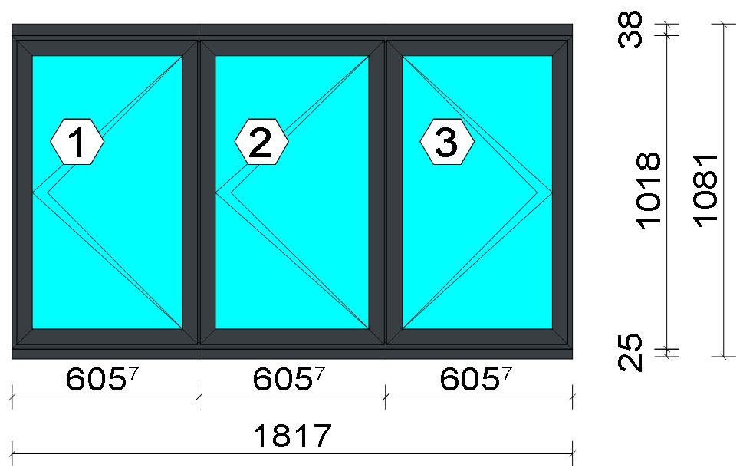 Description |  |  |  |  |  |  |  |  | Finish |  |  | Number |  |  |  |  | Length [mm] |  | Quantity [Pcs.] |  |  |  | Weight [kg] |  |  | Price [£]

150 mm drainage subcill |  |  |  |  |  |  |  |  | Lacado standard P9016B / Lacado standard 7016CM |  |  | 3735 |  |  |  |  | 1,817.0 |  | 1 |  |  |  | 4.18 |  |  | *28.09
Slim sash HI |  |  |  |  |  |  |  |  | Lacado standard P9016B / Lacado standard 7016CM |  |  | 3821 |  |  |  |  | 988.0 |  | 6 |  |  |  | 7.10 |  |  | *49.55
Slim sash HI |  |  |  |  |  |  |  |  | Lacado standard P9016B / Lacado standard 7016CM |  |  | 3821 |  |  |  |  | 586.7 |  | 4 |  |  |  | 2.81 |  |  | *19.62
Slim sash HI |  |  |  |  |  |  |  |  | Lacado standard P9016B / Lacado standard 7016CM |  |  | 3821 |  |  |  |  | 597.7 |  | 2 |  |  |  | 1.43 |  |  | *9.99
Window frame HI |  |  |  |  |  |  |  |  | Lacado standard 7016CM / Lacado standard P9016B |  |  | 3831 |  |  |  |  | 1,018.0 |  | 2 |  |  |  | 2.42 |  |  | *17.33
Window frame HI |  |  |  |  |  |  |  |  | Lacado standard 7016CM / Lacado standard P9016B |  |  | 3831 |  |  |  |  | 1,817.0 |  | 2 |  |  |  | 4.33 |  |  | *30.94

 |  |  |  |  | Logikal 12.6 - ORGADATA AG , Am Nesseufer 14, 26789 Leer, Germany, +49 491 92782-500
 |  |  |  |  |  |  |  |  |  | Page: 12 from 55

 |  |  |  |  | Please check all results for plausibility. We do not take responsibility for any errors.

 | Estimation |  |  |  |  |  |  |  |  |  |  |  |  | Date: |  | 15/10/2026 / 16:34
 |  |  |  |  |  |  |  |  |  |  |  |  |  | Project: |  | Allan Wilsher -Highview

Description |  |  |  |  |  |  |  |  | Finish |  |  | Number |  |  |  |  | Length [mm] |  | Quantity [Pcs.] |  |  |  | Weight [kg] |  |  | Price [£]

Frame extension HI |  |  |  |  |  |  |  |  | Lacado standard P9016B / Lacado standard 7016CM |  |  | 3849 |  |  |  |  | 1,817.0 |  | 1 |  |  |  | 2.70 |  |  | *19.23
Transom 60 mm HI |  |  |  |  |  |  |  |  | Lacado standard 7016CM / Lacado standard P9016B |  |  | 3851 |  |  |  |  | 981.0 |  | 2 |  |  |  | 2.65 |  |  | *18.84
Total: |  |  |  |  |  |  |  |  |  |  |  |  |  |  |  |  |  |  |  |  |  |  | 27.62 |  |  | 193.60
The marked (*) prices include colour/finish.

Glazing Beads
Description |  |  |  |  |  |  |  |  | Finish |  |  | Number |  |  |  |  | Length [mm] |  | Quantity [Pcs.] |  |  |  | Weight [kg] |  |  | Price [£]

Bead 30 mm |  |  |  |  |  |  |  |  | Lacado standard P9016B |  |  | 3810 |  |  |  |  | 888.0 |  | 6 |  |  |  | 1.60 |  |  | *8.34
Bead 30 mm |  |  |  |  |  |  |  |  | Lacado standard P9016B |  |  | 3810 |  |  |  |  | 520.7 |  | 4 |  |  |  | 0.62 |  |  | *3.26
Bead 30 mm |  |  |  |  |  |  |  |  | Lacado standard P9016B |  |  | 3810 |  |  |  |  | 531.7 |  | 2 |  |  |  | 0.32 |  |  | *1.66
Total: |  |  |  |  |  |  |  |  |  |  |  |  |  |  |  |  |  |  |  |  |  |  | 2.54 |  |  | 13.26

Accessories
Description |  |  |  |  |  |  |  |  |  |  |  |  |  |  |  |  |  | Number |  |  | Quantity |  |  |  | Price [£]

Alignment Cleat |  |  |  |  |  |  |  |  |  |  |  |  |  |  |  |  |  | 296839 |  |  | 4 pc |  |  |  | 1.84
Overlapped inner transom cap |  |  |  |  |  |  |  |  |  |  |  |  |  |  |  |  |  | 327970 |  |  | 8 pc |  |  |  | 6.60
Overlapped outer transom cap |  |  |  |  |  |  |  |  |  |  |  |  |  |  |  |  |  | 327971 |  |  | 8 pc |  |  |  | 8.64
Pair of 150mm subcill end caps |  |  |  |  |  |  |  |  |  |  |  |  |  |  |  |  |  | 353797 |  |  | 1 pc |  |  |  | 0.45
Circular shaped pin cleat |  |  |  |  |  |  |  |  |  |  |  |  |  |  |  |  |  | 373802 |  |  | 16 pc |  |  |  | 6.94
Crimping/screw cleat |  |  |  |  |  |  |  |  |  |  |  |  |  |  |  |  |  | 373805 |  |  | 4 pc |  |  |  | 3.50
Screw DIN 965 M4x6 |  |  |  |  |  |  |  |  |  |  |  |  |  |  |  |  |  | 373810 |  |  | 32 pc |  |  |  | 0.54
DIN7981 Ø2,9x13 Screws |  |  |  |  |  |  |  |  |  |  |  |  |  |  |  |  |  | 812913 |  |  | 32 pc |  |  |  | 0.54
DIN7981 Ø4,2x9,5 screws |  |  |  |  |  |  |  |  |  |  |  |  |  |  |  |  |  | 814295 |  |  | 32 pc |  |  |  | 1.09
Drainage cover |  |  |  |  |  |  |  |  |  |  |  |  |  |  |  |  |  | 920100 |  |  | 6 pc |  |  |  | 0.66
Alignment cleat |  |  |  |  |  |  |  |  |  |  |  |  |  |  |  |  |  | 212007 |  |  | 12 pc |  |  |  | 0.82
Wedge for 3x44 mm glass |  |  |  |  |  |  |  |  |  |  |  |  |  |  |  |  |  | 330344 |  |  | 24 pc |  |  |  | 2.45
Crimping/screw cleat |  |  |  |  |  |  |  |  |  |  |  |  |  |  |  |  |  | 373804 |  |  | 12 pc |  |  |  | 8.77
Glazing clip |  |  |  |  |  |  |  |  |  |  |  |  |  |  |  |  |  | 373894 |  |  | 12 pc |  |  |  | 7.34
Screw DIN7981 3,9x13 |  |  |  |  |  |  |  |  |  |  |  |  |  |  |  |  |  | 813913 |  |  | 8 pc |  |  |  | 0.27
Screw DIN7981 Ø3,9x16 / hinge side |  |  |  |  |  |  |  |  |  |  |  |  |  |  |  |  |  | 813916 |  |  | 6 pc |  |  |  | 0.15
Screw DIN7981 Ø3,9x16 |  |  |  |  |  |  |  |  |  |  |  |  |  |  |  |  |  | 813916 |  |  | 8 pc |  |  |  | 0.20
Screws DIN7981 Ø4.2x13 |  |  |  |  |  |  |  |  |  |  |  |  |  |  |  |  |  | 814213 |  |  | 12 pc |  |  |  | 0.20
Screws DIN7981 Ø4,2x16 |  |  |  |  |  |  |  |  |  |  |  |  |  |  |  |  |  | 814216 |  |  | 9 pc |  |  |  | 0.31
ScrewsDIN7981 Ø4,8x13 |  |  |  |  |  |  |  |  |  |  |  |  |  |  |  |  |  | 814813 |  |  | 12 pc |  |  |  | 0.61
Screws DIN7981 Ø4,8x16 |  |  |  |  |  |  |  |  |  |  |  |  |  |  |  |  |  | 814816 |  |  | 12 pc |  |  |  | 0.51
DIN7982 Ø3,5x16 screws |  |  |  |  |  |  |  |  |  |  |  |  |  |  |  |  |  | 823516 |  |  | 48 pc |  |  |  | 0.82
DIN7982 Ø3,9x12,7 screws / hinge side |  |  |  |  |  |  |  |  |  |  |  |  |  |  |  |  |  | 823913 |  |  | 6 pc |  |  |  | 0.36

 |  |  |  |  | Logikal 12.6 - ORGADATA AG , Am Nesseufer 14, 26789 Leer, Germany, +49 491 92782-500
 |  |  |  |  |  |  |  |  |  | Page: 13 from 55

 |  |  |  |  | Please check all results for plausibility. We do not take responsibility for any errors.

 | Estimation |  |  |  |  |  |  |  |  |  |  |  |  | Date: |  | 15/10/2026 / 16:34
 |  |  |  |  |  |  |  |  |  |  |  |  |  | Project: |  | Allan Wilsher -Highview

Description |  |  |  |  |  |  |  |  |  |  |  |  |  |  |  |  |  | Number |  |  | Quantity |  |  |  | Price [£]

Total: |  |  |  |  |  |  |  |  |  |  |  |  |  |  |  |  |  |  |  |  |  |  |  |  | 53.61

Hardware
Description |  |  |  |  |  |  |  |  |  |  |  |  |  |  |  |  |  | Number |  |  | Quantity |  |  |  | Price [£]

Inline espag handle |  |  |  |  |  |  |  |  |  |  |  |  |  |  |  |  |  | 373811 |  |  | 2 pc |  |  |  | 4.71
Casement keep |  |  |  |  |  |  |  |  |  |  |  |  |  |  |  |  |  | 373850 |  |  | 6 pc |  |  |  | 4.95
Espagnolette lock 850 mm RH |  |  |  |  |  |  |  |  |  |  |  |  |  |  |  |  |  | 373858 |  |  | 2 pc |  |  |  | 15.42
Sash seal 14 mm / hinge side |  |  |  |  |  |  |  |  |  |  |  |  |  |  |  |  |  | 373886 |  |  | 3 pc |  |  |  | 0.77
Sash seal 14 mm |  |  |  |  |  |  |  |  |  |  |  |  |  |  |  |  |  | 373886 |  |  | 4 pc |  |  |  | 1.02
Run up block |  |  |  |  |  |  |  |  |  |  |  |  |  |  |  |  |  | 373890 |  |  | 12 pc |  |  |  | 4.69
Hinge protector 14 mm |  |  |  |  |  |  |  |  |  |  |  |  |  |  |  |  |  | 373892 |  |  | 6 pc |  |  |  | 3.16
Pair of extreme friction stay side hung 16 |  |  |  |  |  |  |  |  |  |  |  |  |  |  |  |  |  | 423871 |  |  | 2 pc |  |  |  | 24.14
Inline espag handle |  |  |  |  |  |  |  |  |  |  |  |  |  |  |  |  |  | 373817 |  |  | 1 pc |  |  |  | 3.22
Pair of standard friction stay side hung 16 |  |  |  |  |  |  |  |  |  |  |  |  |  |  |  |  |  | 373871 |  |  | 1 pc |  |  |  | 5.53
Espagnolette lock 850 mm LH |  |  |  |  |  |  |  |  |  |  |  |  |  |  |  |  |  | 373857 |  |  | 1 pc |  |  |  | 7.71
Total: |  |  |  |  |  |  |  |  |  |  |  |  |  |  |  |  |  |  |  |  |  |  |  |  | 75.32

Gaskets
Description |  |  |  |  |  |  |  |  |  |  |  |  |  |  |  |  |  | Number |  |  | Quantity [m] |  |  |  | Price [£]

Glazing outer gasket 3,6 mm |  |  |  |  |  |  |  |  |  |  |  |  |  |  |  |  |  | 240124 |  |  | 8.52 |  |  |  | 3.11
Glazing inner gasket 4 mm |  |  |  |  |  |  |  |  |  |  |  |  |  |  |  |  |  | 240135 |  |  | 8.52 |  |  |  | 4.34
Insulating foam of 30 mm x 5 mm |  |  |  |  |  |  |  |  |  |  |  |  |  |  |  |  |  | 320024 |  |  | 8.94 |  |  |  | 2.43
Outer frame gasket |  |  |  |  |  |  |  |  |  |  |  |  |  |  |  |  |  | 373801 |  |  | 19.51 |  |  |  | 3.98
Total: |  |  |  |  |  |  |  |  |  |  |  |  |  |  |  |  |  |  |  |  |  |  |  |  | 13.87

Glass
Description |  |  |  |  |  |  |  |  |  |  |  |  | Area [m²] |  |  |  |  | Dimension [mm] |  |  | Quantity [Pcs.] |  |  |  | Price [£]

4mm DG TGH STD, 28 mm |  |  |  |  |  |  |  |  |  |  |  |  | 0.47 (0.48) |  |  |  |  | 511 x 912 |  |  | 2 |  |  |  | 49.56
4mm DG TGH STD, 28 mm |  |  |  |  |  |  |  |  |  |  |  |  | 0.48 (0.49) |  |  |  |  | 522 x 912 |  |  | 1 |  |  |  | 25.26
Total: |  |  |  |  |  |  |  |  |  |  |  |  | 1.41 (1.44) |  |  |  |  |  |  |  | 3 |  |  |  | 74.82

Finish

Description |  |  |  |  |  |  |  |  |  |  | Price [£/m²] |  |  |  |  |  |  | Quantity [m²] |  |  |  |  |  | Total [£]

 |  |  |  |  |  |  |  | Lacado standard 7016CM |  |  | 2.19 |  |  |  |  |  |  | 5.805 |  |  |  |  |  | 12.71
 |  |  |  |  |  |  |  | Lacado standard P9016B |  |  | 2.19 |  |  |  |  |  |  | 5.625 |  |  |  |  |  | 12.32
Total |  |  |  |  |  |  |  |  |  |  |  |  |  |  |  |  |  | 11.430 |  |  |  |  |  | 25.03

Summary
Description |  |  |  |  |  |  |  |  |  |  |  |  |  |  |  |  |  |  |  |  |  | [£]
Profiles incl. Coating |  |  |  |  |  |  |  |  |  |  |  |  |  |  |  |  |  |  |  |  |  | 206.85
Finish |  |  |  |  |  |  |  |  |  |  |  |  |  |  |  |  |  |  |  |  |  | 25.03
Accessories |  |  |  |  |  |  |  |  |  |  |  |  |  |  |  |  |  |  |  |  |  | 53.61
Hardware |  |  |  |  |  |  |  |  |  |  |  |  |  |  |  |  |  |  |  |  |  | 75.32
Gaskets |  |  |  |  |  |  |  |  |  |  |  |  |  |  |  |  |  |  |  |  |  | 13.87
Small materials |  |  |  |  |  |  |  |  |  |  |  |  |  |  |  |  |  |  |  |  |  | 0.00
Total Material |  |  |  |  |  |  |  |  |  |  |  |  |  |  |  |  |  |  |  |  |  | 374.68

Glass |  |  |  |  |  |  |  |  |  |  |  |  |  |  |  |  |  |  |  |  |  | 74.82
Insertion Costs Glass |  |  |  |  |  |  |  |  |  |  |  |  |  |  |  |  |  |  |  |  |  | 0.00

 |  |  |  |  | Logikal 12.6 - ORGADATA AG , Am Nesseufer 14, 26789 Leer, Germany, +49 491 92782-500
 |  |  |  |  |  |  |  |  |  | Page: 14 from 55

 |  |  |  |  | Please check all results for plausibility. We do not take responsibility for any errors.

 | Estimation |  |  |  |  |  |  |  |  |  |  |  |  | Date: |  | 15/10/2026 / 16:34
 |  |  |  |  |  |  |  |  |  |  |  |  |  | Project: |  | Allan Wilsher -Highview

Insertion Costs Panel |  |  |  |  |  |  |  |  |  |  |  |  |  |  |  |  |  |  |  |  |  | 0.00
Total Glass |  |  |  |  |  |  |  |  |  |  |  |  |  |  |  |  |  |  |  |  |  | 74.82

Outer frame corner |  |  |  |  |  |  |  |  |  |  |  |  |  |  | 60 min @ 15.00 £/h |  |  |  |  |  |  | 15.00
Sash Corners |  |  |  |  |  |  |  |  |  |  |  |  |  |  | 384 min @ 15.00 £/h |  |  |  |  |  |  | 96.00
Cill Manufacture |  |  |  |  |  |  |  |  |  |  |  |  |  |  | 20 min @ 15.00 £/h |  |  |  |  |  |  | 5.00
T-Junction |  |  |  |  |  |  |  |  |  |  |  |  |  |  | 140 min @ 15.00 £/h |  |  |  |  |  |  | 35.00
Frame extension |  |  |  |  |  |  |  |  |  |  |  |  |  |  | 20 min @ 15.00 £/h |  |  |  |  |  |  | 5.00
Installation |  |  |  |  |  |  |  |  |  |  |  |  |  |  | 0 min @ 0.00 £/h |  |  |  |  |  |  | 0.00
Total Wages |  |  |  |  |  |  |  |  |  |  |  |  |  |  |  |  |  |  |  |  |  | 156.00

Extra costs |  |  |  |  |  |  |  |  |  |  |  |  |  |  |  |  |  |  |  |  |  | 0.00
Net Total |  |  |  |  |  |  |  |  |  |  |  |  |  |  |  |  |  |  |  |  |  | 605.50

Total Costs |  |  |  |  |  |  |  |  |  |  |  |  |  |  |  |  |  |  |  |  |  | 605.50

Profit on material |  |  |  |  |  |  |  |  |  |  |  |  |  |  | 0.0 % |  |  |  |  |  |  | 0.00
Profit on glass purchase |  |  |  |  |  |  |  |  |  |  |  |  |  |  | 0.0 % |  |  |  |  |  |  | 0.00
Profit on wages |  |  |  |  |  |  |  |  |  |  |  |  |  |  | 0.0 % |  |  |  |  |  |  | 0.00
Profit on other costs |  |  |  |  |  |  |  |  |  |  |  |  |  |  | 0.0 % |  |  |  |  |  |  | 0.00
Estimated price |  |  |  |  |  |  |  |  |  |  |  |  |  |  |  |  |  |  |  |  |  | 605.50

Position area: |  |  |  |  |  |  |  |  |  |  |  |  |  |  |  |  |  |  |  |  |  | 1.98 m²
Estimated price / m² |  |  |  |  |  |  |  |  |  |  |  |  |  |  |  |  |  |  |  |  |  | 306.27 £
Weight / Profiles |  |  |  |  |  |  |  |  |  |  |  |  |  |  |  |  |  |  |  |  |  | 32.38 kg
Weight / Glass |  |  |  |  |  |  |  |  |  |  |  |  |  |  |  |  |  |  |  |  |  | 28.15 kg
Weight for estimation |  |  |  |  |  |  |  |  |  |  |  |  |  |  |  |  |  |  |  |  |  | 60.53 kg

 |  |  |  |  | Logikal 12.6 - ORGADATA AG , Am Nesseufer 14, 26789 Leer, Germany, +49 491 92782-500
 |  |  |  |  |  |  |  |  |  | Page: 15 from 55

 |  |  |  |  | Please check all results for plausibility. We do not take responsibility for any errors.

 | Estimation |  |  |  |  |  |  |  |  |  |  |  |  | Date: |  | 15/10/2026 / 16:34
 |  |  |  |  |  |  |  |  |  |  |  |  |  | Project: |  | Allan Wilsher -Highview

 |  |  |  |  |  |  |  |  |  |  |  |  |  |  | Person in charge: Estimation data: Directory: |  |  |  |  | Bev Smith Binns <STANDARD> QUOTES\A\

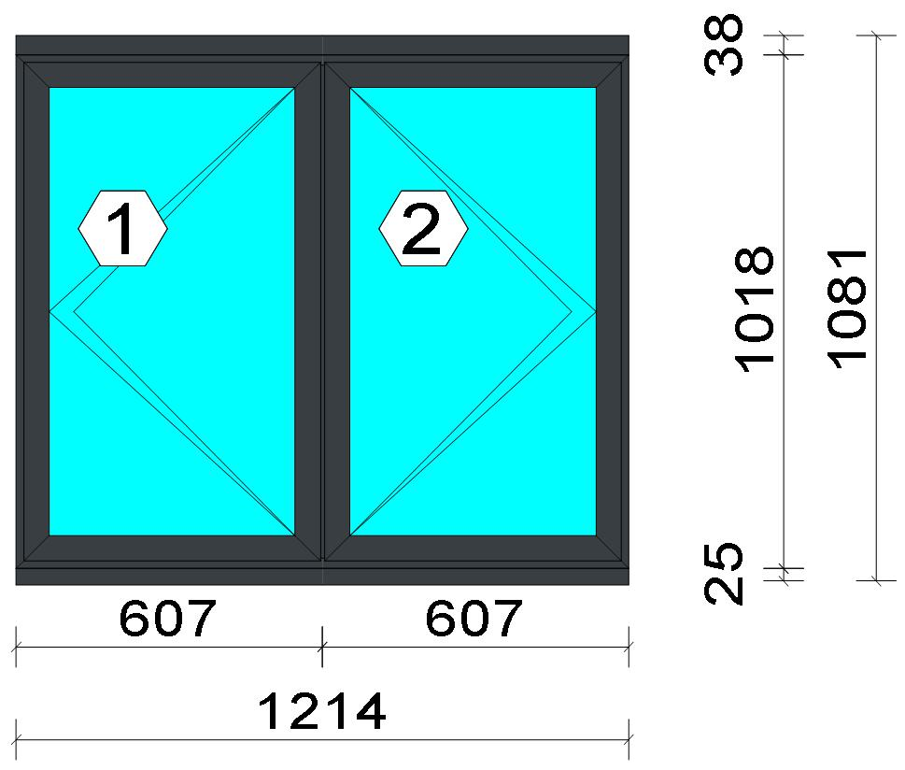
 |  |  |  |  |  |  |  |  |  |  |  |  |  |  | Position: Frame 05 Quantity: 1 pcs System: Cortizo CASEMENT Hi Standard Dry Size: 1,214 mm x 1,081 mm Scale: 1: 21 / Exterior view Finish: Inside: Lacado standard P9016B Lacado standard Outside: Lacado standard 7016CM Anthracite grey Lacado standard
Stated quantities refer to one position each.
Profiles
Description |  |  |  |  |  |  |  |  | Finish |  |  | Number |  |  |  |  | Length [mm] |  | Quantity [Pcs.] |  |  |  | Weight [kg] |  |  | Price [£]

150 mm drainage subcill |  |  |  |  |  |  |  |  | Lacado standard P9016B / Lacado standard 7016CM |  |  | 3735 |  |  |  |  | 1,214.0 |  | 1 |  |  |  | 2.80 |  |  | *18.76
Slim sash HI |  |  |  |  |  |  |  |  | Lacado standard P9016B / Lacado standard 7016CM |  |  | 3821 |  |  |  |  | 988.0 |  | 4 |  |  |  | 4.73 |  |  | *33.04
Slim sash HI |  |  |  |  |  |  |  |  | Lacado standard P9016B / Lacado standard 7016CM |  |  | 3821 |  |  |  |  | 588.0 |  | 4 |  |  |  | 2.82 |  |  | *19.66
Window frame HI |  |  |  |  |  |  |  |  | Lacado standard 7016CM / Lacado standard P9016B |  |  | 3831 |  |  |  |  | 1,018.0 |  | 2 |  |  |  | 2.42 |  |  | *17.33
Window frame HI |  |  |  |  |  |  |  |  | Lacado standard 7016CM / Lacado standard P9016B |  |  | 3831 |  |  |  |  | 1,214.0 |  | 2 |  |  |  | 2.89 |  |  | *20.67
Frame extension HI |  |  |  |  |  |  |  |  | Lacado standard P9016B / Lacado standard 7016CM |  |  | 3849 |  |  |  |  | 1,214.0 |  | 1 |  |  |  | 1.80 |  |  | *12.85

 |  |  |  |  | Logikal 12.6 - ORGADATA AG , Am Nesseufer 14, 26789 Leer, Germany, +49 491 92782-500
 |  |  |  |  |  |  |  |  |  | Page: 16 from 55

 |  |  |  |  | Please check all results for plausibility. We do not take responsibility for any errors.

 | Estimation |  |  |  |  |  |  |  |  |  |  |  |  | Date: |  | 15/10/2026 / 16:34
 |  |  |  |  |  |  |  |  |  |  |  |  |  | Project: |  | Allan Wilsher -Highview

Description |  |  |  |  |  |  |  |  | Finish |  |  | Number |  |  |  |  | Length [mm] |  | Quantity [Pcs.] |  |  |  | Weight [kg] |  |  | Price [£]

Transom 60 mm HI |  |  |  |  |  |  |  |  | Lacado standard 7016CM / Lacado standard P9016B |  |  | 3851 |  |  |  |  | 981.0 |  | 1 |  |  |  | 1.33 |  |  | *9.42
Total: |  |  |  |  |  |  |  |  |  |  |  |  |  |  |  |  |  |  |  |  |  |  | 18.79 |  |  | 131.74
The marked (*) prices include colour/finish.

Glazing Beads
Description |  |  |  |  |  |  |  |  | Finish |  |  | Number |  |  |  |  | Length [mm] |  | Quantity [Pcs.] |  |  |  | Weight [kg] |  |  | Price [£]

Bead 30 mm |  |  |  |  |  |  |  |  | Lacado standard P9016B |  |  | 3810 |  |  |  |  | 888.0 |  | 4 |  |  |  | 1.07 |  |  | *5.56
Bead 30 mm |  |  |  |  |  |  |  |  | Lacado standard P9016B |  |  | 3810 |  |  |  |  | 522.0 |  | 4 |  |  |  | 0.63 |  |  | *3.27
Total: |  |  |  |  |  |  |  |  |  |  |  |  |  |  |  |  |  |  |  |  |  |  | 1.69 |  |  | 8.82

Accessories
Description |  |  |  |  |  |  |  |  |  |  |  |  |  |  |  |  |  | Number |  |  | Quantity |  |  |  | Price [£]

Alignment Cleat |  |  |  |  |  |  |  |  |  |  |  |  |  |  |  |  |  | 296839 |  |  | 4 pc |  |  |  | 1.84
Overlapped inner transom cap |  |  |  |  |  |  |  |  |  |  |  |  |  |  |  |  |  | 327970 |  |  | 4 pc |  |  |  | 3.30
Overlapped outer transom cap |  |  |  |  |  |  |  |  |  |  |  |  |  |  |  |  |  | 327971 |  |  | 4 pc |  |  |  | 4.32
Pair of 150mm subcill end caps |  |  |  |  |  |  |  |  |  |  |  |  |  |  |  |  |  | 353797 |  |  | 1 pc |  |  |  | 0.45
Circular shaped pin cleat |  |  |  |  |  |  |  |  |  |  |  |  |  |  |  |  |  | 373802 |  |  | 12 pc |  |  |  | 5.20
Crimping/screw cleat |  |  |  |  |  |  |  |  |  |  |  |  |  |  |  |  |  | 373805 |  |  | 4 pc |  |  |  | 3.50
Screw DIN 965 M4x6 |  |  |  |  |  |  |  |  |  |  |  |  |  |  |  |  |  | 373810 |  |  | 24 pc |  |  |  | 0.41
DIN7981 Ø2,9x13 Screws |  |  |  |  |  |  |  |  |  |  |  |  |  |  |  |  |  | 812913 |  |  | 16 pc |  |  |  | 0.27
DIN7981 Ø4,2x9,5 screws |  |  |  |  |  |  |  |  |  |  |  |  |  |  |  |  |  | 814295 |  |  | 16 pc |  |  |  | 0.54
Drainage cover |  |  |  |  |  |  |  |  |  |  |  |  |  |  |  |  |  | 920100 |  |  | 4 pc |  |  |  | 0.44
Alignment cleat |  |  |  |  |  |  |  |  |  |  |  |  |  |  |  |  |  | 212007 |  |  | 8 pc |  |  |  | 0.54
Wedge for 3x44 mm glass |  |  |  |  |  |  |  |  |  |  |  |  |  |  |  |  |  | 330344 |  |  | 16 pc |  |  |  | 1.63
Crimping/screw cleat |  |  |  |  |  |  |  |  |  |  |  |  |  |  |  |  |  | 373804 |  |  | 8 pc |  |  |  | 5.85
Screw DIN7981 3,9x13 |  |  |  |  |  |  |  |  |  |  |  |  |  |  |  |  |  | 813913 |  |  | 8 pc |  |  |  | 0.27
Screw DIN7981 Ø3,9x16 / hinge side |  |  |  |  |  |  |  |  |  |  |  |  |  |  |  |  |  | 813916 |  |  | 4 pc |  |  |  | 0.10
Screw DIN7981 Ø3,9x16 |  |  |  |  |  |  |  |  |  |  |  |  |  |  |  |  |  | 813916 |  |  | 8 pc |  |  |  | 0.20
Screws DIN7981 Ø4.2x13 |  |  |  |  |  |  |  |  |  |  |  |  |  |  |  |  |  | 814213 |  |  | 8 pc |  |  |  | 0.14
Screws DIN7981 Ø4,2x16 |  |  |  |  |  |  |  |  |  |  |  |  |  |  |  |  |  | 814216 |  |  | 6 pc |  |  |  | 0.20
DIN7982 Ø3,5x16 screws |  |  |  |  |  |  |  |  |  |  |  |  |  |  |  |  |  | 823516 |  |  | 4 pc |  |  |  | 0.07
DIN7982 Ø3,9x12,7 screws / hinge side |  |  |  |  |  |  |  |  |  |  |  |  |  |  |  |  |  | 823913 |  |  | 4 pc |  |  |  | 0.24
Total: |  |  |  |  |  |  |  |  |  |  |  |  |  |  |  |  |  |  |  |  |  |  |  |  | 29.52

Hardware
Description |  |  |  |  |  |  |  |  |  |  |  |  |  |  |  |  |  | Number |  |  | Quantity |  |  |  | Price [£]

Inline espag handle |  |  |  |  |  |  |  |  |  |  |  |  |  |  |  |  |  | 373812 |  |  | 2 pc |  |  |  | 5.76
Casement keep |  |  |  |  |  |  |  |  |  |  |  |  |  |  |  |  |  | 373850 |  |  | 4 pc |  |  |  | 3.30
Espagnolette lock 850 mm RH |  |  |  |  |  |  |  |  |  |  |  |  |  |  |  |  |  | 373858 |  |  | 1 pc |  |  |  | 7.71
Sash seal 14 mm / hinge side |  |  |  |  |  |  |  |  |  |  |  |  |  |  |  |  |  | 373886 |  |  | 2 pc |  |  |  | 0.51
Sash seal 14 mm |  |  |  |  |  |  |  |  |  |  |  |  |  |  |  |  |  | 373886 |  |  | 4 pc |  |  |  | 1.02
Run up block |  |  |  |  |  |  |  |  |  |  |  |  |  |  |  |  |  | 373890 |  |  | 2 pc |  |  |  | 0.78

 |  |  |  |  | Logikal 12.6 - ORGADATA AG , Am Nesseufer 14, 26789 Leer, Germany, +49 491 92782-500
 |  |  |  |  |  |  |  |  |  | Page: 17 from 55

 |  |  |  |  | Please check all results for plausibility. We do not take responsibility for any errors.

 | Estimation |  |  |  |  |  |  |  |  |  |  |  |  | Date: |  | 15/10/2026 / 16:34
 |  |  |  |  |  |  |  |  |  |  |  |  |  | Project: |  | Allan Wilsher -Highview

Description |  |  |  |  |  |  |  |  |  |  |  |  |  |  |  |  |  | Number |  |  | Quantity |  |  |  | Price [£]

Pair of extreme friction stay side hung 12 |  |  |  |  |  |  |  |  |  |  |  |  |  |  |  |  |  | 423870 |  |  | 1 pc |  |  |  | 9.67
Espagnolette lock 850 mm LH |  |  |  |  |  |  |  |  |  |  |  |  |  |  |  |  |  | 373857 |  |  | 1 pc |  |  |  | 7.71
Pair of extreme friction stay side hung 16 |  |  |  |  |  |  |  |  |  |  |  |  |  |  |  |  |  | 423871 |  |  | 1 pc |  |  |  | 12.07
Total: |  |  |  |  |  |  |  |  |  |  |  |  |  |  |  |  |  |  |  |  |  |  |  |  | 48.53

Gaskets
Description |  |  |  |  |  |  |  |  |  |  |  |  |  |  |  |  |  | Number |  |  | Quantity [m] |  |  |  | Price [£]

Glazing outer gasket 3,6 mm |  |  |  |  |  |  |  |  |  |  |  |  |  |  |  |  |  | 240124 |  |  | 5.67 |  |  |  | 2.07
Glazing inner gasket 4 mm |  |  |  |  |  |  |  |  |  |  |  |  |  |  |  |  |  | 240135 |  |  | 5.67 |  |  |  | 2.89
Insulating foam of 30 mm x 5 mm |  |  |  |  |  |  |  |  |  |  |  |  |  |  |  |  |  | 320024 |  |  | 5.95 |  |  |  | 1.62
Outer frame gasket |  |  |  |  |  |  |  |  |  |  |  |  |  |  |  |  |  | 373801 |  |  | 12.99 |  |  |  | 2.65
Total: |  |  |  |  |  |  |  |  |  |  |  |  |  |  |  |  |  |  |  |  |  |  |  |  | 9.23

Glass
Description |  |  |  |  |  |  |  |  |  |  |  |  | Area [m²] |  |  |  |  | Dimension [mm] |  |  | Quantity [Pcs.] |  |  |  | Price [£]

4mm DG TGH STD, 28 mm |  |  |  |  |  |  |  |  |  |  |  |  | 0.47 (0.48) |  |  |  |  | 512 x 912 |  |  | 2 |  |  |  | 49.56
Total: |  |  |  |  |  |  |  |  |  |  |  |  | 0.93 (0.96) |  |  |  |  |  |  |  | 2 |  |  |  | 49.56

Finish

Description |  |  |  |  |  |  |  |  |  |  | Price [£/m²] |  |  |  |  |  |  | Quantity [m²] |  |  |  |  |  | Total [£]

 |  |  |  |  |  |  |  | Lacado standard 7016CM |  |  | 2.19 |  |  |  |  |  |  | 3.934 |  |  |  |  |  | 8.62
 |  |  |  |  |  |  |  | Lacado standard P9016B |  |  | 2.19 |  |  |  |  |  |  | 3.806 |  |  |  |  |  | 8.34
Total |  |  |  |  |  |  |  |  |  |  |  |  |  |  |  |  |  | 7.741 |  |  |  |  |  | 16.95

Summary
Description |  |  |  |  |  |  |  |  |  |  |  |  |  |  |  |  |  |  |  |  |  | [£]
Profiles incl. Coating |  |  |  |  |  |  |  |  |  |  |  |  |  |  |  |  |  |  |  |  |  | 140.56
Finish |  |  |  |  |  |  |  |  |  |  |  |  |  |  |  |  |  |  |  |  |  | 16.95
Accessories |  |  |  |  |  |  |  |  |  |  |  |  |  |  |  |  |  |  |  |  |  | 29.52
Hardware |  |  |  |  |  |  |  |  |  |  |  |  |  |  |  |  |  |  |  |  |  | 48.53
Gaskets |  |  |  |  |  |  |  |  |  |  |  |  |  |  |  |  |  |  |  |  |  | 9.23
Small materials |  |  |  |  |  |  |  |  |  |  |  |  |  |  |  |  |  |  |  |  |  | 0.00
Total Material |  |  |  |  |  |  |  |  |  |  |  |  |  |  |  |  |  |  |  |  |  | 244.79

Glass |  |  |  |  |  |  |  |  |  |  |  |  |  |  |  |  |  |  |  |  |  | 49.56
Insertion Costs Glass |  |  |  |  |  |  |  |  |  |  |  |  |  |  |  |  |  |  |  |  |  | 0.00
Insertion Costs Panel |  |  |  |  |  |  |  |  |  |  |  |  |  |  |  |  |  |  |  |  |  | 0.00
Total Glass |  |  |  |  |  |  |  |  |  |  |  |  |  |  |  |  |  |  |  |  |  | 49.56

Outer frame corner |  |  |  |  |  |  |  |  |  |  |  |  |  |  | 60 min @ 15.00 £/h |  |  |  |  |  |  | 15.00
Sash Corners |  |  |  |  |  |  |  |  |  |  |  |  |  |  | 256 min @ 15.00 £/h |  |  |  |  |  |  | 64.00
Cill Manufacture |  |  |  |  |  |  |  |  |  |  |  |  |  |  | 20 min @ 15.00 £/h |  |  |  |  |  |  | 5.00
T-Junction |  |  |  |  |  |  |  |  |  |  |  |  |  |  | 70 min @ 15.00 £/h |  |  |  |  |  |  | 17.50
Frame extension |  |  |  |  |  |  |  |  |  |  |  |  |  |  | 20 min @ 15.00 £/h |  |  |  |  |  |  | 5.00
Installation |  |  |  |  |  |  |  |  |  |  |  |  |  |  | 0 min @ 0.00 £/h |  |  |  |  |  |  | 0.00
Total Wages |  |  |  |  |  |  |  |  |  |  |  |  |  |  |  |  |  |  |  |  |  | 106.50

Extra costs |  |  |  |  |  |  |  |  |  |  |  |  |  |  |  |  |  |  |  |  |  | 0.00
Net Total |  |  |  |  |  |  |  |  |  |  |  |  |  |  |  |  |  |  |  |  |  | 400.85

Total Costs |  |  |  |  |  |  |  |  |  |  |  |  |  |  |  |  |  |  |  |  |  | 400.85

 |  |  |  |  | Logikal 12.6 - ORGADATA AG , Am Nesseufer 14, 26789 Leer, Germany, +49 491 92782-500
 |  |  |  |  |  |  |  |  |  | Page: 18 from 55

 |  |  |  |  | Please check all results for plausibility. We do not take responsibility for any errors.

 | Estimation |  |  |  |  |  |  |  |  |  |  |  |  | Date: |  | 15/10/2026 / 16:34
 |  |  |  |  |  |  |  |  |  |  |  |  |  | Project: |  | Allan Wilsher -Highview

Profit on material |  |  |  |  |  |  |  |  |  |  |  |  |  |  | 0.0 % |  |  |  |  |  |  | 0.00
Profit on glass purchase |  |  |  |  |  |  |  |  |  |  |  |  |  |  | 0.0 % |  |  |  |  |  |  | 0.00
Profit on wages |  |  |  |  |  |  |  |  |  |  |  |  |  |  | 0.0 % |  |  |  |  |  |  | 0.00
Profit on other costs |  |  |  |  |  |  |  |  |  |  |  |  |  |  | 0.0 % |  |  |  |  |  |  | 0.00
Estimated price |  |  |  |  |  |  |  |  |  |  |  |  |  |  |  |  |  |  |  |  |  | 400.85

Position area: |  |  |  |  |  |  |  |  |  |  |  |  |  |  |  |  |  |  |  |  |  | 1.32 m²
Estimated price / m² |  |  |  |  |  |  |  |  |  |  |  |  |  |  |  |  |  |  |  |  |  | 303.44 £
Weight / Profiles |  |  |  |  |  |  |  |  |  |  |  |  |  |  |  |  |  |  |  |  |  | 21.95 kg
Weight / Glass |  |  |  |  |  |  |  |  |  |  |  |  |  |  |  |  |  |  |  |  |  | 18.68 kg
Weight for estimation |  |  |  |  |  |  |  |  |  |  |  |  |  |  |  |  |  |  |  |  |  | 40.63 kg

 |  |  |  |  | Logikal 12.6 - ORGADATA AG , Am Nesseufer 14, 26789 Leer, Germany, +49 491 92782-500
 |  |  |  |  |  |  |  |  |  | Page: 19 from 55

 |  |  |  |  | Please check all results for plausibility. We do not take responsibility for any errors.

 | Estimation |  |  |  |  |  |  |  |  |  |  |  |  | Date: |  | 15/10/2026 / 16:34
 |  |  |  |  |  |  |  |  |  |  |  |  |  | Project: |  | Allan Wilsher -Highview

 |  |  |  |  |  |  |  |  |  |  |  |  |  |  | Person in charge: Estimation data: Directory: |  |  |  |  | Bev Smith Binns <STANDARD> QUOTES\A\

 |  |  |  |  |  |  |  |  |  |  |  |  |  |  | Position: f6 Quantity: 1 pcs System: Cortizo CASEMENT Hi PAS 24 Dry Size: 1,817 mm x 1,081 mm Scale: 1: 29 / Exterior view Finish: Inside: Lacado standard P9016B Lacado standard Outside: Lacado standard 7016CM Anthracite grey Lacado standard
Stated quantities refer to one position each.
Profiles
Description |  |  |  |  |  |  |  |  | Finish |  |  | Number |  |  |  |  | Length [mm] |  | Quantity [Pcs.] |  |  |  | Weight [kg] |  |  | Price [£]

150 mm drainage subcill |  |  |  |  |  |  |  |  | Lacado standard P9016B / Lacado standard 7016CM |  |  | 3735 |  |  |  |  | 1,817.0 |  | 1 |  |  |  | 4.18 |  |  | *28.09
Slim sash HI |  |  |  |  |  |  |  |  | Lacado standard P9016B / Lacado standard 7016CM |  |  | 3821 |  |  |  |  | 988.0 |  | 6 |  |  |  | 7.10 |  |  | *49.55
Slim sash HI |  |  |  |  |  |  |  |  | Lacado standard P9016B / Lacado standard 7016CM |  |  | 3821 |  |  |  |  | 586.7 |  | 4 |  |  |  | 2.81 |  |  | *19.62
Slim sash HI |  |  |  |  |  |  |  |  | Lacado standard P9016B / Lacado standard 7016CM |  |  | 3821 |  |  |  |  | 597.7 |  | 2 |  |  |  | 1.43 |  |  | *9.99
Window frame HI |  |  |  |  |  |  |  |  | Lacado standard 7016CM / Lacado standard P9016B |  |  | 3831 |  |  |  |  | 1,018.0 |  | 2 |  |  |  | 2.42 |  |  | *17.33
Window frame HI |  |  |  |  |  |  |  |  | Lacado standard 7016CM / Lacado standard P9016B |  |  | 3831 |  |  |  |  | 1,817.0 |  | 2 |  |  |  | 4.33 |  |  | *30.94

 |  |  |  |  | Logikal 12.6 - ORGADATA AG , Am Nesseufer 14, 26789 Leer, Germany, +49 491 92782-500
 |  |  |  |  |  |  |  |  |  | Page: 20 from 55

 |  |  |  |  | Please check all results for plausibility. We do not take responsibility for any errors.

 | Estimation |  |  |  |  |  |  |  |  |  |  |  |  | Date: |  | 15/10/2026 / 16:34
 |  |  |  |  |  |  |  |  |  |  |  |  |  | Project: |  | Allan Wilsher -Highview

Description |  |  |  |  |  |  |  |  | Finish |  |  | Number |  |  |  |  | Length [mm] |  | Quantity [Pcs.] |  |  |  | Weight [kg] |  |  | Price [£]

Frame extension HI |  |  |  |  |  |  |  |  | Lacado standard P9016B / Lacado standard 7016CM |  |  | 3849 |  |  |  |  | 1,817.0 |  | 1 |  |  |  | 2.70 |  |  | *19.23
Transom 60 mm HI |  |  |  |  |  |  |  |  | Lacado standard 7016CM / Lacado standard P9016B |  |  | 3851 |  |  |  |  | 981.0 |  | 2 |  |  |  | 2.65 |  |  | *18.84
Total: |  |  |  |  |  |  |  |  |  |  |  |  |  |  |  |  |  |  |  |  |  |  | 27.62 |  |  | 193.60
The marked (*) prices include colour/finish.

Glazing Beads
Description |  |  |  |  |  |  |  |  | Finish |  |  | Number |  |  |  |  | Length [mm] |  | Quantity [Pcs.] |  |  |  | Weight [kg] |  |  | Price [£]

Bead 30 mm |  |  |  |  |  |  |  |  | Lacado standard P9016B |  |  | 3810 |  |  |  |  | 888.0 |  | 6 |  |  |  | 1.60 |  |  | *8.34
Bead 30 mm |  |  |  |  |  |  |  |  | Lacado standard P9016B |  |  | 3810 |  |  |  |  | 520.7 |  | 4 |  |  |  | 0.62 |  |  | *3.26
Bead 30 mm |  |  |  |  |  |  |  |  | Lacado standard P9016B |  |  | 3810 |  |  |  |  | 531.7 |  | 2 |  |  |  | 0.32 |  |  | *1.66
Total: |  |  |  |  |  |  |  |  |  |  |  |  |  |  |  |  |  |  |  |  |  |  | 2.54 |  |  | 13.26

Accessories
Description |  |  |  |  |  |  |  |  |  |  |  |  |  |  |  |  |  | Number |  |  | Quantity |  |  |  | Price [£]

Alignment Cleat |  |  |  |  |  |  |  |  |  |  |  |  |  |  |  |  |  | 296839 |  |  | 4 pc |  |  |  | 1.84
Overlapped inner transom cap |  |  |  |  |  |  |  |  |  |  |  |  |  |  |  |  |  | 327970 |  |  | 8 pc |  |  |  | 6.60
Overlapped outer transom cap |  |  |  |  |  |  |  |  |  |  |  |  |  |  |  |  |  | 327971 |  |  | 8 pc |  |  |  | 8.64
Pair of 150mm subcill end caps |  |  |  |  |  |  |  |  |  |  |  |  |  |  |  |  |  | 353797 |  |  | 1 pc |  |  |  | 0.45
Circular shaped pin cleat |  |  |  |  |  |  |  |  |  |  |  |  |  |  |  |  |  | 373802 |  |  | 16 pc |  |  |  | 6.94
Crimping/screw cleat |  |  |  |  |  |  |  |  |  |  |  |  |  |  |  |  |  | 373805 |  |  | 4 pc |  |  |  | 3.50
Screw DIN 965 M4x6 |  |  |  |  |  |  |  |  |  |  |  |  |  |  |  |  |  | 373810 |  |  | 32 pc |  |  |  | 0.54
DIN7981 Ø2,9x13 Screws |  |  |  |  |  |  |  |  |  |  |  |  |  |  |  |  |  | 812913 |  |  | 32 pc |  |  |  | 0.54
DIN7981 Ø4,2x9,5 screws |  |  |  |  |  |  |  |  |  |  |  |  |  |  |  |  |  | 814295 |  |  | 32 pc |  |  |  | 1.09
Drainage cover |  |  |  |  |  |  |  |  |  |  |  |  |  |  |  |  |  | 920100 |  |  | 6 pc |  |  |  | 0.66
Alignment cleat |  |  |  |  |  |  |  |  |  |  |  |  |  |  |  |  |  | 212007 |  |  | 12 pc |  |  |  | 0.82
Wedge for 3x44 mm glass |  |  |  |  |  |  |  |  |  |  |  |  |  |  |  |  |  | 330344 |  |  | 24 pc |  |  |  | 2.45
Crimping/screw cleat |  |  |  |  |  |  |  |  |  |  |  |  |  |  |  |  |  | 373804 |  |  | 12 pc |  |  |  | 8.77
Glazing clip |  |  |  |  |  |  |  |  |  |  |  |  |  |  |  |  |  | 373894 |  |  | 12 pc |  |  |  | 7.34
Screw DIN7981 3,9x13 |  |  |  |  |  |  |  |  |  |  |  |  |  |  |  |  |  | 813913 |  |  | 8 pc |  |  |  | 0.27
Screw DIN7981 Ø3,9x16 / hinge side |  |  |  |  |  |  |  |  |  |  |  |  |  |  |  |  |  | 813916 |  |  | 6 pc |  |  |  | 0.15
Screw DIN7981 Ø3,9x16 |  |  |  |  |  |  |  |  |  |  |  |  |  |  |  |  |  | 813916 |  |  | 8 pc |  |  |  | 0.20
Screws DIN7981 Ø4.2x13 |  |  |  |  |  |  |  |  |  |  |  |  |  |  |  |  |  | 814213 |  |  | 12 pc |  |  |  | 0.20
Screws DIN7981 Ø4,2x16 |  |  |  |  |  |  |  |  |  |  |  |  |  |  |  |  |  | 814216 |  |  | 9 pc |  |  |  | 0.31
ScrewsDIN7981 Ø4,8x13 |  |  |  |  |  |  |  |  |  |  |  |  |  |  |  |  |  | 814813 |  |  | 12 pc |  |  |  | 0.61
Screws DIN7981 Ø4,8x16 |  |  |  |  |  |  |  |  |  |  |  |  |  |  |  |  |  | 814816 |  |  | 12 pc |  |  |  | 0.51
DIN7982 Ø3,5x16 screws |  |  |  |  |  |  |  |  |  |  |  |  |  |  |  |  |  | 823516 |  |  | 48 pc |  |  |  | 0.82
DIN7982 Ø3,9x12,7 screws / hinge side |  |  |  |  |  |  |  |  |  |  |  |  |  |  |  |  |  | 823913 |  |  | 6 pc |  |  |  | 0.36

 |  |  |  |  | Logikal 12.6 - ORGADATA AG , Am Nesseufer 14, 26789 Leer, Germany, +49 491 92782-500
 |  |  |  |  |  |  |  |  |  | Page: 21 from 55

 |  |  |  |  | Please check all results for plausibility. We do not take responsibility for any errors.

 | Estimation |  |  |  |  |  |  |  |  |  |  |  |  | Date: |  | 15/10/2026 / 16:34
 |  |  |  |  |  |  |  |  |  |  |  |  |  | Project: |  | Allan Wilsher -Highview

Description |  |  |  |  |  |  |  |  |  |  |  |  |  |  |  |  |  | Number |  |  | Quantity |  |  |  | Price [£]

Total: |  |  |  |  |  |  |  |  |  |  |  |  |  |  |  |  |  |  |  |  |  |  |  |  | 53.61

Hardware
Description |  |  |  |  |  |  |  |  |  |  |  |  |  |  |  |  |  | Number |  |  | Quantity |  |  |  | Price [£]

Inline espag handle |  |  |  |  |  |  |  |  |  |  |  |  |  |  |  |  |  | 373811 |  |  | 2 pc |  |  |  | 4.71
Casement keep |  |  |  |  |  |  |  |  |  |  |  |  |  |  |  |  |  | 373850 |  |  | 6 pc |  |  |  | 4.95
Espagnolette lock 850 mm RH |  |  |  |  |  |  |  |  |  |  |  |  |  |  |  |  |  | 373858 |  |  | 2 pc |  |  |  | 15.42
Sash seal 14 mm / hinge side |  |  |  |  |  |  |  |  |  |  |  |  |  |  |  |  |  | 373886 |  |  | 3 pc |  |  |  | 0.77
Sash seal 14 mm |  |  |  |  |  |  |  |  |  |  |  |  |  |  |  |  |  | 373886 |  |  | 4 pc |  |  |  | 1.02
Run up block |  |  |  |  |  |  |  |  |  |  |  |  |  |  |  |  |  | 373890 |  |  | 12 pc |  |  |  | 4.69
Hinge protector 14 mm |  |  |  |  |  |  |  |  |  |  |  |  |  |  |  |  |  | 373892 |  |  | 6 pc |  |  |  | 3.16
Pair of extreme friction stay side hung 16 |  |  |  |  |  |  |  |  |  |  |  |  |  |  |  |  |  | 423871 |  |  | 2 pc |  |  |  | 24.14
Inline espag handle |  |  |  |  |  |  |  |  |  |  |  |  |  |  |  |  |  | 373817 |  |  | 1 pc |  |  |  | 3.22
Pair of standard friction stay side hung 16 |  |  |  |  |  |  |  |  |  |  |  |  |  |  |  |  |  | 373871 |  |  | 1 pc |  |  |  | 5.53
Espagnolette lock 850 mm LH |  |  |  |  |  |  |  |  |  |  |  |  |  |  |  |  |  | 373857 |  |  | 1 pc |  |  |  | 7.71
Total: |  |  |  |  |  |  |  |  |  |  |  |  |  |  |  |  |  |  |  |  |  |  |  |  | 75.32

Gaskets
Description |  |  |  |  |  |  |  |  |  |  |  |  |  |  |  |  |  | Number |  |  | Quantity [m] |  |  |  | Price [£]

Glazing outer gasket 3,6 mm |  |  |  |  |  |  |  |  |  |  |  |  |  |  |  |  |  | 240124 |  |  | 8.52 |  |  |  | 3.11
Glazing inner gasket 4 mm |  |  |  |  |  |  |  |  |  |  |  |  |  |  |  |  |  | 240135 |  |  | 8.52 |  |  |  | 4.34
Insulating foam of 30 mm x 5 mm |  |  |  |  |  |  |  |  |  |  |  |  |  |  |  |  |  | 320024 |  |  | 8.94 |  |  |  | 2.43
Outer frame gasket |  |  |  |  |  |  |  |  |  |  |  |  |  |  |  |  |  | 373801 |  |  | 19.51 |  |  |  | 3.98
Total: |  |  |  |  |  |  |  |  |  |  |  |  |  |  |  |  |  |  |  |  |  |  |  |  | 13.87

Glass
Description |  |  |  |  |  |  |  |  |  |  |  |  | Area [m²] |  |  |  |  | Dimension [mm] |  |  | Quantity [Pcs.] |  |  |  | Price [£]

4mm DG TGH STD, 28 mm |  |  |  |  |  |  |  |  |  |  |  |  | 0.47 (0.48) |  |  |  |  | 511 x 912 |  |  | 2 |  |  |  | 49.56
4mm DG TGH STD, 28 mm |  |  |  |  |  |  |  |  |  |  |  |  | 0.48 (0.49) |  |  |  |  | 522 x 912 |  |  | 1 |  |  |  | 25.26
Total: |  |  |  |  |  |  |  |  |  |  |  |  | 1.41 (1.44) |  |  |  |  |  |  |  | 3 |  |  |  | 74.82

Finish

Description |  |  |  |  |  |  |  |  |  |  | Price [£/m²] |  |  |  |  |  |  | Quantity [m²] |  |  |  |  |  | Total [£]

 |  |  |  |  |  |  |  | Lacado standard 7016CM |  |  | 2.19 |  |  |  |  |  |  | 5.805 |  |  |  |  |  | 12.71
 |  |  |  |  |  |  |  | Lacado standard P9016B |  |  | 2.19 |  |  |  |  |  |  | 5.625 |  |  |  |  |  | 12.32
Total |  |  |  |  |  |  |  |  |  |  |  |  |  |  |  |  |  | 11.430 |  |  |  |  |  | 25.03

Summary
Description |  |  |  |  |  |  |  |  |  |  |  |  |  |  |  |  |  |  |  |  |  | [£]
Profiles incl. Coating |  |  |  |  |  |  |  |  |  |  |  |  |  |  |  |  |  |  |  |  |  | 206.85
Finish |  |  |  |  |  |  |  |  |  |  |  |  |  |  |  |  |  |  |  |  |  | 25.03
Accessories |  |  |  |  |  |  |  |  |  |  |  |  |  |  |  |  |  |  |  |  |  | 53.61
Hardware |  |  |  |  |  |  |  |  |  |  |  |  |  |  |  |  |  |  |  |  |  | 75.32
Gaskets |  |  |  |  |  |  |  |  |  |  |  |  |  |  |  |  |  |  |  |  |  | 13.87
Small materials |  |  |  |  |  |  |  |  |  |  |  |  |  |  |  |  |  |  |  |  |  | 0.00
Total Material |  |  |  |  |  |  |  |  |  |  |  |  |  |  |  |  |  |  |  |  |  | 374.68

Glass |  |  |  |  |  |  |  |  |  |  |  |  |  |  |  |  |  |  |  |  |  | 74.82
Insertion Costs Glass |  |  |  |  |  |  |  |  |  |  |  |  |  |  |  |  |  |  |  |  |  | 0.00

 |  |  |  |  | Logikal 12.6 - ORGADATA AG , Am Nesseufer 14, 26789 Leer, Germany, +49 491 92782-500
 |  |  |  |  |  |  |  |  |  | Page: 22 from 55

 |  |  |  |  | Please check all results for plausibility. We do not take responsibility for any errors.

 | Estimation |  |  |  |  |  |  |  |  |  |  |  |  | Date: |  | 15/10/2026 / 16:34
 |  |  |  |  |  |  |  |  |  |  |  |  |  | Project: |  | Allan Wilsher -Highview

Insertion Costs Panel |  |  |  |  |  |  |  |  |  |  |  |  |  |  |  |  |  |  |  |  |  | 0.00
Total Glass |  |  |  |  |  |  |  |  |  |  |  |  |  |  |  |  |  |  |  |  |  | 74.82

Outer frame corner |  |  |  |  |  |  |  |  |  |  |  |  |  |  | 60 min @ 15.00 £/h |  |  |  |  |  |  | 15.00
Sash Corners |  |  |  |  |  |  |  |  |  |  |  |  |  |  | 384 min @ 15.00 £/h |  |  |  |  |  |  | 96.00
Cill Manufacture |  |  |  |  |  |  |  |  |  |  |  |  |  |  | 20 min @ 15.00 £/h |  |  |  |  |  |  | 5.00
T-Junction |  |  |  |  |  |  |  |  |  |  |  |  |  |  | 140 min @ 15.00 £/h |  |  |  |  |  |  | 35.00
Frame extension |  |  |  |  |  |  |  |  |  |  |  |  |  |  | 20 min @ 15.00 £/h |  |  |  |  |  |  | 5.00
Installation |  |  |  |  |  |  |  |  |  |  |  |  |  |  | 0 min @ 0.00 £/h |  |  |  |  |  |  | 0.00
Total Wages |  |  |  |  |  |  |  |  |  |  |  |  |  |  |  |  |  |  |  |  |  | 156.00

Extra costs |  |  |  |  |  |  |  |  |  |  |  |  |  |  |  |  |  |  |  |  |  | 0.00
Net Total |  |  |  |  |  |  |  |  |  |  |  |  |  |  |  |  |  |  |  |  |  | 605.50

Total Costs |  |  |  |  |  |  |  |  |  |  |  |  |  |  |  |  |  |  |  |  |  | 605.50

Profit on material |  |  |  |  |  |  |  |  |  |  |  |  |  |  | 0.0 % |  |  |  |  |  |  | 0.00
Profit on glass purchase |  |  |  |  |  |  |  |  |  |  |  |  |  |  | 0.0 % |  |  |  |  |  |  | 0.00
Profit on wages |  |  |  |  |  |  |  |  |  |  |  |  |  |  | 0.0 % |  |  |  |  |  |  | 0.00
Profit on other costs |  |  |  |  |  |  |  |  |  |  |  |  |  |  | 0.0 % |  |  |  |  |  |  | 0.00
Estimated price |  |  |  |  |  |  |  |  |  |  |  |  |  |  |  |  |  |  |  |  |  | 605.50

Position area: |  |  |  |  |  |  |  |  |  |  |  |  |  |  |  |  |  |  |  |  |  | 1.98 m²
Estimated price / m² |  |  |  |  |  |  |  |  |  |  |  |  |  |  |  |  |  |  |  |  |  | 306.27 £
Weight / Profiles |  |  |  |  |  |  |  |  |  |  |  |  |  |  |  |  |  |  |  |  |  | 32.38 kg
Weight / Glass |  |  |  |  |  |  |  |  |  |  |  |  |  |  |  |  |  |  |  |  |  | 28.15 kg
Weight for estimation |  |  |  |  |  |  |  |  |  |  |  |  |  |  |  |  |  |  |  |  |  | 60.53 kg

 |  |  |  |  | Logikal 12.6 - ORGADATA AG , Am Nesseufer 14, 26789 Leer, Germany, +49 491 92782-500
 |  |  |  |  |  |  |  |  |  | Page: 23 from 55

 |  |  |  |  | Please check all results for plausibility. We do not take responsibility for any errors.

 | Estimation |  |  |  |  |  |  |  |  |  |  |  |  | Date: |  | 15/10/2026 / 16:34
 |  |  |  |  |  |  |  |  |  |  |  |  |  | Project: |  | Allan Wilsher -Highview

 |  |  |  |  |  |  |  |  |  |  |  |  |  |  | Person in charge: Estimation data: Directory: |  |  |  |  | Bev Smith Binns <STANDARD> QUOTES\A\

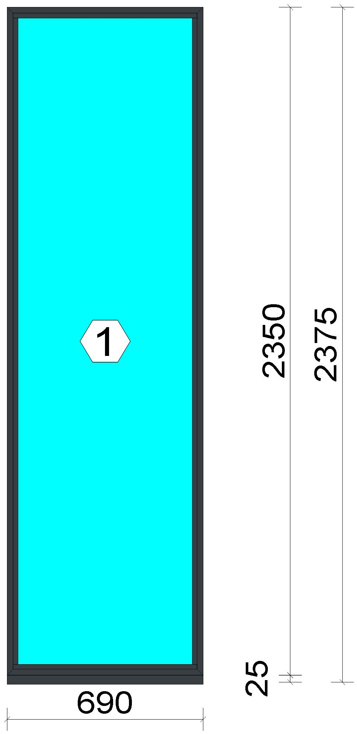
 |  |  |  |  |  |  |  |  |  |  |  |  |  |  | Position: f7 Quantity: 1 pcs System: Cortizo CASEMENT Hi Standard Dry Size: 690 mm x 2,375 mm Scale: 1: 15 / Exterior view Finish: Inside: Lacado standard P9016B Lacado standard Outside: Lacado standard 7016CM Anthracite grey Lacado standard

Stated quantities refer to one position each.
Profiles
Description |  |  |  |  |  |  |  |  | Finish |  |  | Number |  |  |  |  | Length [mm] |  | Quantity [Pcs.] |  |  |  | Weight [kg] |  |  | Price [£]

150 mm drainage subcill |  |  |  |  |  |  |  |  | Lacado standard P9016B / Lacado standard 7016CM |  |  | 3735 |  |  |  |  | 690.0 |  | 1 |  |  |  | 1.59 |  |  | *10.67
Window frame HI |  |  |  |  |  |  |  |  | Lacado standard 7016CM / Lacado standard P9016B |  |  | 3831 |  |  |  |  | 2,350.0 |  | 2 |  |  |  | 5.60 |  |  | *40.01

 |  |  |  |  | Logikal 12.6 - ORGADATA AG , Am Nesseufer 14, 26789 Leer, Germany, +49 491 92782-500
 |  |  |  |  |  |  |  |  |  | Page: 24 from 55

 |  |  |  |  | Please check all results for plausibility. We do not take responsibility for any errors.

 | Estimation |  |  |  |  |  |  |  |  |  |  |  |  | Date: |  | 15/10/2026 / 16:34
 |  |  |  |  |  |  |  |  |  |  |  |  |  | Project: |  | Allan Wilsher -Highview

Description |  |  |  |  |  |  |  |  | Finish |  |  | Number |  |  |  |  | Length [mm] |  | Quantity [Pcs.] |  |  |  | Weight [kg] |  |  | Price [£]

Window frame HI |  |  |  |  |  |  |  |  | Lacado standard 7016CM / Lacado standard P9016B |  |  | 3831 |  |  |  |  | 690.0 |  | 2 |  |  |  | 1.64 |  |  | *11.75
Total: |  |  |  |  |  |  |  |  |  |  |  |  |  |  |  |  |  |  |  |  |  |  | 8.83 |  |  | 62.43
The marked (*) prices include colour/finish.

Glazing Beads
Description |  |  |  |  |  |  |  |  | Finish |  |  | Number |  |  |  |  | Length [mm] |  | Quantity [Pcs.] |  |  |  | Weight [kg] |  |  | Price [£]

Bead 30 mm |  |  |  |  |  |  |  |  | Lacado standard 7016CM |  |  | 3810 |  |  |  |  | 2,274.0 |  | 2 |  |  |  | 1.36 |  |  | *7.12
Bead 30 mm |  |  |  |  |  |  |  |  | Lacado standard 7016CM |  |  | 3810 |  |  |  |  | 648.0 |  | 2 |  |  |  | 0.39 |  |  | *2.03
Total: |  |  |  |  |  |  |  |  |  |  |  |  |  |  |  |  |  |  |  |  |  |  | 1.75 |  |  | 9.14

Accessories
Description |  |  |  |  |  |  |  |  |  |  |  |  |  |  |  |  |  | Number |  |  | Quantity |  |  |  | Price [£]

Alignment Cleat |  |  |  |  |  |  |  |  |  |  |  |  |  |  |  |  |  | 296839 |  |  | 4 pc |  |  |  | 1.84
Pair of 150mm subcill end caps |  |  |  |  |  |  |  |  |  |  |  |  |  |  |  |  |  | 353797 |  |  | 1 pc |  |  |  | 0.45
Circular shaped pin cleat |  |  |  |  |  |  |  |  |  |  |  |  |  |  |  |  |  | 373802 |  |  | 4 pc |  |  |  | 1.73
Crimping/screw cleat |  |  |  |  |  |  |  |  |  |  |  |  |  |  |  |  |  | 373805 |  |  | 4 pc |  |  |  | 3.50
Screw DIN 965 M4x6 |  |  |  |  |  |  |  |  |  |  |  |  |  |  |  |  |  | 373810 |  |  | 8 pc |  |  |  | 0.14
Drainage cover |  |  |  |  |  |  |  |  |  |  |  |  |  |  |  |  |  | 920100 |  |  | 2 pc |  |  |  | 0.22
Wedge for 3x44 mm glass |  |  |  |  |  |  |  |  |  |  |  |  |  |  |  |  |  | 330344 |  |  | 8 pc |  |  |  | 0.82
Total: |  |  |  |  |  |  |  |  |  |  |  |  |  |  |  |  |  |  |  |  |  |  |  |  | 8.70

Gaskets
Description |  |  |  |  |  |  |  |  |  |  |  |  |  |  |  |  |  | Number |  |  | Quantity [m] |  |  |  | Price [£]

Glazing outer gasket 3,6 mm |  |  |  |  |  |  |  |  |  |  |  |  |  |  |  |  |  | 240124 |  |  | 5.95 |  |  |  | 2.17
Glazing inner gasket 4 mm |  |  |  |  |  |  |  |  |  |  |  |  |  |  |  |  |  | 240135 |  |  | 5.92 |  |  |  | 3.02
Insulating foam of 30 mm x 5 mm |  |  |  |  |  |  |  |  |  |  |  |  |  |  |  |  |  | 320024 |  |  | 6.09 |  |  |  | 1.66
Total: |  |  |  |  |  |  |  |  |  |  |  |  |  |  |  |  |  |  |  |  |  |  |  |  | 6.85

Glass
Description |  |  |  |  |  |  |  |  |  |  |  |  | Area [m²] |  |  |  |  | Dimension [mm] |  |  | Quantity [Pcs.] |  |  |  | Price [£]

4mm DG TGH STD, 28 mm |  |  |  |  |  |  |  |  |  |  |  |  | 1.47 |  |  |  |  | 638 x 2,298 |  |  | 1 |  |  |  | 76.25
Total: |  |  |  |  |  |  |  |  |  |  |  |  | 1.47 |  |  |  |  |  |  |  | 1 |  |  |  | 76.25

Finish

Description |  |  |  |  |  |  |  |  |  |  | Price [£/m²] |  |  |  |  |  |  | Quantity [m²] |  |  |  |  |  | Total [£]

 |  |  |  |  |  |  |  | Lacado standard 7016CM |  |  | 2.19 |  |  |  |  |  |  | 2.762 |  |  |  |  |  | 6.05
 |  |  |  |  |  |  |  | Lacado standard P9016B |  |  | 2.19 |  |  |  |  |  |  | 1.380 |  |  |  |  |  | 3.02
Total |  |  |  |  |  |  |  |  |  |  |  |  |  |  |  |  |  | 4.142 |  |  |  |  |  | 9.07

Summary
Description |  |  |  |  |  |  |  |  |  |  |  |  |  |  |  |  |  |  |  |  |  | [£]

 |  |  |  |  | Logikal 12.6 - ORGADATA AG , Am Nesseufer 14, 26789 Leer, Germany, +49 491 92782-500
 |  |  |  |  |  |  |  |  |  | Page: 25 from 55

 |  |  |  |  | Please check all results for plausibility. We do not take responsibility for any errors.

 | Estimation |  |  |  |  |  |  |  |  |  |  |  |  | Date: |  | 15/10/2026 / 16:34
 |  |  |  |  |  |  |  |  |  |  |  |  |  | Project: |  | Allan Wilsher -Highview

Profiles incl. Coating |  |  |  |  |  |  |  |  |  |  |  |  |  |  |  |  |  |  |  |  |  | 71.57
Finish |  |  |  |  |  |  |  |  |  |  |  |  |  |  |  |  |  |  |  |  |  | 9.07
Accessories |  |  |  |  |  |  |  |  |  |  |  |  |  |  |  |  |  |  |  |  |  | 8.70
Hardware |  |  |  |  |  |  |  |  |  |  |  |  |  |  |  |  |  |  |  |  |  | 0.00
Gaskets |  |  |  |  |  |  |  |  |  |  |  |  |  |  |  |  |  |  |  |  |  | 6.85
Small materials |  |  |  |  |  |  |  |  |  |  |  |  |  |  |  |  |  |  |  |  |  | 0.00
Total Material |  |  |  |  |  |  |  |  |  |  |  |  |  |  |  |  |  |  |  |  |  | 96.19

Glass |  |  |  |  |  |  |  |  |  |  |  |  |  |  |  |  |  |  |  |  |  | 76.25
Insertion Costs Glass |  |  |  |  |  |  |  |  |  |  |  |  |  |  |  |  |  |  |  |  |  | 0.00
Insertion Costs Panel |  |  |  |  |  |  |  |  |  |  |  |  |  |  |  |  |  |  |  |  |  | 0.00
Total Glass |  |  |  |  |  |  |  |  |  |  |  |  |  |  |  |  |  |  |  |  |  | 76.25

Outer frame corner |  |  |  |  |  |  |  |  |  |  |  |  |  |  | 60 min @ 15.00 £/h |  |  |  |  |  |  | 15.00
Cill Manufacture |  |  |  |  |  |  |  |  |  |  |  |  |  |  | 20 min @ 15.00 £/h |  |  |  |  |  |  | 5.00
Installation |  |  |  |  |  |  |  |  |  |  |  |  |  |  | 0 min @ 0.00 £/h |  |  |  |  |  |  | 0.00
Total Wages |  |  |  |  |  |  |  |  |  |  |  |  |  |  |  |  |  |  |  |  |  | 20.00

Extra costs |  |  |  |  |  |  |  |  |  |  |  |  |  |  |  |  |  |  |  |  |  | 0.00
Net Total |  |  |  |  |  |  |  |  |  |  |  |  |  |  |  |  |  |  |  |  |  | 192.44

Total Costs |  |  |  |  |  |  |  |  |  |  |  |  |  |  |  |  |  |  |  |  |  | 192.44

Profit on material |  |  |  |  |  |  |  |  |  |  |  |  |  |  | 0.0 % |  |  |  |  |  |  | 0.00
Profit on glass purchase |  |  |  |  |  |  |  |  |  |  |  |  |  |  | 0.0 % |  |  |  |  |  |  | 0.00
Profit on wages |  |  |  |  |  |  |  |  |  |  |  |  |  |  | 0.0 % |  |  |  |  |  |  | 0.00
Profit on other costs |  |  |  |  |  |  |  |  |  |  |  |  |  |  | 0.0 % |  |  |  |  |  |  | 0.00
Estimated price |  |  |  |  |  |  |  |  |  |  |  |  |  |  |  |  |  |  |  |  |  | 192.44

Position area: |  |  |  |  |  |  |  |  |  |  |  |  |  |  |  |  |  |  |  |  |  | 1.64 m²
Estimated price / m² |  |  |  |  |  |  |  |  |  |  |  |  |  |  |  |  |  |  |  |  |  | 117.06 £
Weight / Profiles |  |  |  |  |  |  |  |  |  |  |  |  |  |  |  |  |  |  |  |  |  | 11.57 kg
Weight / Glass |  |  |  |  |  |  |  |  |  |  |  |  |  |  |  |  |  |  |  |  |  | 29.32 kg
Weight for estimation |  |  |  |  |  |  |  |  |  |  |  |  |  |  |  |  |  |  |  |  |  | 40.89 kg

 |  |  |  |  | Logikal 12.6 - ORGADATA AG , Am Nesseufer 14, 26789 Leer, Germany, +49 491 92782-500
 |  |  |  |  |  |  |  |  |  | Page: 26 from 55

 |  |  |  |  | Please check all results for plausibility. We do not take responsibility for any errors.

 | Estimation |  |  |  |  |  |  |  |  |  |  |  |  | Date: |  | 15/10/2026 / 16:34
 |  |  |  |  |  |  |  |  |  |  |  |  |  | Project: |  | Allan Wilsher -Highview

 |  |  |  |  |  |  |  |  |  |  |  |  |  |  | Person in charge: Estimation data: Directory: |  |  |  |  | Bev Smith Binns <STANDARD> QUOTES\A\

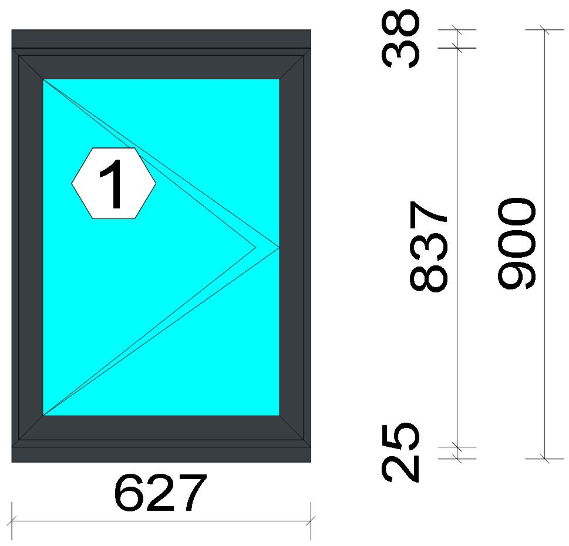
 |  |  |  |  |  |  |  |  |  |  |  |  |  |  | Position: 008 Quantity: 1 pcs System: Cortizo CASEMENT Hi Standard Dry Size: 627 mm x 900 mm Scale: 1: 14 / Exterior view Finish: Inside: Lacado standard P9016B Lacado standard Outside: Lacado standard 7016CM Anthracite grey Lacado standard
Stated quantities refer to one position each.
Profiles
Description |  |  |  |  |  |  |  |  | Finish |  |  | Number |  |  |  |  | Length [mm] |  | Quantity [Pcs.] |  |  |  | Weight [kg] |  |  | Price [£]

150 mm drainage subcill |  |  |  |  |  |  |  |  | Lacado standard P9016B / Lacado standard 7016CM |  |  | 3735 |  |  |  |  | 627.0 |  | 1 |  |  |  | 1.44 |  |  | *9.69
Slim sash HI |  |  |  |  |  |  |  |  | Lacado standard P9016B / Lacado standard 7016CM |  |  | 3821 |  |  |  |  | 807.0 |  | 2 |  |  |  | 1.93 |  |  | *13.49
Slim sash HI |  |  |  |  |  |  |  |  | Lacado standard P9016B / Lacado standard 7016CM |  |  | 3821 |  |  |  |  | 597.0 |  | 2 |  |  |  | 1.43 |  |  | *9.98
Window frame HI |  |  |  |  |  |  |  |  | Lacado standard 7016CM / Lacado standard P9016B |  |  | 3831 |  |  |  |  | 837.0 |  | 2 |  |  |  | 1.99 |  |  | *14.25
Window frame HI |  |  |  |  |  |  |  |  | Lacado standard 7016CM / Lacado standard P9016B |  |  | 3831 |  |  |  |  | 627.0 |  | 2 |  |  |  | 1.49 |  |  | *10.68

 |  |  |  |  | Logikal 12.6 - ORGADATA AG , Am Nesseufer 14, 26789 Leer, Germany, +49 491 92782-500
 |  |  |  |  |  |  |  |  |  | Page: 27 from 55

 |  |  |  |  | Please check all results for plausibility. We do not take responsibility for any errors.

 | Estimation |  |  |  |  |  |  |  |  |  |  |  |  | Date: |  | 15/10/2026 / 16:34
 |  |  |  |  |  |  |  |  |  |  |  |  |  | Project: |  | Allan Wilsher -Highview

Description |  |  |  |  |  |  |  |  | Finish |  |  | Number |  |  |  |  | Length [mm] |  | Quantity [Pcs.] |  |  |  | Weight [kg] |  |  | Price [£]

Frame extension HI |  |  |  |  |  |  |  |  | Lacado standard P9016B / Lacado standard 7016CM |  |  | 3849 |  |  |  |  | 627.0 |  | 1 |  |  |  | 0.93 |  |  | *6.64
Total: |  |  |  |  |  |  |  |  |  |  |  |  |  |  |  |  |  |  |  |  |  |  | 9.22 |  |  | 64.73
The marked (*) prices include colour/finish.

Glazing Beads
Description |  |  |  |  |  |  |  |  | Finish |  |  | Number |  |  |  |  | Length [mm] |  | Quantity [Pcs.] |  |  |  | Weight [kg] |  |  | Price [£]

Bead 30 mm |  |  |  |  |  |  |  |  | Lacado standard P9016B |  |  | 3810 |  |  |  |  | 707.0 |  | 2 |  |  |  | 0.42 |  |  | *2.21
Bead 30 mm |  |  |  |  |  |  |  |  | Lacado standard P9016B |  |  | 3810 |  |  |  |  | 531.0 |  | 2 |  |  |  | 0.32 |  |  | *1.66
Total: |  |  |  |  |  |  |  |  |  |  |  |  |  |  |  |  |  |  |  |  |  |  | 0.74 |  |  | 3.87

Accessories
Description |  |  |  |  |  |  |  |  |  |  |  |  |  |  |  |  |  | Number |  |  | Quantity |  |  |  | Price [£]

Alignment Cleat |  |  |  |  |  |  |  |  |  |  |  |  |  |  |  |  |  | 296839 |  |  | 4 pc |  |  |  | 1.84
Pair of 150mm subcill end caps |  |  |  |  |  |  |  |  |  |  |  |  |  |  |  |  |  | 353797 |  |  | 1 pc |  |  |  | 0.45
Circular shaped pin cleat |  |  |  |  |  |  |  |  |  |  |  |  |  |  |  |  |  | 373802 |  |  | 8 pc |  |  |  | 3.47
Crimping/screw cleat |  |  |  |  |  |  |  |  |  |  |  |  |  |  |  |  |  | 373805 |  |  | 4 pc |  |  |  | 3.50
Screw DIN 965 M4x6 |  |  |  |  |  |  |  |  |  |  |  |  |  |  |  |  |  | 373810 |  |  | 16 pc |  |  |  | 0.27
Drainage cover |  |  |  |  |  |  |  |  |  |  |  |  |  |  |  |  |  | 920100 |  |  | 2 pc |  |  |  | 0.22
Alignment cleat |  |  |  |  |  |  |  |  |  |  |  |  |  |  |  |  |  | 212007 |  |  | 4 pc |  |  |  | 0.27
Wedge for 3x44 mm glass |  |  |  |  |  |  |  |  |  |  |  |  |  |  |  |  |  | 330344 |  |  | 8 pc |  |  |  | 0.82
Crimping/screw cleat |  |  |  |  |  |  |  |  |  |  |  |  |  |  |  |  |  | 373804 |  |  | 4 pc |  |  |  | 2.92
Screw DIN7981 3,9x13 |  |  |  |  |  |  |  |  |  |  |  |  |  |  |  |  |  | 813913 |  |  | 4 pc |  |  |  | 0.14
Screw DIN7981 Ø3,9x16 / hinge side |  |  |  |  |  |  |  |  |  |  |  |  |  |  |  |  |  | 813916 |  |  | 2 pc |  |  |  | 0.05
Screw DIN7981 Ø3,9x16 |  |  |  |  |  |  |  |  |  |  |  |  |  |  |  |  |  | 813916 |  |  | 4 pc |  |  |  | 0.10
Screws DIN7981 Ø4.2x13 |  |  |  |  |  |  |  |  |  |  |  |  |  |  |  |  |  | 814213 |  |  | 4 pc |  |  |  | 0.07
Screws DIN7981 Ø4,2x16 |  |  |  |  |  |  |  |  |  |  |  |  |  |  |  |  |  | 814216 |  |  | 3 pc |  |  |  | 0.10
DIN7982 Ø3,5x16 screws |  |  |  |  |  |  |  |  |  |  |  |  |  |  |  |  |  | 823516 |  |  | 2 pc |  |  |  | 0.03
DIN7982 Ø3,9x12,7 screws / hinge side |  |  |  |  |  |  |  |  |  |  |  |  |  |  |  |  |  | 823913 |  |  | 2 pc |  |  |  | 0.12
Total: |  |  |  |  |  |  |  |  |  |  |  |  |  |  |  |  |  |  |  |  |  |  |  |  | 14.37

Hardware
Description |  |  |  |  |  |  |  |  |  |  |  |  |  |  |  |  |  | Number |  |  | Quantity |  |  |  | Price [£]

Inline espag handle |  |  |  |  |  |  |  |  |  |  |  |  |  |  |  |  |  | 373812 |  |  | 1 pc |  |  |  | 2.88
Casement keep |  |  |  |  |  |  |  |  |  |  |  |  |  |  |  |  |  | 373850 |  |  | 2 pc |  |  |  | 1.65
Espagnolette lock 550 mm LH |  |  |  |  |  |  |  |  |  |  |  |  |  |  |  |  |  | 373853 |  |  | 1 pc |  |  |  | 6.82
Sash seal 14 mm / hinge side |  |  |  |  |  |  |  |  |  |  |  |  |  |  |  |  |  | 373886 |  |  | 1 pc |  |  |  | 0.26
Sash seal 14 mm |  |  |  |  |  |  |  |  |  |  |  |  |  |  |  |  |  | 373886 |  |  | 2 pc |  |  |  | 0.51
Run up block |  |  |  |  |  |  |  |  |  |  |  |  |  |  |  |  |  | 373890 |  |  | 1 pc |  |  |  | 0.39
Pair of extreme friction stay side hung 12 |  |  |  |  |  |  |  |  |  |  |  |  |  |  |  |  |  | 423870 |  |  | 1 pc |  |  |  | 9.67
Total: |  |  |  |  |  |  |  |  |  |  |  |  |  |  |  |  |  |  |  |  |  |  |  |  | 22.18

 |  |  |  |  | Logikal 12.6 - ORGADATA AG , Am Nesseufer 14, 26789 Leer, Germany, +49 491 92782-500
 |  |  |  |  |  |  |  |  |  | Page: 28 from 55

 |  |  |  |  | Please check all results for plausibility. We do not take responsibility for any errors.

 | Estimation |  |  |  |  |  |  |  |  |  |  |  |  | Date: |  | 15/10/2026 / 16:34
 |  |  |  |  |  |  |  |  |  |  |  |  |  | Project: |  | Allan Wilsher -Highview

Gaskets
Description |  |  |  |  |  |  |  |  |  |  |  |  |  |  |  |  |  | Number |  |  | Quantity [m] |  |  |  | Price [£]

Glazing outer gasket 3,6 mm |  |  |  |  |  |  |  |  |  |  |  |  |  |  |  |  |  | 240124 |  |  | 2.48 |  |  |  | 0.91
Glazing inner gasket 4 mm |  |  |  |  |  |  |  |  |  |  |  |  |  |  |  |  |  | 240135 |  |  | 2.48 |  |  |  | 1.26
Insulating foam of 30 mm x 5 mm |  |  |  |  |  |  |  |  |  |  |  |  |  |  |  |  |  | 320024 |  |  | 2.62 |  |  |  | 0.71
Outer frame gasket |  |  |  |  |  |  |  |  |  |  |  |  |  |  |  |  |  | 373801 |  |  | 5.78 |  |  |  | 1.18
Total: |  |  |  |  |  |  |  |  |  |  |  |  |  |  |  |  |  |  |  |  |  |  |  |  | 4.06

Glass
Description |  |  |  |  |  |  |  |  |  |  |  |  | Area [m²] |  |  |  |  | Dimension [mm] |  |  | Quantity [Pcs.] |  |  |  | Price [£]

4mm DG TGH STD, 28 mm |  |  |  |  |  |  |  |  |  |  |  |  | 0.38 (0.39) |  |  |  |  | 521 x 731 |  |  | 1 |  |  |  | 20.32
Total: |  |  |  |  |  |  |  |  |  |  |  |  | 0.38 (0.39) |  |  |  |  |  |  |  | 1 |  |  |  | 20.32

Finish

Description |  |  |  |  |  |  |  |  |  |  | Price [£/m²] |  |  |  |  |  |  | Quantity [m²] |  |  |  |  |  | Total [£]

 |  |  |  |  |  |  |  | Lacado standard 7016CM |  |  | 2.19 |  |  |  |  |  |  | 1.920 |  |  |  |  |  | 4.21
 |  |  |  |  |  |  |  | Lacado standard P9016B |  |  | 2.19 |  |  |  |  |  |  | 1.811 |  |  |  |  |  | 3.97
Total |  |  |  |  |  |  |  |  |  |  |  |  |  |  |  |  |  | 3.731 |  |  |  |  |  | 8.17

Summary
Description |  |  |  |  |  |  |  |  |  |  |  |  |  |  |  |  |  |  |  |  |  | [£]
Profiles incl. Coating |  |  |  |  |  |  |  |  |  |  |  |  |  |  |  |  |  |  |  |  |  | 68.60
Finish |  |  |  |  |  |  |  |  |  |  |  |  |  |  |  |  |  |  |  |  |  | 8.17
Accessories |  |  |  |  |  |  |  |  |  |  |  |  |  |  |  |  |  |  |  |  |  | 14.37
Hardware |  |  |  |  |  |  |  |  |  |  |  |  |  |  |  |  |  |  |  |  |  | 22.18
Gaskets |  |  |  |  |  |  |  |  |  |  |  |  |  |  |  |  |  |  |  |  |  | 4.06
Small materials |  |  |  |  |  |  |  |  |  |  |  |  |  |  |  |  |  |  |  |  |  | 0.00
Total Material |  |  |  |  |  |  |  |  |  |  |  |  |  |  |  |  |  |  |  |  |  | 117.38

Glass |  |  |  |  |  |  |  |  |  |  |  |  |  |  |  |  |  |  |  |  |  | 20.32
Insertion Costs Glass |  |  |  |  |  |  |  |  |  |  |  |  |  |  |  |  |  |  |  |  |  | 0.00
Insertion Costs Panel |  |  |  |  |  |  |  |  |  |  |  |  |  |  |  |  |  |  |  |  |  | 0.00
Total Glass |  |  |  |  |  |  |  |  |  |  |  |  |  |  |  |  |  |  |  |  |  | 20.32

Outer frame corner |  |  |  |  |  |  |  |  |  |  |  |  |  |  | 60 min @ 15.00 £/h |  |  |  |  |  |  | 15.00
Sash Corners |  |  |  |  |  |  |  |  |  |  |  |  |  |  | 128 min @ 15.00 £/h |  |  |  |  |  |  | 32.00
Cill Manufacture |  |  |  |  |  |  |  |  |  |  |  |  |  |  | 20 min @ 15.00 £/h |  |  |  |  |  |  | 5.00
Frame extension |  |  |  |  |  |  |  |  |  |  |  |  |  |  | 20 min @ 15.00 £/h |  |  |  |  |  |  | 5.00
Installation |  |  |  |  |  |  |  |  |  |  |  |  |  |  | 0 min @ 0.00 £/h |  |  |  |  |  |  | 0.00
Total Wages |  |  |  |  |  |  |  |  |  |  |  |  |  |  |  |  |  |  |  |  |  | 57.00

Extra costs |  |  |  |  |  |  |  |  |  |  |  |  |  |  |  |  |  |  |  |  |  | 0.00
Net Total |  |  |  |  |  |  |  |  |  |  |  |  |  |  |  |  |  |  |  |  |  | 194.70

Total Costs |  |  |  |  |  |  |  |  |  |  |  |  |  |  |  |  |  |  |  |  |  | 194.70

Profit on material |  |  |  |  |  |  |  |  |  |  |  |  |  |  | 0.0 % |  |  |  |  |  |  | 0.00
Profit on glass purchase |  |  |  |  |  |  |  |  |  |  |  |  |  |  | 0.0 % |  |  |  |  |  |  | 0.00
Profit on wages |  |  |  |  |  |  |  |  |  |  |  |  |  |  | 0.0 % |  |  |  |  |  |  | 0.00
Profit on other costs |  |  |  |  |  |  |  |  |  |  |  |  |  |  | 0.0 % |  |  |  |  |  |  | 0.00
Estimated price |  |  |  |  |  |  |  |  |  |  |  |  |  |  |  |  |  |  |  |  |  | 194.70

Position area: |  |  |  |  |  |  |  |  |  |  |  |  |  |  |  |  |  |  |  |  |  | 0.57 m²
Estimated price / m² |  |  |  |  |  |  |  |  |  |  |  |  |  |  |  |  |  |  |  |  |  | 342.18 £

 |  |  |  |  | Logikal 12.6 - ORGADATA AG , Am Nesseufer 14, 26789 Leer, Germany, +49 491 92782-500
 |  |  |  |  |  |  |  |  |  | Page: 29 from 55

 |  |  |  |  | Please check all results for plausibility. We do not take responsibility for any errors.

 | Estimation |  |  |  |  |  |  |  |  |  |  |  |  | Date: |  | 15/10/2026 / 16:34
 |  |  |  |  |  |  |  |  |  |  |  |  |  | Project: |  | Allan Wilsher -Highview

Weight / Profiles |  |  |  |  |  |  |  |  |  |  |  |  |  |  |  |  |  |  |  |  |  | 10.62 kg
Weight / Glass |  |  |  |  |  |  |  |  |  |  |  |  |  |  |  |  |  |  |  |  |  | 7.62 kg
Weight for estimation |  |  |  |  |  |  |  |  |  |  |  |  |  |  |  |  |  |  |  |  |  | 18.23 kg

 |  |  |  |  | Logikal 12.6 - ORGADATA AG , Am Nesseufer 14, 26789 Leer, Germany, +49 491 92782-500
 |  |  |  |  |  |  |  |  |  | Page: 30 from 55

 |  |  |  |  | Please check all results for plausibility. We do not take responsibility for any errors.

 | Estimation |  |  |  |  |  |  |  |  |  |  |  |  | Date: |  | 15/10/2026 / 16:34
 |  |  |  |  |  |  |  |  |  |  |  |  |  | Project: |  | Allan Wilsher -Highview

 |  |  |  |  |  |  |  |  |  |  |  |  |  |  | Person in charge: Estimation data: Directory: |  |  |  |  | Bev Smith Binns <STANDARD> QUOTES\A\

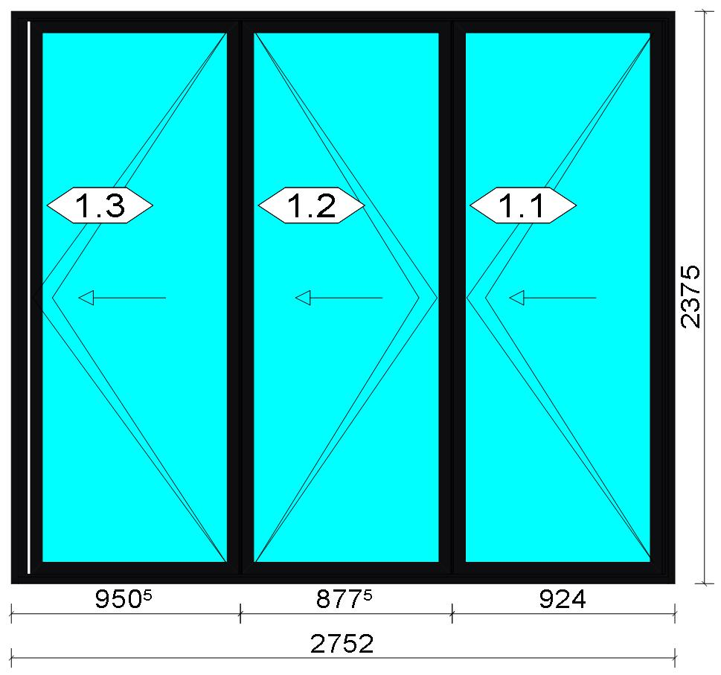
 |  |  |  |  |  |  |  |  |  |  |  |  |  |  | Position: f9 Quantity: 1 pcs System: Cortizo BiFold Plus (BETA) outward opening With Threshold PAS 24 PAS 24 Standard Size: 2,752 mm x 2,375 mm Scale: 1: 36 / Exterior view Finish: Special 1 Powder Coating 9005CM Jet black Special 1 Powder Coating
Stated quantities refer to one position each.
Profiles
Description |  |  |  |  |  |  |  |  | Finish |  |  | Number |  |  |  |  | Length [mm] |  | Quantity [Pcs.] |  |  |  | Weight [kg] |  |  | Price [£]

Stainless steel rail 3700 |  |  |  |  |  |  |  |  | COR_MILL FINISH |  |  | 3700 |  |  |  |  | 2,723.0 |  | 2 |  |  |  | 0.00 |  |  | *20.83
Lateral frame cover |  |  |  |  |  |  |  |  | COR_MILL FINISH |  |  | 3701 |  |  |  |  | 2,323.0 |  | 2 |  |  |  | 0.00 |  |  | *17.26
Outer frame |  |  |  |  |  |  |  |  | Special 1 Powder Coating 9005CM |  |  | 3750 |  |  |  |  | 2,375.0 |  | 1 |  |  |  | 4.04 |  |  | *27.17
Outer frame |  |  |  |  |  |  |  |  | Special 1 Powder Coating 9005CM |  |  | 3750 |  |  |  |  | 2,375.0 |  | 1 |  |  |  | 4.04 |  |  | *27.17
Outer frame |  |  |  |  |  |  |  |  | Special 1 Powder Coating 9005CM |  |  | 3750 |  |  |  |  | 2,752.0 |  | 1 |  |  |  | 4.68 |  |  | *31.49
Low Threshold |  |  |  |  |  |  |  |  | Special 1 Powder Coating 9005CM |  |  | 3751 |  |  |  |  | 2,691.0 |  | 1 |  |  |  | 4.56 |  |  | *30.69
Straight sash |  |  |  |  |  |  |  |  | Special 1 Powder Coating 9005CM |  |  | 3755 |  |  |  |  | 2,294.0 |  | 6 |  |  |  | 22.01 |  |  | *148.27
Straight sash |  |  |  |  |  |  |  |  | Special 1 Powder Coating 9005CM |  |  | 3755 |  |  |  |  | 865.5 |  | 6 |  |  |  | 8.30 |  |  | *55.94
Half roller adaptor 11 mm |  |  |  |  |  |  |  |  | Special 1 Powder Coating 9005CM |  |  | 3762 |  |  |  |  | 2,294.0 |  | 1 |  |  |  | 2.01 |  |  | *13.70

 |  |  |  |  | Logikal 12.6 - ORGADATA AG , Am Nesseufer 14, 26789 Leer, Germany, +49 491 92782-500
 |  |  |  |  |  |  |  |  |  | Page: 31 from 55

 |  |  |  |  | Please check all results for plausibility. We do not take responsibility for any errors.

 | Estimation |  |  |  |  |  |  |  |  |  |  |  |  | Date: |  | 15/10/2026 / 16:34
 |  |  |  |  |  |  |  |  |  |  |  |  |  | Project: |  | Allan Wilsher -Highview

Description |  |  |  |  |  |  |  |  | Finish |  |  | Number |  |  |  |  | Length [mm] |  | Quantity [Pcs.] |  |  |  | Weight [kg] |  |  | Price [£]

Half roller rebate12 mm |  |  |  |  |  |  |  |  | Special 1 Powder Coating 9005CM |  |  | 3765 |  |  |  |  | 2,294.0 |  | 1 |  |  |  | 0.93 |  |  | *4.85
Packer for adjustable jamb |  |  |  |  |  |  |  |  | Special 1 Powder Coating 9005CM |  |  | 3768 |  |  |  |  | 2,318.0 |  | 2 |  |  |  | 1.15 |  |  | *6.01
Adjustable jamb |  |  |  |  |  |  |  |  | Special 1 Powder Coating 9005CM |  |  | 3769 |  |  |  |  | 2,318.0 |  | 1 |  |  |  | 3.41 |  |  | *22.97
Refuerzo marco superior mecanizado |  |  |  |  |  |  |  |  | Special 1 Powder Coating 9005CM |  |  | 3797 |  |  |  |  | 2,694.0 |  | 1 |  |  |  | 0.32 |  |  | *3.23
Total: |  |  |  |  |  |  |  |  |  |  |  |  |  |  |  |  |  |  |  |  |  |  | 55.43 |  |  | 409.59
The marked (*) prices include colour/finish.

Glazing Beads
Description |  |  |  |  |  |  |  |  | Finish |  |  | Number |  |  |  |  | Length [mm] |  | Quantity [Pcs.] |  |  |  | Weight [kg] |  |  | Price [£]

32 mm glazing bead |  |  |  |  |  |  |  |  | Special 1 Powder Coating 9005CM |  |  | 3712 |  |  |  |  | 2,196.0 |  | 6 |  |  |  | 3.91 |  |  | *20.43
32 mm glazing bead |  |  |  |  |  |  |  |  | Special 1 Powder Coating 9005CM |  |  | 3712 |  |  |  |  | 802.1 |  | 6 |  |  |  | 1.43 |  |  | *7.46
Total: |  |  |  |  |  |  |  |  |  |  |  |  |  |  |  |  |  |  |  |  |  |  | 5.34 |  |  | 27.89

Accessories
Description |  |  |  |  |  |  |  |  |  |  |  |  |  |  |  |  |  | Number |  |  | Quantity |  |  |  | Price [£]

Alignment Cleat |  |  |  |  |  |  |  |  |  |  |  |  |  |  |  |  |  | 296839 |  |  | 14 pc |  |  |  | 6.43
Set of end caps for lateral frame (with low threshold) |  |  |  |  |  |  |  |  |  |  |  |  |  |  |  |  |  | 423700 |  |  | 2 pc |  |  |  | 1.29
Mechanical cleat 13.9 x14 |  |  |  |  |  |  |  |  |  |  |  |  |  |  |  |  |  | 423750 |  |  | 4 pc |  |  |  | 2.58
Set of end caps for low threshold |  |  |  |  |  |  |  |  |  |  |  |  |  |  |  |  |  | 423751 |  |  | 1 pc |  |  |  | 0.70
DIN7981 Ø2,9x13 Screws |  |  |  |  |  |  |  |  |  |  |  |  |  |  |  |  |  | 812913 |  |  | 10 pc |  |  |  | 0.17
DIN7981 Ø4,2x45 screws |  |  |  |  |  |  |  |  |  |  |  |  |  |  |  |  |  | 814238 |  |  | 8 pc |  |  |  | 0.48
Ø8 drainage tube |  |  |  |  |  |  |  |  |  |  |  |  |  |  |  |  |  | 310100 |  |  | 12 pc |  |  |  | 3.26
Sash wedge Cor-70 Industrial |  |  |  |  |  |  |  |  |  |  |  |  |  |  |  |  |  | 327981 |  |  | 12 pc |  |  |  | 5.92
SFSSPT-4,3x30C screw |  |  |  |  |  |  |  |  |  |  |  |  |  |  |  |  |  | 341124 |  |  | 8 pc |  |  |  | 0.20
Allthread length M10 3000 mm |  |  |  |  |  |  |  |  |  |  |  |  |  |  |  |  |  | 353743 |  |  | 1 pc |  |  |  | 7.79
Anti lift block |  |  |  |  |  |  |  |  |  |  |  |  |  |  |  |  |  | 353799 |  |  | 2 pc |  |  |  | 0.61
Glazin clip 28 mm |  |  |  |  |  |  |  |  |  |  |  |  |  |  |  |  |  | 407920 |  |  | 18 pc |  |  |  | 13.01
Set of corner gaskets for the sash |  |  |  |  |  |  |  |  |  |  |  |  |  |  |  |  |  | 423722 |  |  | 5 pc |  |  |  | 2.25
Set of corner gaskets for the rebate |  |  |  |  |  |  |  |  |  |  |  |  |  |  |  |  |  | 423726 |  |  | 1 pc |  |  |  | 0.60
Set of corner gaskets for the low threshold |  |  |  |  |  |  |  |  |  |  |  |  |  |  |  |  |  | 423727 |  |  | 3 pc |  |  |  | 1.78
Set of corner gaskets for the low threshold rebate |  |  |  |  |  |  |  |  |  |  |  |  |  |  |  |  |  | 423728 |  |  | 2 pc |  |  |  | 1.10
Shootbolt guide |  |  |  |  |  |  |  |  |  |  |  |  |  |  |  |  |  | 423741 |  |  | 2 pc |  |  |  | 0.90
Upper slip |  |  |  |  |  |  |  |  |  |  |  |  |  |  |  |  |  | 423743 |  |  | 1 pc |  |  |  | 0.22
Mechanical cleat 13.9x18 |  |  |  |  |  |  |  |  |  |  |  |  |  |  |  |  |  | 423755 |  |  | 24 pc |  |  |  | 16.73
Set of end caps for rebate and french doors |  |  |  |  |  |  |  |  |  |  |  |  |  |  |  |  |  | 423765 |  |  | 1 pc |  |  |  | 0.41

 |  |  |  |  | Logikal 12.6 - ORGADATA AG , Am Nesseufer 14, 26789 Leer, Germany, +49 491 92782-500
 |  |  |  |  |  |  |  |  |  | Page: 32 from 55

 |  |  |  |  | Please check all results for plausibility. We do not take responsibility for any errors.

 | Estimation |  |  |  |  |  |  |  |  |  |  |  |  | Date: |  | 15/10/2026 / 16:34
 |  |  |  |  |  |  |  |  |  |  |  |  |  | Project: |  | Allan Wilsher -Highview

Description |  |  |  |  |  |  |  |  |  |  |  |  |  |  |  |  |  | Number |  |  | Quantity |  |  |  | Price [£]

Set of end caps for low threshold rebate |  |  |  |  |  |  |  |  |  |  |  |  |  |  |  |  |  | 423766 |  |  | 1 pc |  |  |  | 0.60
Adjustable fixing block |  |  |  |  |  |  |  |  |  |  |  |  |  |  |  |  |  | 423768 |  |  | 12 pc |  |  |  | 8.06
ASet of end caps for adjustable jamb |  |  |  |  |  |  |  |  |  |  |  |  |  |  |  |  |  | 423769 |  |  | 1 pc |  |  |  | 0.65
DIN7982 Ø3,5x19 screws |  |  |  |  |  |  |  |  |  |  |  |  |  |  |  |  |  | 823519 |  |  | 2 pc |  |  |  | 0.03
Total: |  |  |  |  |  |  |  |  |  |  |  |  |  |  |  |  |  |  |  |  |  |  |  |  | 75.79

Hardware
Description |  |  |  |  |  |  |  |  |  |  |  |  |  |  |  |  |  | Number |  |  | Quantity |  |  |  | Price [£]

Cortizo double door handle with shield for cylinder |  |  |  |  |  |  |  |  |  |  |  |  |  |  |  |  |  | 318615 |  |  | 1 pc |  |  |  | 11.48
Lever latch lock top shoot bolt |  |  |  |  |  |  |  |  |  |  |  |  |  |  |  |  |  | 353733 |  |  | 1 pc |  |  |  | 14.20
Magnetic panel catch 26 mm |  |  |  |  |  |  |  |  |  |  |  |  |  |  |  |  |  | 353737 |  |  | 1 pc |  |  |  | 12.03
Magnetic panel catch 60 mm |  |  |  |  |  |  |  |  |  |  |  |  |  |  |  |  |  | 353747 |  |  | 1 pc |  |  |  | 14.46
50+50 L.L. double clutch high security cylinder |  |  |  |  |  |  |  |  |  |  |  |  |  |  |  |  |  | 353793 |  |  | 1 pc |  |  |  | 69.88
Short lock extension |  |  |  |  |  |  |  |  |  |  |  |  |  |  |  |  |  | 373734 |  |  | 1 pc |  |  |  | 18.11
3 point lock with keeps, left hand |  |  |  |  |  |  |  |  |  |  |  |  |  |  |  |  |  | 423730 |  |  | 1 pc |  |  |  | 92.34
Bottom shootbolt |  |  |  |  |  |  |  |  |  |  |  |  |  |  |  |  |  | 423734 |  |  | 1 pc |  |  |  | 15.74
Lock shootbolt |  |  |  |  |  |  |  |  |  |  |  |  |  |  |  |  |  | 423738 |  |  | 2 pc |  |  |  | 6.46
REinforcement shootbolt cone |  |  |  |  |  |  |  |  |  |  |  |  |  |  |  |  |  | 423739 |  |  | 1 pc |  |  |  | 10.96
Shootbolt lock cover |  |  |  |  |  |  |  |  |  |  |  |  |  |  |  |  |  | 423745 |  |  | 1 pc |  |  |  | 0.52
Central transmission box |  |  |  |  |  |  |  |  |  |  |  |  |  |  |  |  |  | 423760 |  |  | 1 pc |  |  |  | 22.01
Flat bi-fold handle with cylinder |  |  |  |  |  |  |  |  |  |  |  |  |  |  |  |  |  | 423787 |  |  | 1 pc |  |  |  | 22.42
Intermediate hinge |  |  |  |  |  |  |  |  |  |  |  |  |  |  |  |  |  | 433702 |  |  | 9 pc |  |  |  | 72.14
Bottom roller |  |  |  |  |  |  |  |  |  |  |  |  |  |  |  |  |  | 433712 |  |  | 1 pc |  |  |  | 48.19
Top guide |  |  |  |  |  |  |  |  |  |  |  |  |  |  |  |  |  | 433722 |  |  | 1 pc |  |  |  | 27.44
D handle open out |  |  |  |  |  |  |  |  |  |  |  |  |  |  |  |  |  | 433732 |  |  | 1 pc |  |  |  | 15.57
Latch guard |  |  |  |  |  |  |  |  |  |  |  |  |  |  |  |  |  | 433794 |  |  | 1 pc |  |  |  | 0.39
Total: |  |  |  |  |  |  |  |  |  |  |  |  |  |  |  |  |  |  |  |  |  |  |  |  | 474.34

Gaskets
Description |  |  |  |  |  |  |  |  |  |  |  |  |  |  |  |  |  | Number |  |  | Quantity [m] |  |  |  | Price [£]

Outer frame gasket |  |  |  |  |  |  |  |  |  |  |  |  |  |  |  |  |  | 423702 |  |  | 28.40 |  |  |  | 5.07
44 mm x 8 mm isolation foam |  |  |  |  |  |  |  |  |  |  |  |  |  |  |  |  |  | 320036 |  |  | 21.17 |  |  |  | 8.46
43 mm x 12.5 mm isolation foam |  |  |  |  |  |  |  |  |  |  |  |  |  |  |  |  |  | 320037 |  |  | 14.30 |  |  |  | 10.70
Cover gasket |  |  |  |  |  |  |  |  |  |  |  |  |  |  |  |  |  | 353794 |  |  | 15.00 |  |  |  | 5.10
Intermediate gasket |  |  |  |  |  |  |  |  |  |  |  |  |  |  |  |  |  | 423711 |  |  | 28.60 |  |  |  | 16.77
Double intermediate gasket |  |  |  |  |  |  |  |  |  |  |  |  |  |  |  |  |  | 423712 |  |  | 2.76 |  |  |  | 1.85
Horizontal frame seal gasket |  |  |  |  |  |  |  |  |  |  |  |  |  |  |  |  |  | 423713 |  |  | 2.75 |  |  |  | 1.38
Horizontal sash sealing gasket |  |  |  |  |  |  |  |  |  |  |  |  |  |  |  |  |  | 423714 |  |  | 5.50 |  |  |  | 3.70
5 mm Glazing gasket |  |  |  |  |  |  |  |  |  |  |  |  |  |  |  |  |  | 430025 |  |  | 18.31 |  |  |  | 3.74
Total: |  |  |  |  |  |  |  |  |  |  |  |  |  |  |  |  |  |  |  |  |  |  |  |  | 56.76

Glass
Description |  |  |  |  |  |  |  |  |  |  |  |  | Area [m²] |  |  |  |  | Dimension [mm] |  |  | Quantity [Pcs.] |  |  |  | Price [£]

4mm DG TGH STD, 28 mm |  |  |  |  |  |  |  |  |  |  |  |  | 1.76 (1.78) |  |  |  |  | 792 x 2,220 |  |  | 3 |  |  |  | 275.99
Total: |  |  |  |  |  |  |  |  |  |  |  |  | 5.27 (5.33) |  |  |  |  |  |  |  | 3 |  |  |  | 275.99

 |  |  |  |  | Logikal 12.6 - ORGADATA AG , Am Nesseufer 14, 26789 Leer, Germany, +49 491 92782-500
 |  |  |  |  |  |  |  |  |  | Page: 33 from 55

 |  |  |  |  | Please check all results for plausibility. We do not take responsibility for any errors.

 | Estimation |  |  |  |  |  |  |  |  |  |  |  |  | Date: |  | 15/10/2026 / 16:34
 |  |  |  |  |  |  |  |  |  |  |  |  |  | Project: |  | Allan Wilsher -Highview

Finish

Description |  |  |  |  |  |  |  |  |  |  | Price [£/m²] |  |  |  |  |  |  | Quantity [m²] |  |  |  |  |  | Total [£]

 |  |  |  |  |  |  |  | Special 1 Powder Coating 9005CM |  |  | 3.04 |  |  |  |  |  |  | 21.031 |  |  |  |  |  | 63.93
Total |  |  |  |  |  |  |  |  |  |  |  |  |  |  |  |  |  | 21.031 |  |  |  |  |  | 63.93

Summary
Description |  |  |  |  |  |  |  |  |  |  |  |  |  |  |  |  |  |  |  |  |  | [£]
Profiles incl. Coating |  |  |  |  |  |  |  |  |  |  |  |  |  |  |  |  |  |  |  |  |  | 437.47
Finish |  |  |  |  |  |  |  |  |  |  |  |  |  |  |  |  |  |  |  |  |  | 63.93
Accessories |  |  |  |  |  |  |  |  |  |  |  |  |  |  |  |  |  |  |  |  |  | 75.79
Hardware |  |  |  |  |  |  |  |  |  |  |  |  |  |  |  |  |  |  |  |  |  | 474.34
Gaskets |  |  |  |  |  |  |  |  |  |  |  |  |  |  |  |  |  |  |  |  |  | 56.76
Small materials |  |  |  |  |  |  |  |  |  |  |  |  |  |  |  |  |  |  |  |  |  | 0.00
Total Material |  |  |  |  |  |  |  |  |  |  |  |  |  |  |  |  |  |  |  |  |  | 1,108.29

Glass |  |  |  |  |  |  |  |  |  |  |  |  |  |  |  |  |  |  |  |  |  | 275.99
Insertion Costs Glass |  |  |  |  |  |  |  |  |  |  |  |  |  |  |  |  |  |  |  |  |  | 0.00
Insertion Costs Panel |  |  |  |  |  |  |  |  |  |  |  |  |  |  |  |  |  |  |  |  |  | 0.00
Total Glass |  |  |  |  |  |  |  |  |  |  |  |  |  |  |  |  |  |  |  |  |  | 275.99

Outer frame corner |  |  |  |  |  |  |  |  |  |  |  |  |  |  | 176 min @ 15.00 £/h |  |  |  |  |  |  | 44.00
Sash Corners |  |  |  |  |  |  |  |  |  |  |  |  |  |  | 704 min @ 15.00 £/h |  |  |  |  |  |  | 176.00
Installation |  |  |  |  |  |  |  |  |  |  |  |  |  |  | 0 min @ 0.00 £/h |  |  |  |  |  |  | 0.00
Total Wages |  |  |  |  |  |  |  |  |  |  |  |  |  |  |  |  |  |  |  |  |  | 220.00

Extra costs |  |  |  |  |  |  |  |  |  |  |  |  |  |  |  |  |  |  |  |  |  | 0.00
Net Total |  |  |  |  |  |  |  |  |  |  |  |  |  |  |  |  |  |  |  |  |  | 1,604.28

Total Costs |  |  |  |  |  |  |  |  |  |  |  |  |  |  |  |  |  |  |  |  |  | 1,604.28

Profit on material |  |  |  |  |  |  |  |  |  |  |  |  |  |  | 0.0 % |  |  |  |  |  |  | 0.00
Profit on glass purchase |  |  |  |  |  |  |  |  |  |  |  |  |  |  | 0.0 % |  |  |  |  |  |  | 0.00
Profit on wages |  |  |  |  |  |  |  |  |  |  |  |  |  |  | 0.0 % |  |  |  |  |  |  | 0.00
Profit on other costs |  |  |  |  |  |  |  |  |  |  |  |  |  |  | 0.0 % |  |  |  |  |  |  | 0.00
Estimated price |  |  |  |  |  |  |  |  |  |  |  |  |  |  |  |  |  |  |  |  |  | 1,604.28

Position area: |  |  |  |  |  |  |  |  |  |  |  |  |  |  |  |  |  |  |  |  |  | 6.54 m²
Estimated price / m² |  |  |  |  |  |  |  |  |  |  |  |  |  |  |  |  |  |  |  |  |  | 245.45 £
Weight / Profiles |  |  |  |  |  |  |  |  |  |  |  |  |  |  |  |  |  |  |  |  |  | 70.39 kg
Weight / Glass |  |  |  |  |  |  |  |  |  |  |  |  |  |  |  |  |  |  |  |  |  | 105.43 kg
Weight for estimation |  |  |  |  |  |  |  |  |  |  |  |  |  |  |  |  |  |  |  |  |  | 175.82 kg

 |  |  |  |  | Logikal 12.6 - ORGADATA AG , Am Nesseufer 14, 26789 Leer, Germany, +49 491 92782-500
 |  |  |  |  |  |  |  |  |  | Page: 34 from 55

 |  |  |  |  | Please check all results for plausibility. We do not take responsibility for any errors.

 | Estimation |  |  |  |  |  |  |  |  |  |  |  |  | Date: |  | 15/10/2026 / 16:34
 |  |  |  |  |  |  |  |  |  |  |  |  |  | Project: |  | Allan Wilsher -Highview

 |  |  |  |  |  |  |  |  |  |  |  |  |  |  | Person in charge: Estimation data: Directory: |  |  |  |  | Bev Smith Binns <STANDARD> QUOTES\A\

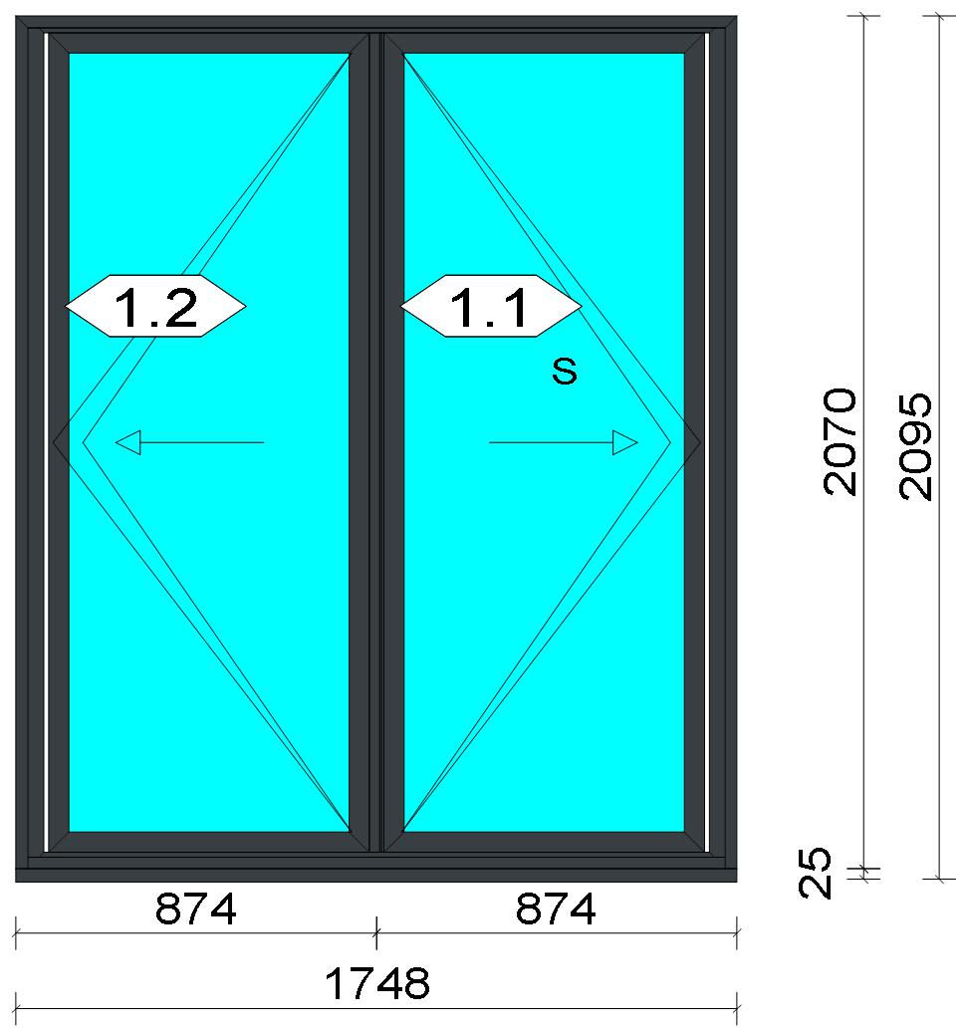
 |  |  |  |  |  |  |  |  |  |  |  |  |  |  | Position: F10 Quantity: 1 pcs System: Cortizo BiFold Plus (BETA) outward opening With Threshold PAS 24 PAS 24 Standard Size: 1,748 mm x 2,095 mm Scale: 1: 28 / Exterior view Finish: Inside: Lacado standard P9016B Lacado standard Outside: Lacado standard 7016CM Anthracite grey Lacado standard
Stated quantities refer to one position each.

Warning!:

Min. height (2060 mm) of the hardware is below the limit!
Min. height (2060 mm) of the hardware is below the limit!

Profiles
Description |  |  |  |  |  |  |  |  | Finish |  |  | Number |  |  |  |  | Length [mm] |  | Quantity [Pcs.] |  |  |  | Weight [kg] |  |  | Price [£]

Stainless steel rail 3700 |  |  |  |  |  |  |  |  | COR_MILL FINISH |  |  | 3700 |  |  |  |  | 1,719.0 |  | 2 |  |  |  | 0.00 |  |  | *13.15
Lateral frame cover |  |  |  |  |  |  |  |  | COR_MILL FINISH |  |  | 3701 |  |  |  |  | 2,018.0 |  | 2 |  |  |  | 0.00 |  |  | *14.99
165 mm drainage subcill |  |  |  |  |  |  |  |  | Lacado standard P9016B / Lacado standard 7016CM |  |  | 3737 |  |  |  |  | 1,748.0 |  | 1 |  |  |  | 4.30 |  |  | *28.84
Outer frame |  |  |  |  |  |  |  |  | Lacado standard P9016B / Lacado standard 7016CM |  |  | 3750 |  |  |  |  | 2,070.0 |  | 1 |  |  |  | 3.52 |  |  | *23.68
Outer frame |  |  |  |  |  |  |  |  | Lacado standard P9016B / Lacado standard 7016CM |  |  | 3750 |  |  |  |  | 2,070.0 |  | 1 |  |  |  | 3.52 |  |  | *23.68

 |  |  |  |  | Logikal 12.6 - ORGADATA AG , Am Nesseufer 14, 26789 Leer, Germany, +49 491 92782-500
 |  |  |  |  |  |  |  |  |  | Page: 35 from 55

 |  |  |  |  | Please check all results for plausibility. We do not take responsibility for any errors.

 | Estimation |  |  |  |  |  |  |  |  |  |  |  |  | Date: |  | 15/10/2026 / 16:34
 |  |  |  |  |  |  |  |  |  |  |  |  |  | Project: |  | Allan Wilsher -Highview

Description |  |  |  |  |  |  |  |  | Finish |  |  | Number |  |  |  |  | Length [mm] |  | Quantity [Pcs.] |  |  |  | Weight [kg] |  |  | Price [£]

Outer frame |  |  |  |  |  |  |  |  | Lacado standard P9016B / Lacado standard 7016CM |  |  | 3750 |  |  |  |  | 1,748.0 |  | 1 |  |  |  | 2.97 |  |  | *20.00
Low Threshold |  |  |  |  |  |  |  |  | Lacado standard P9016B / Lacado standard 7016CM |  |  | 3751 |  |  |  |  | 1,687.0 |  | 1 |  |  |  | 2.86 |  |  | *19.24
Straight sash |  |  |  |  |  |  |  |  | Lacado standard P9016B / Lacado standard 7016CM |  |  | 3755 |  |  |  |  | 1,989.0 |  | 4 |  |  |  | 12.72 |  |  | *85.70
Straight sash |  |  |  |  |  |  |  |  | Lacado standard P9016B / Lacado standard 7016CM |  |  | 3755 |  |  |  |  | 777.0 |  | 4 |  |  |  | 4.97 |  |  | *33.48
Half roller adaptor 11 mm |  |  |  |  |  |  |  |  | Lacado standard P9016B / Lacado standard 7016CM |  |  | 3762 |  |  |  |  | 1,989.0 |  | 1 |  |  |  | 1.74 |  |  | *11.88
Half roller adaptor 11 mm |  |  |  |  |  |  |  |  | Lacado standard 7016CM / Lacado standard P9016B |  |  | 3762 |  |  |  |  | 1,989.0 |  | 1 |  |  |  | 1.74 |  |  | *11.88
Half roller rebate12 mm |  |  |  |  |  |  |  |  | Lacado standard 7016CM |  |  | 3765 |  |  |  |  | 1,989.0 |  | 1 |  |  |  | 0.81 |  |  | *4.20
Half roller rebate12 mm |  |  |  |  |  |  |  |  | Lacado standard P9016B |  |  | 3765 |  |  |  |  | 1,975.5 |  | 1 |  |  |  | 0.80 |  |  | *4.18
Packer for adjustable jamb |  |  |  |  |  |  |  |  | Lacado standard P9016B |  |  | 3768 |  |  |  |  | 2,013.0 |  | 2 |  |  |  | 1.00 |  |  | *5.22
Packer for adjustable jamb |  |  |  |  |  |  |  |  | Lacado standard 7016CM |  |  | 3768 |  |  |  |  | 2,013.0 |  | 2 |  |  |  | 1.00 |  |  | *5.22
Adjustable jamb |  |  |  |  |  |  |  |  | Lacado standard P9016B / Lacado standard 7016CM |  |  | 3769 |  |  |  |  | 2,013.0 |  | 2 |  |  |  | 5.91 |  |  | *39.90
Refuerzo marco superior mecanizado |  |  |  |  |  |  |  |  | Lacado standard 7016CM |  |  | 3797 |  |  |  |  | 1,690.0 |  | 1 |  |  |  | 0.20 |  |  | *2.03
Total: |  |  |  |  |  |  |  |  |  |  |  |  |  |  |  |  |  |  |  |  |  |  | 48.06 |  |  | 347.28
The marked (*) prices include colour/finish.

 |  |  |  |  | Logikal 12.6 - ORGADATA AG , Am Nesseufer 14, 26789 Leer, Germany, +49 491 92782-500
 |  |  |  |  |  |  |  |  |  | Page: 36 from 55

 |  |  |  |  | Please check all results for plausibility. We do not take responsibility for any errors.

 | Estimation |  |  |  |  |  |  |  |  |  |  |  |  | Date: |  | 15/10/2026 / 16:34
 |  |  |  |  |  |  |  |  |  |  |  |  |  | Project: |  | Allan Wilsher -Highview

Glazing Beads
Description |  |  |  |  |  |  |  |  | Finish |  |  | Number |  |  |  |  | Length [mm] |  | Quantity [Pcs.] |  |  |  | Weight [kg] |  |  | Price [£]

32 mm glazing bead |  |  |  |  |  |  |  |  | Lacado standard P9016B |  |  | 3712 |  |  |  |  | 1,891.0 |  | 4 |  |  |  | 2.25 |  |  | *11.73
32 mm glazing bead |  |  |  |  |  |  |  |  | Lacado standard P9016B |  |  | 3712 |  |  |  |  | 713.6 |  | 4 |  |  |  | 0.85 |  |  | *4.43
Total: |  |  |  |  |  |  |  |  |  |  |  |  |  |  |  |  |  |  |  |  |  |  | 3.09 |  |  | 16.15

Accessories
Description |  |  |  |  |  |  |  |  |  |  |  |  |  |  |  |  |  | Number |  |  | Quantity |  |  |  | Price [£]

Alignment Cleat |  |  |  |  |  |  |  |  |  |  |  |  |  |  |  |  |  | 296839 |  |  | 10 pc |  |  |  | 4.59
Set of 165 mm subcill end caps |  |  |  |  |  |  |  |  |  |  |  |  |  |  |  |  |  | 413742 |  |  | 1 pc |  |  |  | 2.41
Set of end caps for lateral frame (with low threshold) |  |  |  |  |  |  |  |  |  |  |  |  |  |  |  |  |  | 423700 |  |  | 2 pc |  |  |  | 1.29
Mechanical cleat 13.9 x14 |  |  |  |  |  |  |  |  |  |  |  |  |  |  |  |  |  | 423750 |  |  | 4 pc |  |  |  | 2.58
Set of end caps for low threshold |  |  |  |  |  |  |  |  |  |  |  |  |  |  |  |  |  | 423751 |  |  | 1 pc |  |  |  | 0.70
DIN7981 Ø2,9x13 Screws |  |  |  |  |  |  |  |  |  |  |  |  |  |  |  |  |  | 812913 |  |  | 7 pc |  |  |  | 0.12
DIN7981 Ø4,2x45 screws |  |  |  |  |  |  |  |  |  |  |  |  |  |  |  |  |  | 814238 |  |  | 8 pc |  |  |  | 0.48
Ø8 drainage tube |  |  |  |  |  |  |  |  |  |  |  |  |  |  |  |  |  | 310100 |  |  | 6 pc |  |  |  | 1.63
Sash wedge Cor-70 Industrial |  |  |  |  |  |  |  |  |  |  |  |  |  |  |  |  |  | 327981 |  |  | 8 pc |  |  |  | 3.94
SFSSPT-4,3x30C screw |  |  |  |  |  |  |  |  |  |  |  |  |  |  |  |  |  | 341124 |  |  | 8 pc |  |  |  | 0.20
Allthread length M10 3000 mm |  |  |  |  |  |  |  |  |  |  |  |  |  |  |  |  |  | 353743 |  |  | 1 pc |  |  |  | 7.79
Anti lift block |  |  |  |  |  |  |  |  |  |  |  |  |  |  |  |  |  | 353799 |  |  | 2 pc |  |  |  | 0.61
Glazin clip 28 mm |  |  |  |  |  |  |  |  |  |  |  |  |  |  |  |  |  | 407920 |  |  | 12 pc |  |  |  | 8.67
Set of corner gaskets for the sash |  |  |  |  |  |  |  |  |  |  |  |  |  |  |  |  |  | 423722 |  |  | 2 pc |  |  |  | 0.90
Set of corner gaskets for the half roller rebate |  |  |  |  |  |  |  |  |  |  |  |  |  |  |  |  |  | 423723 |  |  | 1 pc |  |  |  | 0.54
Set of corner gaskets for the rebate |  |  |  |  |  |  |  |  |  |  |  |  |  |  |  |  |  | 423726 |  |  | 1 pc |  |  |  | 0.60
Set of corner gaskets for the low threshold |  |  |  |  |  |  |  |  |  |  |  |  |  |  |  |  |  | 423727 |  |  | 2 pc |  |  |  | 1.19
Set of corner gaskets for the low threshold rebate |  |  |  |  |  |  |  |  |  |  |  |  |  |  |  |  |  | 423728 |  |  | 2 pc |  |  |  | 1.10
Shootbolt guide |  |  |  |  |  |  |  |  |  |  |  |  |  |  |  |  |  | 423741 |  |  | 2 pc |  |  |  | 0.90
Upper slip |  |  |  |  |  |  |  |  |  |  |  |  |  |  |  |  |  | 423743 |  |  | 1 pc |  |  |  | 0.22
Mechanical cleat 13.9x18 |  |  |  |  |  |  |  |  |  |  |  |  |  |  |  |  |  | 423755 |  |  | 16 pc |  |  |  | 11.15
Set of end caps for rebate and french doors |  |  |  |  |  |  |  |  |  |  |  |  |  |  |  |  |  | 423765 |  |  | 2 pc |  |  |  | 0.82
Set of end caps for low threshold rebate |  |  |  |  |  |  |  |  |  |  |  |  |  |  |  |  |  | 423766 |  |  | 2 pc |  |  |  | 1.21
Adjustable fixing block |  |  |  |  |  |  |  |  |  |  |  |  |  |  |  |  |  | 423768 |  |  | 20 pc |  |  |  | 13.43
ASet of end caps for adjustable jamb |  |  |  |  |  |  |  |  |  |  |  |  |  |  |  |  |  | 423769 |  |  | 2 pc |  |  |  | 1.31
DIN7982 Ø3,5x19 screws |  |  |  |  |  |  |  |  |  |  |  |  |  |  |  |  |  | 823519 |  |  | 2 pc |  |  |  | 0.03
Total: |  |  |  |  |  |  |  |  |  |  |  |  |  |  |  |  |  |  |  |  |  |  |  |  | 68.43

Hardware
Description |  |  |  |  |  |  |  |  |  |  |  |  |  |  |  |  |  | Number |  |  | Quantity |  |  |  | Price [£]

Cortizo double door handle with shield for cylinder |  |  |  |  |  |  |  |  |  |  |  |  |  |  |  |  |  | 318602 |  |  | 1 pc |  |  |  | 10.58
Lever latch lock top shoot bolt |  |  |  |  |  |  |  |  |  |  |  |  |  |  |  |  |  | 353733 |  |  | 1 pc |  |  |  | 14.20
Magnetic panel catch 26 mm |  |  |  |  |  |  |  |  |  |  |  |  |  |  |  |  |  | 353737 |  |  | 1 pc |  |  |  | 12.03
50+50 L.L. double clutch high security cylinder |  |  |  |  |  |  |  |  |  |  |  |  |  |  |  |  |  | 353793 |  |  | 1 pc |  |  |  | 69.88
3 point lock with keeps, left hand |  |  |  |  |  |  |  |  |  |  |  |  |  |  |  |  |  | 423730 |  |  | 1 pc |  |  |  | 92.34
Bottom shootbolt |  |  |  |  |  |  |  |  |  |  |  |  |  |  |  |  |  | 423734 |  |  | 1 pc |  |  |  | 15.74
Lock shootbolt |  |  |  |  |  |  |  |  |  |  |  |  |  |  |  |  |  | 423738 |  |  | 2 pc |  |  |  | 6.46
REinforcement shootbolt cone |  |  |  |  |  |  |  |  |  |  |  |  |  |  |  |  |  | 423739 |  |  | 1 pc |  |  |  | 10.96
Shootbolt lock cover |  |  |  |  |  |  |  |  |  |  |  |  |  |  |  |  |  | 423745 |  |  | 1 pc |  |  |  | 0.52

 |  |  |  |  | Logikal 12.6 - ORGADATA AG , Am Nesseufer 14, 26789 Leer, Germany, +49 491 92782-500
 |  |  |  |  |  |  |  |  |  | Page: 37 from 55

 |  |  |  |  | Please check all results for plausibility. We do not take responsibility for any errors.

 | Estimation |  |  |  |  |  |  |  |  |  |  |  |  | Date: |  | 15/10/2026 / 16:34
 |  |  |  |  |  |  |  |  |  |  |  |  |  | Project: |  | Allan Wilsher -Highview

Description |  |  |  |  |  |  |  |  |  |  |  |  |  |  |  |  |  | Number |  |  | Quantity |  |  |  | Price [£]

Central transmission box |  |  |  |  |  |  |  |  |  |  |  |  |  |  |  |  |  | 423760 |  |  | 1 pc |  |  |  | 22.01
Flat bi-fold handle with cylinder |  |  |  |  |  |  |  |  |  |  |  |  |  |  |  |  |  | 423782 |  |  | 1 pc |  |  |  | 22.42
Intermediate hinge |  |  |  |  |  |  |  |  |  |  |  |  |  |  |  |  |  | 433702 |  |  | 8 pc |  |  |  | 64.12
Latch guard |  |  |  |  |  |  |  |  |  |  |  |  |  |  |  |  |  | 433794 |  |  | 1 pc |  |  |  | 0.39
Total: |  |  |  |  |  |  |  |  |  |  |  |  |  |  |  |  |  |  |  |  |  |  |  |  | 341.66

Gaskets
Description |  |  |  |  |  |  |  |  |  |  |  |  |  |  |  |  |  | Number |  |  | Quantity [m] |  |  |  | Price [£]

Outer frame gasket |  |  |  |  |  |  |  |  |  |  |  |  |  |  |  |  |  | 423702 |  |  | 20.75 |  |  |  | 3.70
44 mm x 8 mm isolation foam |  |  |  |  |  |  |  |  |  |  |  |  |  |  |  |  |  | 320036 |  |  | 15.09 |  |  |  | 6.03
43 mm x 12.5 mm isolation foam |  |  |  |  |  |  |  |  |  |  |  |  |  |  |  |  |  | 320037 |  |  | 8.44 |  |  |  | 6.31
Cover gasket |  |  |  |  |  |  |  |  |  |  |  |  |  |  |  |  |  | 353794 |  |  | 11.57 |  |  |  | 3.93
Intermediate gasket |  |  |  |  |  |  |  |  |  |  |  |  |  |  |  |  |  | 423711 |  |  | 16.88 |  |  |  | 9.90
Double intermediate gasket |  |  |  |  |  |  |  |  |  |  |  |  |  |  |  |  |  | 423712 |  |  | 1.69 |  |  |  | 1.14
Horizontal frame seal gasket |  |  |  |  |  |  |  |  |  |  |  |  |  |  |  |  |  | 423713 |  |  | 1.69 |  |  |  | 0.85
Horizontal sash sealing gasket |  |  |  |  |  |  |  |  |  |  |  |  |  |  |  |  |  | 423714 |  |  | 3.38 |  |  |  | 2.27
5 mm Glazing gasket |  |  |  |  |  |  |  |  |  |  |  |  |  |  |  |  |  | 430025 |  |  | 10.59 |  |  |  | 2.16
Total: |  |  |  |  |  |  |  |  |  |  |  |  |  |  |  |  |  |  |  |  |  |  |  |  | 36.30

Glass
Description |  |  |  |  |  |  |  |  |  |  |  |  | Area [m²] |  |  |  |  | Dimension [mm] |  |  | Quantity [Pcs.] |  |  |  | Price [£]

4mm DG TGH STD, 28 mm |  |  |  |  |  |  |  |  |  |  |  |  | 1.35 (1.36) |  |  |  |  | 703 x 1,915 |  |  | 2 |  |  |  | 141.23
Total: |  |  |  |  |  |  |  |  |  |  |  |  | 2.69 (2.73) |  |  |  |  |  |  |  | 2 |  |  |  | 141.23

Finish

Description |  |  |  |  |  |  |  |  |  |  | Price [£/m²] |  |  |  |  |  |  | Quantity [m²] |  |  |  |  |  | Total [£]

 |  |  |  |  |  |  |  | Lacado standard 7016CM |  |  | 2.19 |  |  |  |  |  |  | 7.906 |  |  |  |  |  | 17.31
 |  |  |  |  |  |  |  | Lacado standard P9016B |  |  | 2.19 |  |  |  |  |  |  | 9.608 |  |  |  |  |  | 21.04
Total |  |  |  |  |  |  |  |  |  |  |  |  |  |  |  |  |  | 17.513 |  |  |  |  |  | 38.35

Summary
Description |  |  |  |  |  |  |  |  |  |  |  |  |  |  |  |  |  |  |  |  |  | [£]
Profiles incl. Coating |  |  |  |  |  |  |  |  |  |  |  |  |  |  |  |  |  |  |  |  |  | 363.43
Finish |  |  |  |  |  |  |  |  |  |  |  |  |  |  |  |  |  |  |  |  |  | 38.35
Accessories |  |  |  |  |  |  |  |  |  |  |  |  |  |  |  |  |  |  |  |  |  | 68.43
Hardware |  |  |  |  |  |  |  |  |  |  |  |  |  |  |  |  |  |  |  |  |  | 341.66
Gaskets |  |  |  |  |  |  |  |  |  |  |  |  |  |  |  |  |  |  |  |  |  | 36.30
Small materials |  |  |  |  |  |  |  |  |  |  |  |  |  |  |  |  |  |  |  |  |  | 0.00
Total Material |  |  |  |  |  |  |  |  |  |  |  |  |  |  |  |  |  |  |  |  |  | 848.17

Glass |  |  |  |  |  |  |  |  |  |  |  |  |  |  |  |  |  |  |  |  |  | 141.23
Insertion Costs Glass |  |  |  |  |  |  |  |  |  |  |  |  |  |  |  |  |  |  |  |  |  | 0.00
Insertion Costs Panel |  |  |  |  |  |  |  |  |  |  |  |  |  |  |  |  |  |  |  |  |  | 0.00
Total Glass |  |  |  |  |  |  |  |  |  |  |  |  |  |  |  |  |  |  |  |  |  | 141.23

Outer frame corner |  |  |  |  |  |  |  |  |  |  |  |  |  |  | 176 min @ 15.00 £/h |  |  |  |  |  |  | 44.00
Sash Corners |  |  |  |  |  |  |  |  |  |  |  |  |  |  | 352 min @ 15.00 £/h |  |  |  |  |  |  | 88.00
Frame extension |  |  |  |  |  |  |  |  |  |  |  |  |  |  | 20 min @ 15.00 £/h |  |  |  |  |  |  | 5.00
Installation |  |  |  |  |  |  |  |  |  |  |  |  |  |  | 0 min @ 0.00 £/h |  |  |  |  |  |  | 0.00
Total Wages |  |  |  |  |  |  |  |  |  |  |  |  |  |  |  |  |  |  |  |  |  | 137.00

 |  |  |  |  | Logikal 12.6 - ORGADATA AG , Am Nesseufer 14, 26789 Leer, Germany, +49 491 92782-500
 |  |  |  |  |  |  |  |  |  | Page: 38 from 55

 |  |  |  |  | Please check all results for plausibility. We do not take responsibility for any errors.

 | Estimation |  |  |  |  |  |  |  |  |  |  |  |  | Date: |  | 15/10/2026 / 16:34
 |  |  |  |  |  |  |  |  |  |  |  |  |  | Project: |  | Allan Wilsher -Highview

Extra costs |  |  |  |  |  |  |  |  |  |  |  |  |  |  |  |  |  |  |  |  |  | 0.00
Net Total |  |  |  |  |  |  |  |  |  |  |  |  |  |  |  |  |  |  |  |  |  | 1,126.40

Total Costs |  |  |  |  |  |  |  |  |  |  |  |  |  |  |  |  |  |  |  |  |  | 1,126.40

Profit on material |  |  |  |  |  |  |  |  |  |  |  |  |  |  | 0.0 % |  |  |  |  |  |  | 0.00
Profit on glass purchase |  |  |  |  |  |  |  |  |  |  |  |  |  |  | 0.0 % |  |  |  |  |  |  | 0.00
Profit on wages |  |  |  |  |  |  |  |  |  |  |  |  |  |  | 0.0 % |  |  |  |  |  |  | 0.00
Profit on other costs |  |  |  |  |  |  |  |  |  |  |  |  |  |  | 0.0 % |  |  |  |  |  |  | 0.00
Estimated price |  |  |  |  |  |  |  |  |  |  |  |  |  |  |  |  |  |  |  |  |  | 1,126.40

Position area: |  |  |  |  |  |  |  |  |  |  |  |  |  |  |  |  |  |  |  |  |  | 3.66 m²
Estimated price / m² |  |  |  |  |  |  |  |  |  |  |  |  |  |  |  |  |  |  |  |  |  | 307.59 £
Weight / Profiles |  |  |  |  |  |  |  |  |  |  |  |  |  |  |  |  |  |  |  |  |  | 57.98 kg
Weight / Glass |  |  |  |  |  |  |  |  |  |  |  |  |  |  |  |  |  |  |  |  |  | 53.85 kg
Weight for estimation |  |  |  |  |  |  |  |  |  |  |  |  |  |  |  |  |  |  |  |  |  | 111.83 kg

Note |  |  |  |  |  |  | While calculating this position the following facts were discovered which may cause a slightly too high or too low estimation result.

> |  | Hardware of at least one insertion does not fulfil all conditions. Please check selected hardware.

 |  |  |  |  | Logikal 12.6 - ORGADATA AG , Am Nesseufer 14, 26789 Leer, Germany, +49 491 92782-500
 |  |  |  |  |  |  |  |  |  | Page: 39 from 55

 |  |  |  |  | Please check all results for plausibility. We do not take responsibility for any errors.

 | Estimation |  |  |  |  |  |  |  |  |  |  |  |  | Date: |  | 15/10/2026 / 16:34
 |  |  |  |  |  |  |  |  |  |  |  |  |  | Project: |  | Allan Wilsher -Highview

 |  |  |  |  |  |  |  |  |  |  |  |  |  |  | Person in charge: Estimation data: Directory: |  |  |  |  | Bev Smith Binns <STANDARD> QUOTES\A\

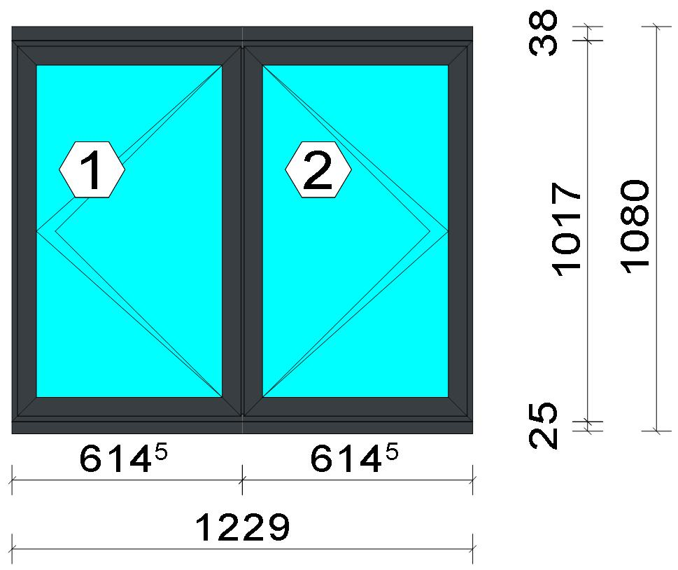
 |  |  |  |  |  |  |  |  |  |  |  |  |  |  | Position: 012 Quantity: 1 pcs System: Cortizo CASEMENT Hi Standard Dry Size: 1,229 mm x 1,080 mm Scale: 1: 22 / Exterior view Finish: Inside: Lacado standard P9016B Lacado standard Outside: Lacado standard 7016CM Anthracite grey Lacado standard
Stated quantities refer to one position each.
Profiles
Description |  |  |  |  |  |  |  |  | Finish |  |  | Number |  |  |  |  | Length [mm] |  | Quantity [Pcs.] |  |  |  | Weight [kg] |  |  | Price [£]

150 mm drainage subcill |  |  |  |  |  |  |  |  | Lacado standard P9016B / Lacado standard 7016CM |  |  | 3735 |  |  |  |  | 1,229.0 |  | 1 |  |  |  | 2.83 |  |  | *19.00
Slim sash HI |  |  |  |  |  |  |  |  | Lacado standard P9016B / Lacado standard 7016CM |  |  | 3821 |  |  |  |  | 987.0 |  | 4 |  |  |  | 4.73 |  |  | *33.00
Slim sash HI |  |  |  |  |  |  |  |  | Lacado standard P9016B / Lacado standard 7016CM |  |  | 3821 |  |  |  |  | 595.5 |  | 4 |  |  |  | 2.85 |  |  | *19.91
Window frame HI |  |  |  |  |  |  |  |  | Lacado standard 7016CM / Lacado standard P9016B |  |  | 3831 |  |  |  |  | 1,017.0 |  | 2 |  |  |  | 2.42 |  |  | *17.32
Window frame HI |  |  |  |  |  |  |  |  | Lacado standard 7016CM / Lacado standard P9016B |  |  | 3831 |  |  |  |  | 1,229.0 |  | 2 |  |  |  | 2.93 |  |  | *20.93
Frame extension HI |  |  |  |  |  |  |  |  | Lacado standard P9016B / Lacado standard 7016CM |  |  | 3849 |  |  |  |  | 1,229.0 |  | 1 |  |  |  | 1.82 |  |  | *13.01

 |  |  |  |  | Logikal 12.6 - ORGADATA AG , Am Nesseufer 14, 26789 Leer, Germany, +49 491 92782-500
 |  |  |  |  |  |  |  |  |  | Page: 40 from 55

 |  |  |  |  | Please check all results for plausibility. We do not take responsibility for any errors.

 | Estimation |  |  |  |  |  |  |  |  |  |  |  |  | Date: |  | 15/10/2026 / 16:34
 |  |  |  |  |  |  |  |  |  |  |  |  |  | Project: |  | Allan Wilsher -Highview

Description |  |  |  |  |  |  |  |  | Finish |  |  | Number |  |  |  |  | Length [mm] |  | Quantity [Pcs.] |  |  |  | Weight [kg] |  |  | Price [£]

Transom 60 mm HI |  |  |  |  |  |  |  |  | Lacado standard 7016CM / Lacado standard P9016B |  |  | 3851 |  |  |  |  | 980.0 |  | 1 |  |  |  | 1.32 |  |  | *9.41
Total: |  |  |  |  |  |  |  |  |  |  |  |  |  |  |  |  |  |  |  |  |  |  | 18.91 |  |  | 132.57
The marked (*) prices include colour/finish.

Glazing Beads
Description |  |  |  |  |  |  |  |  | Finish |  |  | Number |  |  |  |  | Length [mm] |  | Quantity [Pcs.] |  |  |  | Weight [kg] |  |  | Price [£]

Bead 30 mm |  |  |  |  |  |  |  |  | Lacado standard P9016B |  |  | 3810 |  |  |  |  | 887.0 |  | 4 |  |  |  | 1.06 |  |  | *5.55
Bead 30 mm |  |  |  |  |  |  |  |  | Lacado standard P9016B |  |  | 3810 |  |  |  |  | 529.5 |  | 4 |  |  |  | 0.64 |  |  | *3.31
Total: |  |  |  |  |  |  |  |  |  |  |  |  |  |  |  |  |  |  |  |  |  |  | 1.70 |  |  | 8.86

Accessories
Description |  |  |  |  |  |  |  |  |  |  |  |  |  |  |  |  |  | Number |  |  | Quantity |  |  |  | Price [£]

Alignment Cleat |  |  |  |  |  |  |  |  |  |  |  |  |  |  |  |  |  | 296839 |  |  | 4 pc |  |  |  | 1.84
Overlapped inner transom cap |  |  |  |  |  |  |  |  |  |  |  |  |  |  |  |  |  | 327970 |  |  | 4 pc |  |  |  | 3.30
Overlapped outer transom cap |  |  |  |  |  |  |  |  |  |  |  |  |  |  |  |  |  | 327971 |  |  | 4 pc |  |  |  | 4.32
Pair of 150mm subcill end caps |  |  |  |  |  |  |  |  |  |  |  |  |  |  |  |  |  | 353797 |  |  | 1 pc |  |  |  | 0.45
Circular shaped pin cleat |  |  |  |  |  |  |  |  |  |  |  |  |  |  |  |  |  | 373802 |  |  | 12 pc |  |  |  | 5.20
Crimping/screw cleat |  |  |  |  |  |  |  |  |  |  |  |  |  |  |  |  |  | 373805 |  |  | 4 pc |  |  |  | 3.50
Screw DIN 965 M4x6 |  |  |  |  |  |  |  |  |  |  |  |  |  |  |  |  |  | 373810 |  |  | 24 pc |  |  |  | 0.41
DIN7981 Ø2,9x13 Screws |  |  |  |  |  |  |  |  |  |  |  |  |  |  |  |  |  | 812913 |  |  | 16 pc |  |  |  | 0.27
DIN7981 Ø4,2x9,5 screws |  |  |  |  |  |  |  |  |  |  |  |  |  |  |  |  |  | 814295 |  |  | 16 pc |  |  |  | 0.54
Drainage cover |  |  |  |  |  |  |  |  |  |  |  |  |  |  |  |  |  | 920100 |  |  | 4 pc |  |  |  | 0.44
Alignment cleat |  |  |  |  |  |  |  |  |  |  |  |  |  |  |  |  |  | 212007 |  |  | 8 pc |  |  |  | 0.54
Wedge for 3x44 mm glass |  |  |  |  |  |  |  |  |  |  |  |  |  |  |  |  |  | 330344 |  |  | 16 pc |  |  |  | 1.63
Crimping/screw cleat |  |  |  |  |  |  |  |  |  |  |  |  |  |  |  |  |  | 373804 |  |  | 8 pc |  |  |  | 5.85
Screw DIN7981 3,9x13 |  |  |  |  |  |  |  |  |  |  |  |  |  |  |  |  |  | 813913 |  |  | 8 pc |  |  |  | 0.27
Screw DIN7981 Ø3,9x16 / hinge side |  |  |  |  |  |  |  |  |  |  |  |  |  |  |  |  |  | 813916 |  |  | 4 pc |  |  |  | 0.10
Screw DIN7981 Ø3,9x16 |  |  |  |  |  |  |  |  |  |  |  |  |  |  |  |  |  | 813916 |  |  | 8 pc |  |  |  | 0.20
Screws DIN7981 Ø4.2x13 |  |  |  |  |  |  |  |  |  |  |  |  |  |  |  |  |  | 814213 |  |  | 8 pc |  |  |  | 0.14
Screws DIN7981 Ø4,2x16 |  |  |  |  |  |  |  |  |  |  |  |  |  |  |  |  |  | 814216 |  |  | 6 pc |  |  |  | 0.20
DIN7982 Ø3,5x16 screws |  |  |  |  |  |  |  |  |  |  |  |  |  |  |  |  |  | 823516 |  |  | 4 pc |  |  |  | 0.07
DIN7982 Ø3,9x12,7 screws / hinge side |  |  |  |  |  |  |  |  |  |  |  |  |  |  |  |  |  | 823913 |  |  | 4 pc |  |  |  | 0.24
Total: |  |  |  |  |  |  |  |  |  |  |  |  |  |  |  |  |  |  |  |  |  |  |  |  | 29.52

Hardware
Description |  |  |  |  |  |  |  |  |  |  |  |  |  |  |  |  |  | Number |  |  | Quantity |  |  |  | Price [£]

Inline espag handle |  |  |  |  |  |  |  |  |  |  |  |  |  |  |  |  |  | 373812 |  |  | 2 pc |  |  |  | 5.76
Casement keep |  |  |  |  |  |  |  |  |  |  |  |  |  |  |  |  |  | 373850 |  |  | 4 pc |  |  |  | 3.30
Espagnolette lock 850 mm RH |  |  |  |  |  |  |  |  |  |  |  |  |  |  |  |  |  | 373858 |  |  | 1 pc |  |  |  | 7.71
Sash seal 14 mm / hinge side |  |  |  |  |  |  |  |  |  |  |  |  |  |  |  |  |  | 373886 |  |  | 2 pc |  |  |  | 0.51
Sash seal 14 mm |  |  |  |  |  |  |  |  |  |  |  |  |  |  |  |  |  | 373886 |  |  | 4 pc |  |  |  | 1.02
Run up block |  |  |  |  |  |  |  |  |  |  |  |  |  |  |  |  |  | 373890 |  |  | 2 pc |  |  |  | 0.78

 |  |  |  |  | Logikal 12.6 - ORGADATA AG , Am Nesseufer 14, 26789 Leer, Germany, +49 491 92782-500
 |  |  |  |  |  |  |  |  |  | Page: 41 from 55

 |  |  |  |  | Please check all results for plausibility. We do not take responsibility for any errors.

 | Estimation |  |  |  |  |  |  |  |  |  |  |  |  | Date: |  | 15/10/2026 / 16:34
 |  |  |  |  |  |  |  |  |  |  |  |  |  | Project: |  | Allan Wilsher -Highview

Description |  |  |  |  |  |  |  |  |  |  |  |  |  |  |  |  |  | Number |  |  | Quantity |  |  |  | Price [£]

Pair of extreme friction stay side hung 12 |  |  |  |  |  |  |  |  |  |  |  |  |  |  |  |  |  | 423870 |  |  | 1 pc |  |  |  | 9.67
Espagnolette lock 850 mm LH |  |  |  |  |  |  |  |  |  |  |  |  |  |  |  |  |  | 373857 |  |  | 1 pc |  |  |  | 7.71
Pair of extreme friction stay side hung 16 |  |  |  |  |  |  |  |  |  |  |  |  |  |  |  |  |  | 423871 |  |  | 1 pc |  |  |  | 12.07
Total: |  |  |  |  |  |  |  |  |  |  |  |  |  |  |  |  |  |  |  |  |  |  |  |  | 48.53

Gaskets
Description |  |  |  |  |  |  |  |  |  |  |  |  |  |  |  |  |  | Number |  |  | Quantity [m] |  |  |  | Price [£]

Glazing outer gasket 3,6 mm |  |  |  |  |  |  |  |  |  |  |  |  |  |  |  |  |  | 240124 |  |  | 5.70 |  |  |  | 2.08
Glazing inner gasket 4 mm |  |  |  |  |  |  |  |  |  |  |  |  |  |  |  |  |  | 240135 |  |  | 5.70 |  |  |  | 2.90
Insulating foam of 30 mm x 5 mm |  |  |  |  |  |  |  |  |  |  |  |  |  |  |  |  |  | 320024 |  |  | 5.98 |  |  |  | 1.63
Outer frame gasket |  |  |  |  |  |  |  |  |  |  |  |  |  |  |  |  |  | 373801 |  |  | 13.04 |  |  |  | 2.66
Total: |  |  |  |  |  |  |  |  |  |  |  |  |  |  |  |  |  |  |  |  |  |  |  |  | 9.27

Glass
Description |  |  |  |  |  |  |  |  |  |  |  |  | Area [m²] |  |  |  |  | Dimension [mm] |  |  | Quantity [Pcs.] |  |  |  | Price [£]

4mm DG TGH STD, 28 mm |  |  |  |  |  |  |  |  |  |  |  |  | 0.47 (0.48) |  |  |  |  | 520 x 911 |  |  | 2 |  |  |  | 49.56
Total: |  |  |  |  |  |  |  |  |  |  |  |  | 0.95 (0.96) |  |  |  |  |  |  |  | 2 |  |  |  | 49.56

Finish

Description |  |  |  |  |  |  |  |  |  |  | Price [£/m²] |  |  |  |  |  |  | Quantity [m²] |  |  |  |  |  | Total [£]

 |  |  |  |  |  |  |  | Lacado standard 7016CM |  |  | 2.19 |  |  |  |  |  |  | 3.960 |  |  |  |  |  | 8.67
 |  |  |  |  |  |  |  | Lacado standard P9016B |  |  | 2.19 |  |  |  |  |  |  | 3.827 |  |  |  |  |  | 8.38
Total |  |  |  |  |  |  |  |  |  |  |  |  |  |  |  |  |  | 7.788 |  |  |  |  |  | 17.05

Summary
Description |  |  |  |  |  |  |  |  |  |  |  |  |  |  |  |  |  |  |  |  |  | [£]
Profiles incl. Coating |  |  |  |  |  |  |  |  |  |  |  |  |  |  |  |  |  |  |  |  |  | 141.44
Finish |  |  |  |  |  |  |  |  |  |  |  |  |  |  |  |  |  |  |  |  |  | 17.05
Accessories |  |  |  |  |  |  |  |  |  |  |  |  |  |  |  |  |  |  |  |  |  | 29.52
Hardware |  |  |  |  |  |  |  |  |  |  |  |  |  |  |  |  |  |  |  |  |  | 48.53
Gaskets |  |  |  |  |  |  |  |  |  |  |  |  |  |  |  |  |  |  |  |  |  | 9.27
Small materials |  |  |  |  |  |  |  |  |  |  |  |  |  |  |  |  |  |  |  |  |  | 0.00
Total Material |  |  |  |  |  |  |  |  |  |  |  |  |  |  |  |  |  |  |  |  |  | 245.81

Glass |  |  |  |  |  |  |  |  |  |  |  |  |  |  |  |  |  |  |  |  |  | 49.56
Insertion Costs Glass |  |  |  |  |  |  |  |  |  |  |  |  |  |  |  |  |  |  |  |  |  | 0.00
Insertion Costs Panel |  |  |  |  |  |  |  |  |  |  |  |  |  |  |  |  |  |  |  |  |  | 0.00
Total Glass |  |  |  |  |  |  |  |  |  |  |  |  |  |  |  |  |  |  |  |  |  | 49.56

Outer frame corner |  |  |  |  |  |  |  |  |  |  |  |  |  |  | 60 min @ 15.00 £/h |  |  |  |  |  |  | 15.00
Sash Corners |  |  |  |  |  |  |  |  |  |  |  |  |  |  | 256 min @ 15.00 £/h |  |  |  |  |  |  | 64.00
Cill Manufacture |  |  |  |  |  |  |  |  |  |  |  |  |  |  | 20 min @ 15.00 £/h |  |  |  |  |  |  | 5.00
T-Junction |  |  |  |  |  |  |  |  |  |  |  |  |  |  | 70 min @ 15.00 £/h |  |  |  |  |  |  | 17.50
Frame extension |  |  |  |  |  |  |  |  |  |  |  |  |  |  | 20 min @ 15.00 £/h |  |  |  |  |  |  | 5.00
Installation |  |  |  |  |  |  |  |  |  |  |  |  |  |  | 0 min @ 0.00 £/h |  |  |  |  |  |  | 0.00
Total Wages |  |  |  |  |  |  |  |  |  |  |  |  |  |  |  |  |  |  |  |  |  | 106.50

Extra costs |  |  |  |  |  |  |  |  |  |  |  |  |  |  |  |  |  |  |  |  |  | 0.00
Net Total |  |  |  |  |  |  |  |  |  |  |  |  |  |  |  |  |  |  |  |  |  | 401.87

Total Costs |  |  |  |  |  |  |  |  |  |  |  |  |  |  |  |  |  |  |  |  |  | 401.87

 |  |  |  |  | Logikal 12.6 - ORGADATA AG , Am Nesseufer 14, 26789 Leer, Germany, +49 491 92782-500
 |  |  |  |  |  |  |  |  |  | Page: 42 from 55

 |  |  |  |  | Please check all results for plausibility. We do not take responsibility for any errors.

 | Estimation |  |  |  |  |  |  |  |  |  |  |  |  | Date: |  | 15/10/2026 / 16:34
 |  |  |  |  |  |  |  |  |  |  |  |  |  | Project: |  | Allan Wilsher -Highview

Profit on material |  |  |  |  |  |  |  |  |  |  |  |  |  |  | 0.0 % |  |  |  |  |  |  | 0.00
Profit on glass purchase |  |  |  |  |  |  |  |  |  |  |  |  |  |  | 0.0 % |  |  |  |  |  |  | 0.00
Profit on wages |  |  |  |  |  |  |  |  |  |  |  |  |  |  | 0.0 % |  |  |  |  |  |  | 0.00
Profit on other costs |  |  |  |  |  |  |  |  |  |  |  |  |  |  | 0.0 % |  |  |  |  |  |  | 0.00
Estimated price |  |  |  |  |  |  |  |  |  |  |  |  |  |  |  |  |  |  |  |  |  | 401.87

Position area: |  |  |  |  |  |  |  |  |  |  |  |  |  |  |  |  |  |  |  |  |  | 1.34 m²
Estimated price / m² |  |  |  |  |  |  |  |  |  |  |  |  |  |  |  |  |  |  |  |  |  | 300.80 £
Weight / Profiles |  |  |  |  |  |  |  |  |  |  |  |  |  |  |  |  |  |  |  |  |  | 22.09 kg
Weight / Glass |  |  |  |  |  |  |  |  |  |  |  |  |  |  |  |  |  |  |  |  |  | 18.93 kg
Weight for estimation |  |  |  |  |  |  |  |  |  |  |  |  |  |  |  |  |  |  |  |  |  | 41.02 kg

 |  |  |  |  | Logikal 12.6 - ORGADATA AG , Am Nesseufer 14, 26789 Leer, Germany, +49 491 92782-500
 |  |  |  |  |  |  |  |  |  | Page: 43 from 55

 |  |  |  |  | Please check all results for plausibility. We do not take responsibility for any errors.

 | Estimation |  |  |  |  |  |  |  |  |  |  |  |  | Date: |  | 15/10/2026 / 16:34
 |  |  |  |  |  |  |  |  |  |  |  |  |  | Project: |  | Allan Wilsher -Highview

 |  |  |  |  |  |  |  |  |  |  |  |  |  |  | Person in charge: Estimation data: Directory: |  |  |  |  | Bev Smith Binns <STANDARD> QUOTES\A\

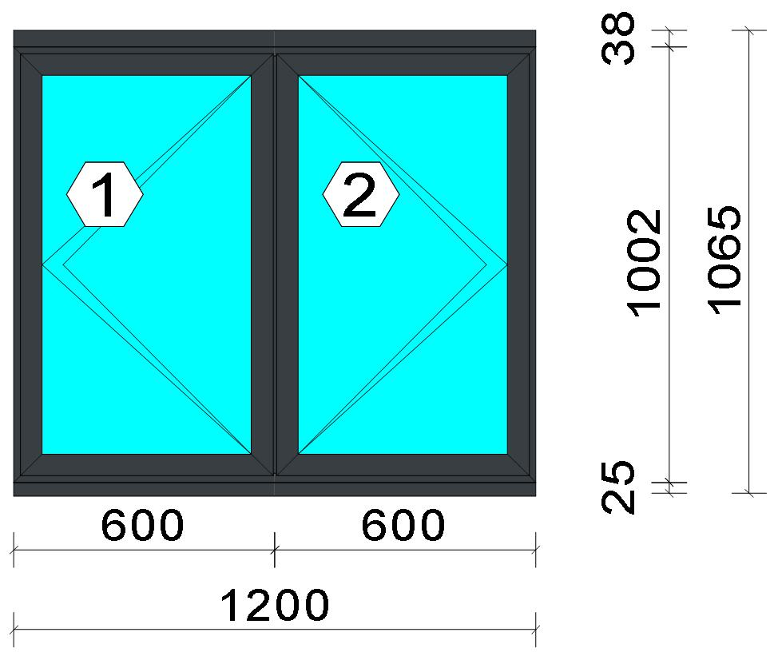
 |  |  |  |  |  |  |  |  |  |  |  |  |  |  | Position: F13 and F14 Quantity: 1 pcs System: Cortizo CASEMENT Hi Standard Dry Size: 1,200 mm x 1,065 mm Scale: 1: 21 / Exterior view Finish: Inside: Lacado standard P9016B Lacado standard Outside: Lacado standard 7016CM Anthracite grey Lacado standard
Stated quantities refer to one position each.
Profiles
Description |  |  |  |  |  |  |  |  | Finish |  |  | Number |  |  |  |  | Length [mm] |  | Quantity [Pcs.] |  |  |  | Weight [kg] |  |  | Price [£]

150 mm drainage subcill |  |  |  |  |  |  |  |  | Lacado standard P9016B / Lacado standard 7016CM |  |  | 3735 |  |  |  |  | 1,200.0 |  | 1 |  |  |  | 2.76 |  |  | *18.55
Slim sash HI |  |  |  |  |  |  |  |  | Lacado standard P9016B / Lacado standard 7016CM |  |  | 3821 |  |  |  |  | 972.0 |  | 4 |  |  |  | 4.65 |  |  | *32.50
Slim sash HI |  |  |  |  |  |  |  |  | Lacado standard P9016B / Lacado standard 7016CM |  |  | 3821 |  |  |  |  | 581.0 |  | 4 |  |  |  | 2.78 |  |  | *19.43
Window frame HI |  |  |  |  |  |  |  |  | Lacado standard 7016CM / Lacado standard P9016B |  |  | 3831 |  |  |  |  | 1,002.0 |  | 2 |  |  |  | 2.39 |  |  | *17.06
Window frame HI |  |  |  |  |  |  |  |  | Lacado standard 7016CM / Lacado standard P9016B |  |  | 3831 |  |  |  |  | 1,200.0 |  | 2 |  |  |  | 2.86 |  |  | *20.43
Frame extension HI |  |  |  |  |  |  |  |  | Lacado standard P9016B / Lacado standard 7016CM |  |  | 3849 |  |  |  |  | 1,200.0 |  | 1 |  |  |  | 1.78 |  |  | *12.70

 |  |  |  |  | Logikal 12.6 - ORGADATA AG , Am Nesseufer 14, 26789 Leer, Germany, +49 491 92782-500
 |  |  |  |  |  |  |  |  |  | Page: 44 from 55

 |  |  |  |  | Please check all results for plausibility. We do not take responsibility for any errors.

 | Estimation |  |  |  |  |  |  |  |  |  |  |  |  | Date: |  | 15/10/2026 / 16:34
 |  |  |  |  |  |  |  |  |  |  |  |  |  | Project: |  | Allan Wilsher -Highview

Description |  |  |  |  |  |  |  |  | Finish |  |  | Number |  |  |  |  | Length [mm] |  | Quantity [Pcs.] |  |  |  | Weight [kg] |  |  | Price [£]

Transom 60 mm HI |  |  |  |  |  |  |  |  | Lacado standard 7016CM / Lacado standard P9016B |  |  | 3851 |  |  |  |  | 965.0 |  | 1 |  |  |  | 1.30 |  |  | *9.27
Total: |  |  |  |  |  |  |  |  |  |  |  |  |  |  |  |  |  |  |  |  |  |  | 18.53 |  |  | 129.94
The marked (*) prices include colour/finish.

Glazing Beads
Description |  |  |  |  |  |  |  |  | Finish |  |  | Number |  |  |  |  | Length [mm] |  | Quantity [Pcs.] |  |  |  | Weight [kg] |  |  | Price [£]

Bead 30 mm |  |  |  |  |  |  |  |  | Lacado standard P9016B |  |  | 3810 |  |  |  |  | 872.0 |  | 4 |  |  |  | 1.05 |  |  | *5.46
Bead 30 mm |  |  |  |  |  |  |  |  | Lacado standard P9016B |  |  | 3810 |  |  |  |  | 515.0 |  | 4 |  |  |  | 0.62 |  |  | *3.22
Total: |  |  |  |  |  |  |  |  |  |  |  |  |  |  |  |  |  |  |  |  |  |  | 1.66 |  |  | 8.68

Accessories
Description |  |  |  |  |  |  |  |  |  |  |  |  |  |  |  |  |  | Number |  |  | Quantity |  |  |  | Price [£]

Alignment Cleat |  |  |  |  |  |  |  |  |  |  |  |  |  |  |  |  |  | 296839 |  |  | 4 pc |  |  |  | 1.84
Overlapped inner transom cap |  |  |  |  |  |  |  |  |  |  |  |  |  |  |  |  |  | 327970 |  |  | 4 pc |  |  |  | 3.30
Overlapped outer transom cap |  |  |  |  |  |  |  |  |  |  |  |  |  |  |  |  |  | 327971 |  |  | 4 pc |  |  |  | 4.32
Pair of 150mm subcill end caps |  |  |  |  |  |  |  |  |  |  |  |  |  |  |  |  |  | 353797 |  |  | 1 pc |  |  |  | 0.45
Circular shaped pin cleat |  |  |  |  |  |  |  |  |  |  |  |  |  |  |  |  |  | 373802 |  |  | 12 pc |  |  |  | 5.20
Crimping/screw cleat |  |  |  |  |  |  |  |  |  |  |  |  |  |  |  |  |  | 373805 |  |  | 4 pc |  |  |  | 3.50
Screw DIN 965 M4x6 |  |  |  |  |  |  |  |  |  |  |  |  |  |  |  |  |  | 373810 |  |  | 24 pc |  |  |  | 0.41
DIN7981 Ø2,9x13 Screws |  |  |  |  |  |  |  |  |  |  |  |  |  |  |  |  |  | 812913 |  |  | 16 pc |  |  |  | 0.27
DIN7981 Ø4,2x9,5 screws |  |  |  |  |  |  |  |  |  |  |  |  |  |  |  |  |  | 814295 |  |  | 16 pc |  |  |  | 0.54
Drainage cover |  |  |  |  |  |  |  |  |  |  |  |  |  |  |  |  |  | 920100 |  |  | 4 pc |  |  |  | 0.44
Alignment cleat |  |  |  |  |  |  |  |  |  |  |  |  |  |  |  |  |  | 212007 |  |  | 8 pc |  |  |  | 0.54
Wedge for 3x44 mm glass |  |  |  |  |  |  |  |  |  |  |  |  |  |  |  |  |  | 330344 |  |  | 16 pc |  |  |  | 1.63
Crimping/screw cleat |  |  |  |  |  |  |  |  |  |  |  |  |  |  |  |  |  | 373804 |  |  | 8 pc |  |  |  | 5.85
Screw DIN7981 3,9x13 |  |  |  |  |  |  |  |  |  |  |  |  |  |  |  |  |  | 813913 |  |  | 8 pc |  |  |  | 0.27
Screw DIN7981 Ø3,9x16 / hinge side |  |  |  |  |  |  |  |  |  |  |  |  |  |  |  |  |  | 813916 |  |  | 4 pc |  |  |  | 0.10
Screw DIN7981 Ø3,9x16 |  |  |  |  |  |  |  |  |  |  |  |  |  |  |  |  |  | 813916 |  |  | 8 pc |  |  |  | 0.20
Screws DIN7981 Ø4.2x13 |  |  |  |  |  |  |  |  |  |  |  |  |  |  |  |  |  | 814213 |  |  | 8 pc |  |  |  | 0.14
Screws DIN7981 Ø4,2x16 |  |  |  |  |  |  |  |  |  |  |  |  |  |  |  |  |  | 814216 |  |  | 6 pc |  |  |  | 0.20
DIN7982 Ø3,5x16 screws |  |  |  |  |  |  |  |  |  |  |  |  |  |  |  |  |  | 823516 |  |  | 4 pc |  |  |  | 0.07
DIN7982 Ø3,9x12,7 screws / hinge side |  |  |  |  |  |  |  |  |  |  |  |  |  |  |  |  |  | 823913 |  |  | 4 pc |  |  |  | 0.24
Total: |  |  |  |  |  |  |  |  |  |  |  |  |  |  |  |  |  |  |  |  |  |  |  |  | 29.52

Hardware
Description |  |  |  |  |  |  |  |  |  |  |  |  |  |  |  |  |  | Number |  |  | Quantity |  |  |  | Price [£]

Inline espag handle |  |  |  |  |  |  |  |  |  |  |  |  |  |  |  |  |  | 373812 |  |  | 2 pc |  |  |  | 5.76
Casement keep |  |  |  |  |  |  |  |  |  |  |  |  |  |  |  |  |  | 373850 |  |  | 4 pc |  |  |  | 3.30
Espagnolette lock 850 mm RH |  |  |  |  |  |  |  |  |  |  |  |  |  |  |  |  |  | 373858 |  |  | 1 pc |  |  |  | 7.71
Sash seal 14 mm / hinge side |  |  |  |  |  |  |  |  |  |  |  |  |  |  |  |  |  | 373886 |  |  | 2 pc |  |  |  | 0.51
Sash seal 14 mm |  |  |  |  |  |  |  |  |  |  |  |  |  |  |  |  |  | 373886 |  |  | 4 pc |  |  |  | 1.02
Run up block |  |  |  |  |  |  |  |  |  |  |  |  |  |  |  |  |  | 373890 |  |  | 2 pc |  |  |  | 0.78

 |  |  |  |  | Logikal 12.6 - ORGADATA AG , Am Nesseufer 14, 26789 Leer, Germany, +49 491 92782-500
 |  |  |  |  |  |  |  |  |  | Page: 45 from 55

 |  |  |  |  | Please check all results for plausibility. We do not take responsibility for any errors.

 | Estimation |  |  |  |  |  |  |  |  |  |  |  |  | Date: |  | 15/10/2026 / 16:34
 |  |  |  |  |  |  |  |  |  |  |  |  |  | Project: |  | Allan Wilsher -Highview

Description |  |  |  |  |  |  |  |  |  |  |  |  |  |  |  |  |  | Number |  |  | Quantity |  |  |  | Price [£]

Pair of extreme friction stay side hung 12 |  |  |  |  |  |  |  |  |  |  |  |  |  |  |  |  |  | 423870 |  |  | 1 pc |  |  |  | 9.67
Espagnolette lock 850 mm LH |  |  |  |  |  |  |  |  |  |  |  |  |  |  |  |  |  | 373857 |  |  | 1 pc |  |  |  | 7.71
Pair of extreme friction stay side hung 16 |  |  |  |  |  |  |  |  |  |  |  |  |  |  |  |  |  | 423871 |  |  | 1 pc |  |  |  | 12.07
Total: |  |  |  |  |  |  |  |  |  |  |  |  |  |  |  |  |  |  |  |  |  |  |  |  | 48.53

Gaskets
Description |  |  |  |  |  |  |  |  |  |  |  |  |  |  |  |  |  | Number |  |  | Quantity [m] |  |  |  | Price [£]

Glazing outer gasket 3,6 mm |  |  |  |  |  |  |  |  |  |  |  |  |  |  |  |  |  | 240124 |  |  | 5.57 |  |  |  | 2.04
Glazing inner gasket 4 mm |  |  |  |  |  |  |  |  |  |  |  |  |  |  |  |  |  | 240135 |  |  | 5.57 |  |  |  | 2.84
Insulating foam of 30 mm x 5 mm |  |  |  |  |  |  |  |  |  |  |  |  |  |  |  |  |  | 320024 |  |  | 5.85 |  |  |  | 1.59
Outer frame gasket |  |  |  |  |  |  |  |  |  |  |  |  |  |  |  |  |  | 373801 |  |  | 12.80 |  |  |  | 2.61
Total: |  |  |  |  |  |  |  |  |  |  |  |  |  |  |  |  |  |  |  |  |  |  |  |  | 9.08

Glass
Description |  |  |  |  |  |  |  |  |  |  |  |  | Area [m²] |  |  |  |  | Dimension [mm] |  |  | Quantity [Pcs.] |  |  |  | Price [£]

4mm DG TGH STD, 28 mm |  |  |  |  |  |  |  |  |  |  |  |  | 0.45 (0.46) |  |  |  |  | 505 x 896 |  |  | 2 |  |  |  | 47.55
Total: |  |  |  |  |  |  |  |  |  |  |  |  | 0.90 (0.92) |  |  |  |  |  |  |  | 2 |  |  |  | 47.55

Finish

Description |  |  |  |  |  |  |  |  |  |  | Price [£/m²] |  |  |  |  |  |  | Quantity [m²] |  |  |  |  |  | Total [£]

 |  |  |  |  |  |  |  | Lacado standard 7016CM |  |  | 2.19 |  |  |  |  |  |  | 3.881 |  |  |  |  |  | 8.50
 |  |  |  |  |  |  |  | Lacado standard P9016B |  |  | 2.19 |  |  |  |  |  |  | 3.751 |  |  |  |  |  | 8.22
Total |  |  |  |  |  |  |  |  |  |  |  |  |  |  |  |  |  | 7.632 |  |  |  |  |  | 16.71

Summary
Description |  |  |  |  |  |  |  |  |  |  |  |  |  |  |  |  |  |  |  |  |  | [£]
Profiles incl. Coating |  |  |  |  |  |  |  |  |  |  |  |  |  |  |  |  |  |  |  |  |  | 138.62
Finish |  |  |  |  |  |  |  |  |  |  |  |  |  |  |  |  |  |  |  |  |  | 16.71
Accessories |  |  |  |  |  |  |  |  |  |  |  |  |  |  |  |  |  |  |  |  |  | 29.52
Hardware |  |  |  |  |  |  |  |  |  |  |  |  |  |  |  |  |  |  |  |  |  | 48.53
Gaskets |  |  |  |  |  |  |  |  |  |  |  |  |  |  |  |  |  |  |  |  |  | 9.08
Small materials |  |  |  |  |  |  |  |  |  |  |  |  |  |  |  |  |  |  |  |  |  | 0.00
Total Material |  |  |  |  |  |  |  |  |  |  |  |  |  |  |  |  |  |  |  |  |  | 242.46

Glass |  |  |  |  |  |  |  |  |  |  |  |  |  |  |  |  |  |  |  |  |  | 47.55
Insertion Costs Glass |  |  |  |  |  |  |  |  |  |  |  |  |  |  |  |  |  |  |  |  |  | 0.00
Insertion Costs Panel |  |  |  |  |  |  |  |  |  |  |  |  |  |  |  |  |  |  |  |  |  | 0.00
Total Glass |  |  |  |  |  |  |  |  |  |  |  |  |  |  |  |  |  |  |  |  |  | 47.55

Outer frame corner |  |  |  |  |  |  |  |  |  |  |  |  |  |  | 60 min @ 15.00 £/h |  |  |  |  |  |  | 15.00
Sash Corners |  |  |  |  |  |  |  |  |  |  |  |  |  |  | 256 min @ 15.00 £/h |  |  |  |  |  |  | 64.00
Cill Manufacture |  |  |  |  |  |  |  |  |  |  |  |  |  |  | 20 min @ 15.00 £/h |  |  |  |  |  |  | 5.00
T-Junction |  |  |  |  |  |  |  |  |  |  |  |  |  |  | 70 min @ 15.00 £/h |  |  |  |  |  |  | 17.50
Frame extension |  |  |  |  |  |  |  |  |  |  |  |  |  |  | 20 min @ 15.00 £/h |  |  |  |  |  |  | 5.00
Installation |  |  |  |  |  |  |  |  |  |  |  |  |  |  | 0 min @ 0.00 £/h |  |  |  |  |  |  | 0.00
Total Wages |  |  |  |  |  |  |  |  |  |  |  |  |  |  |  |  |  |  |  |  |  | 106.50

Extra costs |  |  |  |  |  |  |  |  |  |  |  |  |  |  |  |  |  |  |  |  |  | 0.00
Net Total |  |  |  |  |  |  |  |  |  |  |  |  |  |  |  |  |  |  |  |  |  | 396.51

Total Costs |  |  |  |  |  |  |  |  |  |  |  |  |  |  |  |  |  |  |  |  |  | 396.51

 |  |  |  |  | Logikal 12.6 - ORGADATA AG , Am Nesseufer 14, 26789 Leer, Germany, +49 491 92782-500
 |  |  |  |  |  |  |  |  |  | Page: 46 from 55

 |  |  |  |  | Please check all results for plausibility. We do not take responsibility for any errors.

 | Estimation |  |  |  |  |  |  |  |  |  |  |  |  | Date: |  | 15/10/2026 / 16:34
 |  |  |  |  |  |  |  |  |  |  |  |  |  | Project: |  | Allan Wilsher -Highview

Profit on material |  |  |  |  |  |  |  |  |  |  |  |  |  |  | 0.0 % |  |  |  |  |  |  | 0.00
Profit on glass purchase |  |  |  |  |  |  |  |  |  |  |  |  |  |  | 0.0 % |  |  |  |  |  |  | 0.00
Profit on wages |  |  |  |  |  |  |  |  |  |  |  |  |  |  | 0.0 % |  |  |  |  |  |  | 0.00
Profit on other costs |  |  |  |  |  |  |  |  |  |  |  |  |  |  | 0.0 % |  |  |  |  |  |  | 0.00
Estimated price |  |  |  |  |  |  |  |  |  |  |  |  |  |  |  |  |  |  |  |  |  | 396.51

Position area: |  |  |  |  |  |  |  |  |  |  |  |  |  |  |  |  |  |  |  |  |  | 1.29 m²
Estimated price / m² |  |  |  |  |  |  |  |  |  |  |  |  |  |  |  |  |  |  |  |  |  | 308.09 £
Weight / Profiles |  |  |  |  |  |  |  |  |  |  |  |  |  |  |  |  |  |  |  |  |  | 21.65 kg
Weight / Glass |  |  |  |  |  |  |  |  |  |  |  |  |  |  |  |  |  |  |  |  |  | 18.10 kg
Weight for estimation |  |  |  |  |  |  |  |  |  |  |  |  |  |  |  |  |  |  |  |  |  | 39.75 kg

 |  |  |  |  | Logikal 12.6 - ORGADATA AG , Am Nesseufer 14, 26789 Leer, Germany, +49 491 92782-500
...
 | Estimation |  |  |  |  |  |  |  |  |  |  |  |  | Date:
 |  |  |  |  |  |  |  |  |  |  |  |  |  | Project:
...
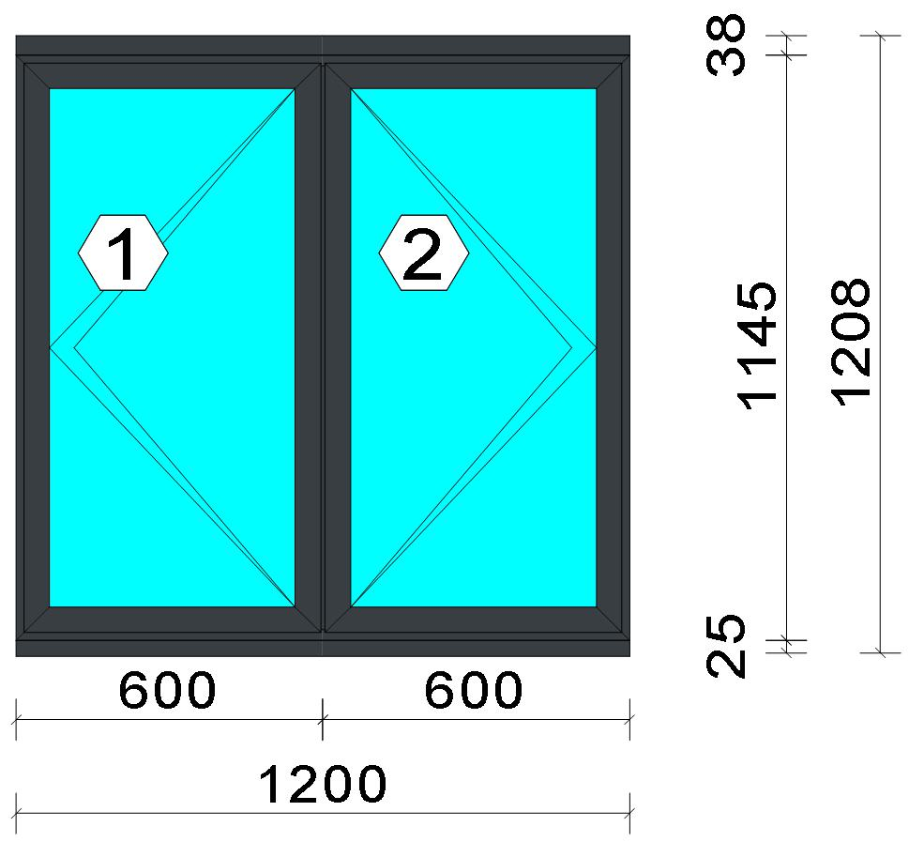
...
Stated quantities refer to one position each.
Profiles
Description |  |  |  |  |  |  |  |  | Finish |  |  | Number

150 mm drainage subcill |  |  |  |  |  |  |  |  | Lacado standard P9016B / Lacado standard 7016CM |  |  | 3735
Slim sash HI |  |  |  |  |  |  |  |  | Lacado standard P9016B / Lacado standard 7016CM |  |  | 3821
Slim sash HI |  |  |  |  |  |  |  |  | Lacado standard P9016B / Lacado standard 7016CM |  |  | 3821
Window frame HI |  |  |  |  |  |  |  |  | Lacado standard 7016CM / Lacado standard P9016B |  |  | 3831
Window frame HI |  |  |  |  |  |  |  |  | Lacado standard 7016CM / Lacado standard P9016B |  |  | 3831

 |  |  |  |  | Logikal 12.6 - ORGADATA AG , Am Nesseufer 14, 26789 Leer, Germany, +49 491 92782-500
 |  |  |  |  |  |  |  |  |  | Page: 48 from 55

 |  |  |  |  | Please check all results for plausibility. We do not take responsibility for any errors.

 | Estimation |  |  |  |  |  |  |  |  |  |  |  |  | Date:
 |  |  |  |  |  |  |  |  |  |  |  |  |  | Project:

Description |  |  |  |  |  |  |  |  | Finish |  |  | Number

Frame extension HI |  |  |  |  |  |  |  |  | Lacado standard P9016B / Lacado standard 7016CM |  |  | 3849
...
 |  |  |  |  | Please check all results for plausibility. We do not take responsibility for any errors.

 | Estimation
...
Note: |  |  |  |  |  | Errors occurred during this estimation which may cause incorrect results. Please check all printouts of each single position.

Position |  |  |  |  |  | Element
 |  |  | Frame 1 |  |  | Side-hung window
 |  |  | F2 |  |  | Window Element
 |  |  | F3 |  |  | Side-hung window
 |  |  | f4 |  |  | Side-hung window
 |  |  | Frame 05 |  |  | Window Element
 |  |  | f6 |  |  | Side-hung window
 |  |  | f7 |  |  | Window Element
 |  |  | 008 |  |  | Window Element
 |  |  | f9
 |  |  | F10
 |  |  | 012
 |  |  | F13 and F14
 |  |  | f11
...

